KPI0
NHFD 2026 annual report PPFF KPI

Site code | Site name | sample size | performance indicator (%) | target performance (%) | upper 99.8% confidence interval | lower 99.8% confidence interval | upper 95% confidence interval | lower 95% confidence interval | performance 99.8%
ADD | Addenbrooke's Hospital | 27 | 19 | 5 | 42 | 0 | 33 | 4 | average
AEI | Royal Albert Edward Infirmary | 34 | 3 | 5 | 12 | 0 | 9 | 0 | average
AIR | Airedale General Hospital | 16 | 0 | 5 | 0 | 0 | 0 | 0 | under average
ALT | Altnagelvin Hospital | 25 | 16 | 5 | 39 | 0 | 30 | 2 | average
BAR | Barnsley District General Hospital | 15 | 33 | 5 | 71 | 0 | 57 | 10 | average
BAS | Basildon Hospital | 22 | 9 | 5 | 28 | 0 | 21 | 0 | average
BAT | Royal United Hospital Bath | 88 | 15 | 5 | 27 | 3 | 22 | 7 | average
BED | Bedford Hospital | 37 | 5 | 5 | 17 | 0 | 13 | 0 | average
BFH | Broomfield Chelmsford | 34 | 0 | 5 | 0 | 0 | 0 | 0 | under average
BLA | Royal Blackburn Hospital | 33 | 0 | 5 | 0 | 0 | 0 | 0 | under average
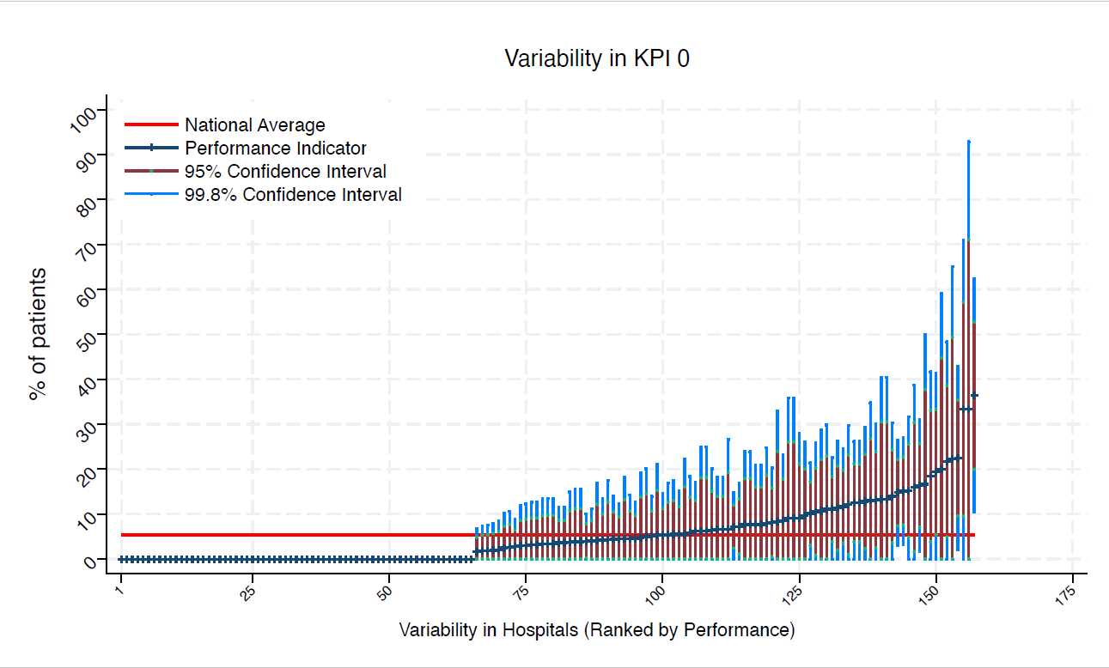
BNT | Barnet General Hospital | 13 | 0 | 5 | 0 | 0 | 0 | 0 | under average
BOL | Royal Bolton Hospital | 26 | 0 | 5 | 0 | 0 | 0 | 0 | under average
BRD | Bradford Royal Infirmary | 23 | 4 | 5 | 18 | 0 | 13 | 0 | average
BRG | Bronglais General Hospital | 10 | 20 | 5 | 59 | 0 | 45 | 0 | average
BRI | Bristol Royal Infirmary | 20 | 5 | 5 | 20 | 0 | 15 | 0 | average
BRO | Princess Royal University Hospital (Bromley) | 33 | 0 | 5 | 0 | 0 | 0 | 0 | under average
BRT | Queens Hospital | 21 | 0 | 5 | 0 | 0 | 0 | 0 | under average
CGH | Conquest Hospital | 60 | 2 | 5 | 7 | 0 | 5 | 0 | average
CHE | Chesterfield Royal | 45 | 4 | 5 | 14 | 0 | 11 | 0 | average
CLW | Glan Clwyd Hospital | 22 | 5 | 5 | 18 | 0 | 13 | 0 | average
CMI | Cumberland Infirmary | 43 | 14 | 5 | 30 | 0 | 24 | 4 | average
COC | Countess of Chester Hospital | 34 | 6 | 5 | 18 | 0 | 14 | 0 | average
COL | Colchester General Hospital | 69 | 7 | 5 | 17 | 0 | 13 | 1 | average
CRG | Craigavon Area Hospital | 43 | 0 | 5 | 0 | 0 | 0 | 0 | under average
DAR | Darlington Memorial Hospital | 11 | 0 | 5 | 0 | 0 | 0 | 0 | under average
DER | Royal Derby Hospital | 56 | 5 | 5 | 15 | 0 | 11 | 0 | average
DID | Doncaster Royal Infirmary | 11 | 0 | 5 | 0 | 0 | 0 | 0 | under average
DRY | University Hospital of North Durham | 39 | 13 | 5 | 29 | 0 | 23 | 2 | average
EAL | Ealing Hospital | 9 | 0 | 5 | 0 | 0 | 0 | 0 | under average
EBH | Birmingham Heartlands Hospital | 64 | 0 | 5 | 0 | 0 | 0 | 0 | under average
ENH | East and North Herts Hospital | 38 | 3 | 5 | 11 | 0 | 8 | 0 | average
ESU | East Surrey Hospital | 16 | 0 | 5 | 0 | 0 | 0 | 0 | under average
FAZ | University Hospital Aintree | 72 | 0 | 5 | 0 | 0 | 0 | 0 | under average
FGH | Furness General | 9 | 22 | 5 | 65 | 0 | 49 | 0 | average
FRM | Frimley Park Hospital | 41 | 0 | 5 | 0 | 0 | 0 | 0 | under average
FRY | Southmead Hospital | 56 | 13 | 5 | 26 | 0 | 21 | 4 | average
GEO | St George's Hospital | 25 | 0 | 5 | 0 | 0 | 0 | 0 | under average
GLO | Gloucestershire Royal Hospital | 69 | 10 | 5 | 21 | 0 | 17 | 3 | average
GWE | The Grange University Hospital | 47 | 4 | 5 | 13 | 0 | 10 | 0 | average
GWH | Queen Elizabeth Hospital, Woolwich | 15 | 13 | 5 | 41 | 0 | 31 | 0 | average
GWY | Ysbyty Gwynedd Hospital | 12 | 17 | 5 | 50 | 0 | 38 | 0 | average
HAR | Harrogate District Hospital | 21 | 5 | 5 | 19 | 0 | 14 | 0 | average
HCH | County Hospital Hereford | 27 | 11 | 5 | 30 | 0 | 23 | 0 | average
HIL | Hillingdon Hospital | * | * | 5 | 0 | 0 | 0 | 0 | under average
HOM | Homerton Hospital | 12 | 0 | 5 | 0 | 0 | 0 | 0 | under average
HOR | Horton General Hospital | * | * | 5 | 0 | 0 | 0 | 0 | under average
HRI | Hull Royal Infirmary | 55 | 4 | 5 | 11 | 0 | 9 | 0 | average
HUD | Huddersfield Royal Infirmary | 48 | 2 | 5 | 9 | 0 | 6 | 0 | average
IOW | St Mary's Hospital, Newport | 13 | 0 | 5 | 0 | 0 | 0 | 0 | under average
IPS | The Ipswich Hospital | 51 | 2 | 5 | 8 | 0 | 6 | 0 | average
JPH | James Paget Hospital | 32 | 3 | 5 | 13 | 0 | 9 | 0 | average
KCH | King's College Hospital | 8 | 0 | 5 | 0 | 0 | 0 | 0 | under average
KGH | Kettering General Hospital | 33 | 3 | 5 | 12 | 0 | 9 | 0 | average
KMH | Kings Mill Hospital | 35 | 9 | 5 | 23 | 0 | 18 | 0 | average
KTH | Kingston Hospital | 32 | 3 | 5 | 13 | 0 | 9 | 0 | average
LDH | Luton & Dunstable Hospital | 22 | 0 | 5 | 0 | 0 | 0 | 0 | under average
LER | Leicester Royal Infirmary | 72 | 3 | 5 | 9 | 0 | 7 | 0 | average
LEW | University Hospital Lewisham | 23 | 22 | 5 | 48 | 0 | 39 | 5 | average
LGH | Leighton Hospital | 26 | 0 | 5 | 0 | 0 | 0 | 0 | under average
LGI | Leeds General Infirmary | 54 | 2 | 5 | 8 | 0 | 5 | 0 | average
LIN | Lincoln County Hospital | 40 | 3 | 5 | 10 | 0 | 7 | 0 | average
MAC | Macclesfield District General Hospital | 10 | 0 | 5 | 0 | 0 | 0 | 0 | under average
MAY | Mayday University Hospital | 17 | 0 | 5 | 0 | 0 | 0 | 0 | under average
MDW | Medway Maritime Hospital | 12 | 8 | 5 | 33 | 0 | 24 | 0 | average
MKH | Milton Keynes General Hospital | 15 | 0 | 5 | 0 | 0 | 0 | 0 | under average
MOR | Morriston Hospital | 47 | 0 | 5 | 0 | 0 | 0 | 0 | under average
MPH | Musgrove Park Hospital | 59 | 5 | 5 | 14 | 0 | 11 | 0 | average
MRI | Manchester Royal Infirmary | 18 | 6 | 5 | 22 | 0 | 16 | 0 | average
NCR | New Cross Hospital | 39 | 0 | 5 | 0 | 0 | 0 | 0 | under average
NDD | North Devon District Hospital | 24 | 4 | 5 | 17 | 0 | 12 | 0 | average
NGS | Northern General Hospital | 45 | 7 | 5 | 18 | 0 | 14 | 0 | average
NHH | North Hampshire Hospital | 49 | 8 | 5 | 20 | 0 | 16 | 1 | average
NMG | North Manchester General Hospital | 19 | 5 | 5 | 21 | 0 | 15 | 0 | average
NMH | North Middlesex Hospital | * | * | 5 | 0 | 0 | 0 | 0 | under average
NOB | Noble's Hospital | * | * | 5 | 0 | 0 | 0 | 0 | under average
NOC | Nuffield Orthopaedic Centre | 40 | 23 | 5 | 43 | 2 | 35 | 10 | average
NOR | Norfolk and Norwich Hospital | 74 | 4 | 5 | 11 | 0 | 9 | 0 | average
NPH | Northwick Park Hospital | 28 | 0 | 5 | 0 | 0 | 0 | 0 | under average
NSE | Northumbria Specialist Emergency Care Hospital | 39 | 8 | 5 | 21 | 0 | 16 | 0 | average
NTG | University Hospital of North Tees | 29 | 0 | 5 | 0 | 0 | 0 | 0 | under average
NTH | Northampton General Hospital | 40 | 0 | 5 | 0 | 0 | 0 | 0 | under average
NUH | Ulster Hospital | 40 | 0 | 5 | 0 | 0 | 0 | 0 | under average
NUN | George Eliot Hospital | 26 | 4 | 5 | 16 | 0 | 11 | 0 | average
OHM | Royal Oldham Hospital | 27 | 4 | 5 | 15 | 0 | 11 | 0 | average
OLD | Queens Hospital Romford | 17 | 0 | 5 | 0 | 0 | 0 | 0 | under average
PAH | Princess Alexandra Hospital | 32 | 0 | 5 | 0 | 0 | 0 | 0 | under average
PCH | Prince Charles Hospital | 11 | 9 | 5 | 36 | 0 | 26 | 0 | average
PEH | Princess Elizabeth Hospital (Guernsey) | 6 | 33 | 5 | 93 | 0 | 71 | 0 | average
PGH | Poole General Hospital | 111 | 7 | 5 | 15 | 0 | 12 | 2 | average
PIL | Pilgrim Hospital | 31 | 0 | 5 | 0 | 0 | 0 | 0 | under average
PIN | Pinderfields General Hospital | 44 | 0 | 5 | 0 | 0 | 0 | 0 | under average
PLY | Derriford Hospital | 31 | 19 | 5 | 41 | 0 | 33 | 5 | average
PMS | The Great Western Hospital | 44 | 11 | 5 | 26 | 0 | 21 | 2 | average
QAP | Queen Alexandra Hospital | 67 | 5 | 5 | 12 | 0 | 9 | 0 | average
QEB | Queen Elizabeth Hospital, Edgbaston | 55 | 2 | 5 | 7 | 0 | 5 | 0 | average
QEG | Queen Elizabeth Hospital, Gateshead | 23 | 13 | 5 | 35 | 0 | 27 | 0 | average
QEQ | Queen Elizabeth the Queen Mother Hospital | 60 | 12 | 5 | 25 | 0 | 20 | 4 | average
QKL | Queen Elizabeth Hospital (King's Lynn) | 39 | 8 | 5 | 21 | 0 | 16 | 0 | average
RAD | John Radcliffe Hospital | 36 | 0 | 5 | 0 | 0 | 0 | 0 | under average
RBE | Royal Berkshire Hospital | 48 | 6 | 5 | 17 | 0 | 13 | 0 | average
RCH | Royal Cornwall Hospital | 86 | 15 | 5 | 27 | 3 | 23 | 8 | average
RDE | Royal Devon & Exeter Hospital | 45 | 7 | 5 | 18 | 0 | 14 | 0 | average
RFH | Royal Free Hospital | * | * | 5 | 0 | 0 | 0 | 0 | under average
RGH | Royal Glamorgan | 15 | 13 | 5 | 41 | 0 | 31 | 0 | average
RLI | Royal Lancaster Infirmary | 30 | 0 | 5 | 0 | 0 | 0 | 0 | under average
ROT | Rotherham General Hospital | 25 | 0 | 5 | 0 | 0 | 0 | 0 | under average
RPH | Royal Preston Hospital | 56 | 13 | 5 | 26 | 0 | 21 | 4 | average
RSC | Royal Sussex County Hospital | 55 | 4 | 5 | 11 | 0 | 9 | 0 | average
RSS | Royal Shrewsbury Hospital | 48 | 0 | 5 | 0 | 0 | 0 | 0 | under average
RSU | Royal Surrey County Hospital | 40 | 0 | 5 | 0 | 0 | 0 | 0 | under average
RUS | Russells Hall Hospital | 39 | 0 | 5 | 0 | 0 | 0 | 0 | under average
RVB | Royal Victoria Hospital | 72 | 11 | 5 | 23 | 0 | 18 | 4 | average
RVN | Royal Victoria Infirmary | 33 | 12 | 5 | 30 | 0 | 23 | 1 | average
SAL | Salisbury District Hospital | 28 | 11 | 5 | 29 | 0 | 22 | 0 | average
SAN | Sandwell District Hospital | 9 | 0 | 5 | 0 | 0 | 0 | 0 | under average
SCA | Scarborough General Hospital | 30 | 3 | 5 | 14 | 0 | 10 | 0 | average
SCM | James Cook University Hospital | 46 | 15 | 5 | 32 | 0 | 26 | 5 | average
SEH | Southend Hospital | 25 | 0 | 5 | 0 | 0 | 0 | 0 | under average
SGH | Southampton General Hospital | 100 | 4 | 5 | 10 | 0 | 8 | 0 | average
SHH | Stepping Hill Hospital | 33 | 0 | 5 | 0 | 0 | 0 | 0 | under average
SLF | Salford Royal | 16 | 0 | 5 | 0 | 0 | 0 | 0 | under average
SMV | Stoke Mandeville Hospital | 30 | 3 | 5 | 14 | 0 | 10 | 0 | average
SPH | St Peter's Hospital | 54 | 0 | 5 | 0 | 0 | 0 | 0 | under average
STD | South Tyneside District Hospital | 6 | 0 | 5 | 0 | 0 | 0 | 0 | under average
STH | St Thomas Hospital | 15 | 7 | 5 | 27 | 0 | 19 | 0 | average
STM | St Marys Hospital, Paddington | 16 | 6 | 5 | 25 | 0 | 18 | 0 | average
STO | University Hospital of North Staffordshire | 65 | 5 | 5 | 13 | 0 | 10 | 0 | average
STR | St Richards Hospital | 55 | 0 | 5 | 0 | 0 | 0 | 0 | under average
SUN | Sunderland Royal Hospital | 38 | 11 | 5 | 26 | 0 | 20 | 1 | average
TGA | Tameside General Hospital | 9 | 0 | 5 | 0 | 0 | 0 | 0 | under average
TLF | Princess Royal Hospital, Telford | 21 | 0 | 5 | 0 | 0 | 0 | 0 | under average
TOR | Torbay Hospital | 44 | 5 | 5 | 14 | 0 | 11 | 0 | average
TUN | Tunbridge Wells Hospital | 57 | 0 | 5 | 0 | 0 | 0 | 0 | under average
UCL | University College Hospital | 18 | 0 | 5 | 0 | 0 | 0 | 0 | under average
UHC | University Hospital Coventry | 54 | 6 | 5 | 15 | 0 | 12 | 0 | average
UHN | University Hospital Queens Medical Centre | 72 | 0 | 5 | 0 | 0 | 0 | 0 | under average
UHW | University Hospital of Wales | 61 | 16 | 5 | 31 | 2 | 26 | 7 | average
WAR | Warwick Hospital | 38 | 13 | 5 | 30 | 0 | 24 | 2 | average
WDG | Warrington District General Hospital | 37 | 0 | 5 | 0 | 0 | 0 | 0 | under average
WDH | Dorset County Hospital | 26 | 4 | 5 | 16 | 0 | 11 | 0 | average
WES | Chelsea & Westminster Hospital | 25 | 8 | 5 | 25 | 0 | 19 | 0 | average
WEX | Wexham Park Hospital | 41 | 0 | 5 | 0 | 0 | 0 | 0 | under average
WGH | Weston General Hospital | 31 | 10 | 5 | 26 | 0 | 20 | 0 | average
WHC | Whipps Cross Hospital | 30 | 3 | 5 | 14 | 0 | 10 | 0 | average
WHH | William Harvey Hospital | 35 | 0 | 5 | 0 | 0 | 0 | 0 | under average
WHT | Whittington Hospital | 11 | 9 | 5 | 36 | 0 | 26 | 0 | average
WIR | Arrowe Park Hospital | 36 | 6 | 5 | 17 | 0 | 13 | 0 | average
WMH | Manor Hospital | 22 | 0 | 5 | 0 | 0 | 0 | 0 | under average
WMU | West Middlesex University Hospital | 33 | 36 | 5 | 62 | 11 | 53 | 20 | above average
WRC | Worcestershire Royal Hospital | 94 | 0 | 5 | 0 | 0 | 0 | 0 | under average
WRX | Maelor Hospital | 16 | 6 | 5 | 25 | 0 | 18 | 0 | average
WSH | West Suffolk Hospital | 30 | 0 | 5 | 0 | 0 | 0 | 0 | under average
WWG | West Wales General | 25 | 0 | 5 | 0 | 0 | 0 | 0 | under average
WYB | Withybush General Hospital | 12 | 0 | 5 | 0 | 0 | 0 | 0 | under average
WYT | Wythenshawe Hospital | 26 | 8 | 5 | 24 | 0 | 18 | 0 | average
YDH | York District Hospital | 26 | 8 | 5 | 24 | 0 | 18 | 0 | average
YEO | Yeovil District Hospital | 31 | 7 | 5 | 20 | 0 | 15 | 0 | average

KPI1
NHFD 2026 annual report PPFF KPI

Site code | Site name | sample size | performance indicator (%) | target performance (%) | upper 99.8% confidence interval | lower 99.8% confidence interval | upper 95% confidence interval | lower 95% confidence interval | performance 99.8%
ADD | Addenbrooke's Hospital | 27 | 96 | 75 | 100 | 85 | 100 | 89 | above average
AEI | Royal Albert Edward Infirmary | 34 | 88 | 75 | 100 | 71 | 99 | 77 | average
AIR | Airedale General Hospital | 16 | 25 | 75 | 59 | 0 | 46 | 4 | under average
ALT | Altnagelvin Hospital | 25 | 84 | 75 | 100 | 61 | 98 | 70 | average
BAR | Barnsley District General Hospital | 15 | 87 | 75 | 100 | 60 | 100 | 70 | average
BAS | Basildon Hospital | 22 | 91 | 75 | 100 | 72 | 100 | 79 | average
BAT | Royal United Hospital Bath | 88 | 10 | 75 | 20 | 0 | 17 | 4 | under average
BED | Bedford Hospital | 37 | 19 | 75 | 39 | 0 | 32 | 6 | under average
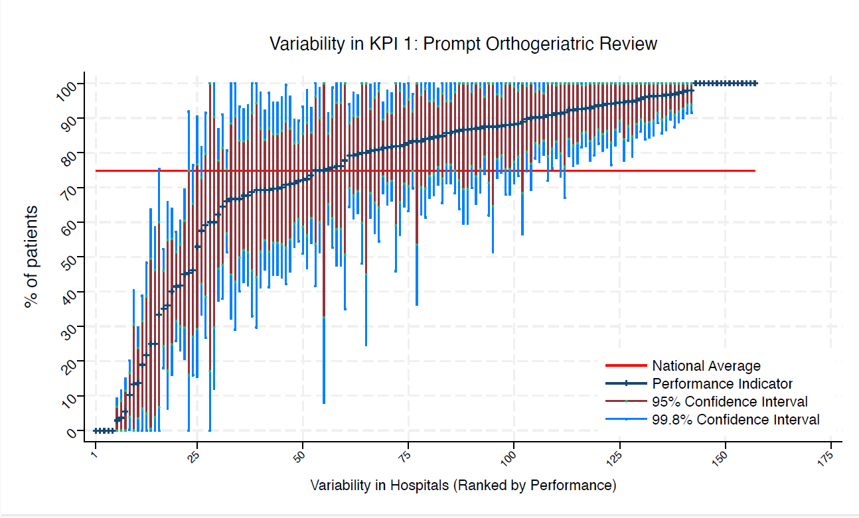
BFH | Broomfield Chelmsford | 34 | 68 | 75 | 92 | 43 | 83 | 52 | average
BLA | Royal Blackburn Hospital | 33 | 70 | 75 | 94 | 45 | 85 | 54 | average
BNT | Barnet General Hospital | 13 | 69 | 75 | 100 | 30 | 94 | 44 | average
BOL | Royal Bolton Hospital | 26 | 92 | 75 | 100 | 76 | 100 | 82 | above average
BRD | Bradford Royal Infirmary | 23 | 22 | 75 | 48 | 0 | 39 | 5 | under average
BRG | Bronglais General Hospital | 10 | 100 | 75 | 100 | 100 | 100 | 100 | above average
BRI | Bristol Royal Infirmary | 20 | 90 | 75 | 100 | 69 | 100 | 77 | average
BRO | Princess Royal University Hospital (Bromley) | 33 | 0 | 75 | 0 | 0 | 0 | 0 | under average
BRT | Queens Hospital | 21 | 76 | 75 | 100 | 48 | 94 | 58 | average
CGH | Conquest Hospital | 60 | 97 | 75 | 100 | 90 | 100 | 92 | above average
CHE | Chesterfield Royal | 45 | 82 | 75 | 100 | 65 | 93 | 71 | average
CLW | Glan Clwyd Hospital | 22 | 86 | 75 | 100 | 64 | 100 | 72 | average
CMI | Cumberland Infirmary | 43 | 88 | 75 | 100 | 73 | 98 | 79 | average
COC | Countess of Chester Hospital | 34 | 94 | 75 | 100 | 82 | 100 | 86 | above average
COL | Colchester General Hospital | 69 | 75 | 75 | 91 | 59 | 86 | 65 | average
CRG | Craigavon Area Hospital | 43 | 72 | 75 | 93 | 51 | 86 | 59 | average
DAR | Darlington Memorial Hospital | 11 | 82 | 75 | 100 | 46 | 100 | 59 | average
DER | Royal Derby Hospital | 56 | 88 | 75 | 100 | 74 | 96 | 79 | average
DID | Doncaster Royal Infirmary | 11 | 46 | 75 | 92 | 0 | 75 | 16 | average
DRY | University Hospital of North Durham | 39 | 69 | 75 | 92 | 46 | 84 | 55 | average
EAL | Ealing Hospital | 9 | 100 | 75 | 100 | 100 | 100 | 100 | above average
EBH | Birmingham Heartlands Hospital | 64 | 72 | 75 | 89 | 55 | 83 | 61 | average
ENH | East and North Herts Hospital | 38 | 87 | 75 | 100 | 70 | 98 | 76 | average
ESU | East Surrey Hospital | 16 | 75 | 75 | 100 | 42 | 96 | 54 | average
FAZ | University Hospital Aintree | 72 | 79 | 75 | 94 | 64 | 89 | 70 | average
FGH | Furness General | 9 | 89 | 75 | 100 | 57 | 100 | 68 | average
FRM | Frimley Park Hospital | 41 | 81 | 75 | 100 | 61 | 93 | 68 | average
FRY | Southmead Hospital | 56 | 86 | 75 | 100 | 71 | 95 | 77 | average
GEO | St George's Hospital | 25 | 96 | 75 | 100 | 84 | 100 | 88 | above average
GLO | Gloucestershire Royal Hospital | 69 | 3 | 75 | 9 | 0 | 7 | 0 | under average
GWE | The Grange University Hospital | 47 | 94 | 75 | 100 | 83 | 100 | 87 | above average
GWH | Queen Elizabeth Hospital, Woolwich | 15 | 80 | 75 | 100 | 48 | 100 | 60 | average
GWY | Ysbyty Gwynedd Hospital | 12 | 25 | 75 | 64 | 0 | 50 | 1 | under average
HAR | Harrogate District Hospital | 21 | 81 | 75 | 100 | 55 | 98 | 64 | average
HCH | County Hospital Hereford | 27 | 100 | 75 | 100 | 100 | 100 | 100 | above average
HIL | Hillingdon Hospital | * | * | 75 | 100 | 100 | 100 | 100 | above average
HOM | Homerton Hospital | 12 | 100 | 75 | 100 | 100 | 100 | 100 | above average
HOR | Horton General Hospital | * | * | 75 | 100 | 100 | 100 | 100 | above average
HRI | Hull Royal Infirmary | 55 | 96 | 75 | 100 | 89 | 100 | 91 | above average
HUD | Huddersfield Royal Infirmary | 48 | 79 | 75 | 97 | 61 | 91 | 68 | average
IOW | St Mary's Hospital, Newport | 13 | 0 | 75 | 0 | 0 | 0 | 0 | under average
IPS | The Ipswich Hospital | 51 | 90 | 75 | 100 | 77 | 98 | 82 | above average
JPH | James Paget Hospital | 32 | 94 | 75 | 100 | 81 | 100 | 85 | above average
KCH | King's College Hospital | 8 | 88 | 75 | 100 | 51 | 100 | 65 | average
KGH | Kettering General Hospital | 33 | 70 | 75 | 94 | 45 | 85 | 54 | average
KMH | Kings Mill Hospital | 35 | 83 | 75 | 100 | 63 | 95 | 70 | average
KTH | Kingston Hospital | 32 | 97 | 75 | 100 | 87 | 100 | 91 | above average
LDH | Luton & Dunstable Hospital | 22 | 82 | 75 | 100 | 56 | 98 | 66 | average
LER | Leicester Royal Infirmary | 72 | 83 | 75 | 97 | 70 | 92 | 75 | average
LEW | University Hospital Lewisham | 23 | 87 | 75 | 100 | 65 | 100 | 73 | average
LGH | Leighton Hospital | 26 | 69 | 75 | 97 | 41 | 87 | 52 | average
LGI | Leeds General Infirmary | 54 | 82 | 75 | 98 | 65 | 92 | 71 | average
LIN | Lincoln County Hospital | 40 | 40 | 75 | 64 | 16 | 55 | 25 | under average
MAC | Macclesfield District General Hospital | 10 | 60 | 75 | 100 | 12 | 90 | 30 | average
MAY | Mayday University Hospital | 17 | 94 | 75 | 100 | 77 | 100 | 83 | above average
MDW | Medway Maritime Hospital | 12 | 92 | 75 | 100 | 67 | 100 | 76 | average
MKH | Milton Keynes General Hospital | 15 | 87 | 75 | 100 | 60 | 100 | 70 | average
MOR | Morriston Hospital | 47 | 98 | 75 | 100 | 91 | 100 | 94 | above average
MPH | Musgrove Park Hospital | 59 | 71 | 75 | 89 | 53 | 83 | 60 | average
MRI | Manchester Royal Infirmary | 18 | 94 | 75 | 100 | 78 | 100 | 84 | above average
NCR | New Cross Hospital | 39 | 100 | 75 | 100 | 100 | 100 | 100 | above average
NDD | North Devon District Hospital | 24 | 71 | 75 | 100 | 42 | 89 | 53 | average
NGS | Northern General Hospital | 45 | 84 | 75 | 100 | 68 | 95 | 74 | average
NHH | North Hampshire Hospital | 49 | 74 | 75 | 93 | 54 | 86 | 61 | average
NMG | North Manchester General Hospital | 19 | 95 | 75 | 100 | 79 | 100 | 85 | above average
NMH | North Middlesex Hospital | * | * | 75 | 100 | 0 | 100 | 17 | average
NOB | Noble's Hospital | * | * | 75 | 100 | 25 | 100 | 45 | average
NOC | Nuffield Orthopaedic Centre | 40 | 45 | 75 | 69 | 21 | 60 | 30 | under average
NOR | Norfolk and Norwich Hospital | 74 | 35 | 75 | 52 | 18 | 46 | 24 | under average
NPH | Northwick Park Hospital | 28 | 93 | 75 | 100 | 78 | 100 | 83 | above average
NSE | Northumbria Specialist Emergency Care Hospital | 39 | 90 | 75 | 100 | 75 | 99 | 80 | average
NTG | University Hospital of North Tees | 29 | 72 | 75 | 98 | 47 | 89 | 56 | average
NTH | Northampton General Hospital | 40 | 95 | 75 | 100 | 84 | 100 | 88 | above average
NUH | Ulster Hospital | 40 | 58 | 75 | 82 | 33 | 73 | 42 | average
NUN | George Eliot Hospital | 26 | 81 | 75 | 100 | 57 | 96 | 66 | average
OHM | Royal Oldham Hospital | 27 | 93 | 75 | 100 | 77 | 100 | 83 | above average
OLD | Queens Hospital Romford | 17 | 53 | 75 | 90 | 16 | 77 | 29 | average
PAH | Princess Alexandra Hospital | 32 | 75 | 75 | 99 | 51 | 90 | 60 | average
PCH | Prince Charles Hospital | 11 | 0 | 75 | 0 | 0 | 0 | 0 | under average
PEH | Princess Elizabeth Hospital (Guernsey) | 6 | 0 | 75 | 0 | 0 | 0 | 0 | under average
PGH | Poole General Hospital | 111 | 100 | 75 | 100 | 100 | 100 | 100 | above average
PIL | Pilgrim Hospital | 31 | 87 | 75 | 100 | 69 | 99 | 75 | average
PIN | Pinderfields General Hospital | 44 | 14 | 75 | 30 | 0 | 24 | 4 | under average
PLY | Derriford Hospital | 31 | 71 | 75 | 96 | 46 | 87 | 55 | average
PMS | The Great Western Hospital | 44 | 84 | 75 | 100 | 67 | 95 | 73 | average
QAP | Queen Alexandra Hospital | 67 | 42 | 75 | 60 | 23 | 54 | 30 | under average
QEB | Queen Elizabeth Hospital, Edgbaston | 55 | 93 | 75 | 100 | 82 | 100 | 86 | above average
QEG | Queen Elizabeth Hospital, Gateshead | 23 | 91 | 75 | 100 | 73 | 100 | 80 | average
QEQ | Queen Elizabeth the Queen Mother Hospital | 60 | 82 | 75 | 97 | 66 | 92 | 72 | average
QKL | Queen Elizabeth Hospital (King's Lynn) | 39 | 92 | 75 | 100 | 79 | 100 | 84 | above average
RAD | John Radcliffe Hospital | 36 | 86 | 75 | 100 | 68 | 97 | 75 | average
RBE | Royal Berkshire Hospital | 48 | 98 | 75 | 100 | 92 | 100 | 94 | above average
RCH | Royal Cornwall Hospital | 86 | 81 | 75 | 94 | 68 | 90 | 73 | average
RDE | Royal Devon & Exeter Hospital | 45 | 96 | 75 | 100 | 86 | 100 | 90 | above average
RFH | Royal Free Hospital | * | * | 75 | 100 | 8 | 100 | 33 | average
RGH | Royal Glamorgan | 15 | 13 | 75 | 41 | 0 | 31 | 0 | under average
RLI | Royal Lancaster Infirmary | 30 | 70 | 75 | 96 | 44 | 86 | 54 | average
ROT | Rotherham General Hospital | 25 | 88 | 75 | 100 | 68 | 100 | 75 | average
RPH | Royal Preston Hospital | 56 | 86 | 75 | 100 | 71 | 95 | 77 | average
RSC | Royal Sussex County Hospital | 55 | 6 | 75 | 15 | 0 | 12 | 0 | under average
RSS | Royal Shrewsbury Hospital | 48 | 88 | 75 | 100 | 73 | 97 | 78 | average
RSU | Royal Surrey County Hospital | 40 | 98 | 75 | 100 | 90 | 100 | 93 | above average
RUS | Russells Hall Hospital | 39 | 100 | 75 | 100 | 100 | 100 | 100 | above average
RVB | Royal Victoria Hospital | 72 | 90 | 75 | 100 | 80 | 97 | 83 | above average
RVN | Royal Victoria Infirmary | 33 | 85 | 75 | 100 | 66 | 97 | 73 | average
SAL | Salisbury District Hospital | 28 | 96 | 75 | 100 | 86 | 100 | 90 | above average
SAN | Sandwell District Hospital | 9 | 78 | 75 | 100 | 35 | 100 | 51 | average
SCA | Scarborough General Hospital | 30 | 67 | 75 | 93 | 40 | 84 | 50 | average
SCM | James Cook University Hospital | 46 | 91 | 75 | 100 | 79 | 99 | 83 | above average
SEH | Southend Hospital | 25 | 88 | 75 | 100 | 68 | 100 | 75 | average
SGH | Southampton General Hospital | 100 | 66 | 75 | 81 | 51 | 75 | 57 | average
SHH | Stepping Hill Hospital | 33 | 76 | 75 | 99 | 53 | 90 | 61 | average
SLF | Salford Royal | 16 | 100 | 75 | 100 | 100 | 100 | 100 | above average
SMV | Stoke Mandeville Hospital | 30 | 83 | 75 | 100 | 62 | 97 | 70 | average
SPH | St Peter's Hospital | 54 | 93 | 75 | 100 | 82 | 100 | 86 | above average
STD | South Tyneside District Hospital | 6 | 83 | 75 | 100 | 36 | 100 | 54 | average
STH | St Thomas Hospital | 15 | 67 | 75 | 100 | 29 | 91 | 43 | average
STM | St Marys Hospital, Paddington | 16 | 88 | 75 | 100 | 62 | 100 | 71 | average
STO | University Hospital of North Staffordshire | 65 | 85 | 75 | 98 | 71 | 93 | 76 | average
STR | St Richards Hospital | 55 | 4 | 75 | 11 | 0 | 9 | 0 | under average
SUN | Sunderland Royal Hospital | 38 | 100 | 75 | 100 | 100 | 100 | 100 | above average
TGA | Tameside General Hospital | 9 | 100 | 75 | 100 | 100 | 100 | 100 | above average
TLF | Princess Royal Hospital, Telford | 21 | 76 | 75 | 100 | 48 | 94 | 58 | average
TOR | Torbay Hospital | 44 | 100 | 75 | 100 | 100 | 100 | 100 | above average
TUN | Tunbridge Wells Hospital | 57 | 88 | 75 | 100 | 74 | 96 | 79 | average
UCL | University College Hospital | 18 | 67 | 75 | 100 | 32 | 88 | 45 | average
UHC | University Hospital Coventry | 54 | 80 | 75 | 97 | 63 | 90 | 69 | average
UHN | University Hospital Queens Medical Centre | 72 | 94 | 75 | 100 | 86 | 100 | 89 | above average
UHW | University Hospital of Wales | 61 | 90 | 75 | 100 | 78 | 98 | 83 | above average
WAR | Warwick Hospital | 38 | 95 | 75 | 100 | 84 | 100 | 88 | above average
WDG | Warrington District General Hospital | 37 | 62 | 75 | 87 | 38 | 78 | 47 | average
WDH | Dorset County Hospital | 26 | 46 | 75 | 76 | 16 | 65 | 27 | average
WES | Chelsea & Westminster Hospital | 25 | 36 | 75 | 66 | 6 | 55 | 17 | under average
WEX | Wexham Park Hospital | 41 | 100 | 75 | 100 | 100 | 100 | 100 | above average
WGH | Weston General Hospital | 31 | 65 | 75 | 91 | 38 | 81 | 48 | average
WHC | Whipps Cross Hospital | 30 | 93 | 75 | 100 | 79 | 100 | 84 | above average
WHH | William Harvey Hospital | 35 | 94 | 75 | 100 | 82 | 100 | 87 | above average
WHT | Whittington Hospital | 11 | 100 | 75 | 100 | 100 | 100 | 100 | above average
WIR | Arrowe Park Hospital | 36 | 97 | 75 | 100 | 89 | 100 | 92 | above average
WMH | Manor Hospital | 22 | 59 | 75 | 92 | 27 | 80 | 39 | average
WMU | West Middlesex University Hospital | 33 | 91 | 75 | 100 | 75 | 100 | 81 | above average
WRC | Worcestershire Royal Hospital | 94 | 42 | 75 | 57 | 26 | 51 | 32 | under average
WRX | Maelor Hospital | 16 | 69 | 75 | 100 | 33 | 92 | 46 | average
WSH | West Suffolk Hospital | 30 | 97 | 75 | 100 | 87 | 100 | 90 | above average
WWG | West Wales General | 25 | 0 | 75 | 0 | 0 | 0 | 0 | under average
WYB | Withybush General Hospital | 12 | 33 | 75 | 75 | 0 | 60 | 7 | average
WYT | Wythenshawe Hospital | 26 | 96 | 75 | 100 | 85 | 100 | 89 | above average
YDH | York District Hospital | 26 | 69 | 75 | 97 | 41 | 87 | 52 | average
YEO | Yeovil District Hospital | 31 | 68 | 75 | 94 | 42 | 84 | 51 | average

KPI2
NHFD 2026 annual report PPFF KPI

Site code | Site name | sample size | performance indicator (%) | target performance (%) | upper 99.8% confidence interval | lower 99.8% confidence interval | upper 95% confidence interval | lower 95% confidence interval | performance 99.8%
ADD | Addenbrooke's Hospital | 26 | 4 | 21 | 16 | 0 | 11 | 0 | under average
AEI | Royal Albert Edward Infirmary | 26 | 19 | 21 | 43 | 0 | 34 | 4 | average
AIR | Airedale General Hospital | 11 | 46 | 21 | 92 | 0 | 75 | 16 | average
ALT | Altnagelvin Hospital | 23 | 17 | 21 | 42 | 0 | 33 | 2 | average
BAR | Barnsley District General Hospital | 11 | 46 | 21 | 92 | 0 | 75 | 16 | average
BAS | Basildon Hospital | 21 | 29 | 21 | 59 | 0 | 48 | 9 | average
BAT | Royal United Hospital Bath | 64 | 23 | 21 | 40 | 7 | 34 | 13 | average
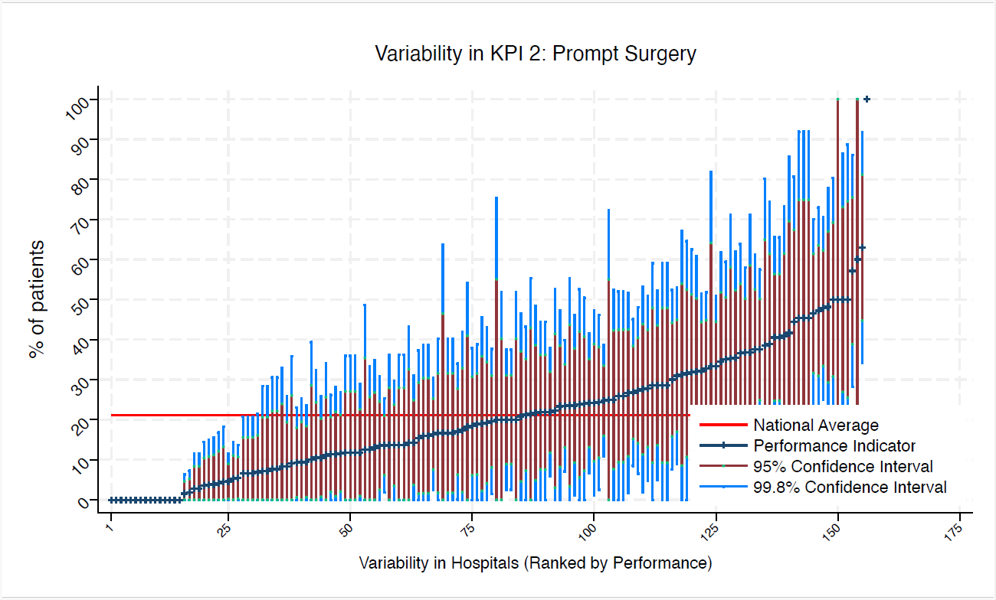
BED | Bedford Hospital | 32 | 9 | 21 | 25 | 0 | 20 | 0 | average
BFH | Broomfield Chelmsford | 34 | 24 | 21 | 46 | 1 | 38 | 9 | average
BLA | Royal Blackburn Hospital | 28 | 4 | 21 | 14 | 0 | 10 | 0 | under average
BNT | Barnet General Hospital | 11 | 46 | 21 | 92 | 0 | 75 | 16 | average
BOL | Royal Bolton Hospital | 24 | 4 | 21 | 17 | 0 | 12 | 0 | under average
BRD | Bradford Royal Infirmary | 17 | 12 | 21 | 36 | 0 | 27 | 0 | average
BRG | Bronglais General Hospital | 7 | 0 | 21 | 0 | 0 | 0 | 0 | under average
BRI | Bristol Royal Infirmary | 16 | 0 | 21 | 0 | 0 | 0 | 0 | under average
BRO | Princess Royal University Hospital (Bromley) | 30 | 23 | 21 | 47 | 0 | 39 | 8 | average
BRT | Queens Hospital | 21 | 19 | 21 | 46 | 0 | 36 | 2 | average
CGH | Conquest Hospital | 56 | 38 | 21 | 58 | 18 | 50 | 25 | average
CHE | Chesterfield Royal | 44 | 11 | 21 | 26 | 0 | 21 | 2 | average
CLW | Glan Clwyd Hospital | 17 | 24 | 21 | 55 | 0 | 44 | 3 | average
CMI | Cumberland Infirmary | 37 | 19 | 21 | 39 | 0 | 32 | 6 | average
COC | Countess of Chester Hospital | 27 | 63 | 21 | 92 | 34 | 81 | 45 | above average
COL | Colchester General Hospital | 58 | 24 | 21 | 42 | 7 | 35 | 13 | average
CRG | Craigavon Area Hospital | 34 | 0 | 21 | 0 | 0 | 0 | 0 | under average
DAR | Darlington Memorial Hospital | * | * | 21 | 75 | 0 | 55 | 0 | average
DER | Royal Derby Hospital | 56 | 32 | 21 | 51 | 13 | 44 | 20 | average
DID | Doncaster Royal Infirmary | 10 | 10 | 21 | 39 | 0 | 29 | 0 | average
DRY | University Hospital of North Durham | 34 | 12 | 21 | 29 | 0 | 23 | 1 | average
EAL | Ealing Hospital | * | * | 21 | 100 | 0 | 100 | 0 | average
EBH | Birmingham Heartlands Hospital | 40 | 30 | 21 | 52 | 8 | 44 | 16 | average
ENH | East and North Herts Hospital | 32 | 22 | 21 | 45 | 0 | 36 | 8 | average
ESU | East Surrey Hospital | 16 | 0 | 21 | 0 | 0 | 0 | 0 | under average
FAZ | University Hospital Aintree | 58 | 33 | 21 | 52 | 14 | 45 | 21 | average
FGH | Furness General | 8 | 0 | 21 | 0 | 0 | 0 | 0 | under average
FRM | Frimley Park Hospital | 30 | 37 | 21 | 64 | 10 | 54 | 19 | average
FRY | Southmead Hospital | 44 | 27 | 21 | 48 | 7 | 40 | 14 | average
GEO | St George's Hospital | 18 | 44 | 21 | 81 | 8 | 67 | 22 | average
GLO | Gloucestershire Royal Hospital | 57 | 5 | 21 | 14 | 0 | 11 | 0 | under average
GWE | The Grange University Hospital | 35 | 29 | 21 | 52 | 5 | 44 | 14 | average
GWH | Queen Elizabeth Hospital, Woolwich | 12 | 8 | 21 | 33 | 0 | 24 | 0 | average
GWY | Ysbyty Gwynedd Hospital | 12 | 42 | 21 | 86 | 0 | 70 | 14 | average
HAR | Harrogate District Hospital | 18 | 50 | 21 | 86 | 14 | 73 | 27 | average
HCH | County Hospital Hereford | 18 | 22 | 21 | 53 | 0 | 41 | 3 | average
HIL | Hillingdon Hospital | * | * | 21 | 100 | 0 | 100 | 17 | average
HOM | Homerton Hospital | 9 | 0 | 21 | 0 | 0 | 0 | 0 | under average
HRI | Hull Royal Infirmary | 35 | 3 | 21 | 12 | 0 | 8 | 0 | under average
HUD | Huddersfield Royal Infirmary | 36 | 28 | 21 | 51 | 5 | 42 | 13 | average
IOW | St Mary's Hospital, Newport | 9 | 33 | 21 | 82 | 0 | 64 | 3 | average
IPS | The Ipswich Hospital | 33 | 24 | 21 | 47 | 1 | 39 | 10 | average
JPH | James Paget Hospital | 23 | 22 | 21 | 48 | 0 | 39 | 5 | average
KCH | King's College Hospital | 7 | 0 | 21 | 0 | 0 | 0 | 0 | under average
KGH | Kettering General Hospital | 24 | 17 | 21 | 40 | 0 | 32 | 2 | average
KMH | Kings Mill Hospital | 30 | 7 | 21 | 21 | 0 | 16 | 0 | under average
KTH | Kingston Hospital | 23 | 13 | 21 | 35 | 0 | 27 | 0 | average
LDH | Luton & Dunstable Hospital | 18 | 39 | 21 | 74 | 3 | 61 | 16 | average
LER | Leicester Royal Infirmary | 67 | 16 | 21 | 30 | 2 | 25 | 8 | average
LEW | University Hospital Lewisham | 14 | 21 | 21 | 55 | 0 | 43 | 0 | average
LGH | Leighton Hospital | 21 | 24 | 21 | 53 | 0 | 42 | 6 | average
LGI | Leeds General Infirmary | 47 | 17 | 21 | 34 | 0 | 28 | 6 | average
LIN | Lincoln County Hospital | 38 | 0 | 21 | 0 | 0 | 0 | 0 | under average
MAC | Macclesfield District General Hospital | 8 | 25 | 21 | 72 | 0 | 55 | 0 | average
MAY | Mayday University Hospital | 13 | 39 | 21 | 80 | 0 | 65 | 12 | average
MDW | Medway Maritime Hospital | 12 | 0 | 21 | 0 | 0 | 0 | 0 | under average
MKH | Milton Keynes General Hospital | 11 | 18 | 21 | 54 | 0 | 41 | 0 | average
MOR | Morriston Hospital | 38 | 11 | 21 | 26 | 0 | 20 | 1 | average
MPH | Musgrove Park Hospital | 42 | 14 | 21 | 31 | 0 | 25 | 4 | average
MRI | Manchester Royal Infirmary | 17 | 12 | 21 | 36 | 0 | 27 | 0 | average
NCR | New Cross Hospital | 29 | 35 | 21 | 62 | 7 | 52 | 17 | average
NDD | North Devon District Hospital | 22 | 32 | 21 | 63 | 1 | 51 | 12 | average
NGS | Northern General Hospital | 37 | 41 | 21 | 66 | 16 | 56 | 25 | average
NHH | North Hampshire Hospital | 43 | 9 | 21 | 23 | 0 | 18 | 1 | average
NMG | North Manchester General Hospital | 14 | 7 | 21 | 28 | 0 | 21 | 0 | average
NMH | North Middlesex Hospital | * | * | 21 | 0 | 0 | 0 | 0 | under average
NOB | Noble's Hospital | * | * | 21 | 100 | 100 | 100 | 100 | above average
NOC | Nuffield Orthopaedic Centre | 40 | 38 | 21 | 61 | 14 | 53 | 23 | average
NOR | Norfolk and Norwich Hospital | 69 | 33 | 21 | 51 | 16 | 45 | 22 | average
NPH | Northwick Park Hospital | 24 | 13 | 21 | 33 | 0 | 26 | 0 | average
NSE | Northumbria Specialist Emergency Care Hospital | 37 | 41 | 21 | 66 | 16 | 56 | 25 | average
NTG | University Hospital of North Tees | 24 | 8 | 21 | 26 | 0 | 19 | 0 | average
NTH | Northampton General Hospital | 33 | 21 | 21 | 43 | 0 | 35 | 7 | average
NUH | Ulster Hospital | 35 | 11 | 21 | 28 | 0 | 22 | 1 | average
NUN | George Eliot Hospital | 21 | 29 | 21 | 59 | 0 | 48 | 9 | average
OHM | Royal Oldham Hospital | 22 | 14 | 21 | 36 | 0 | 28 | 0 | average
OLD | Queens Hospital Romford | 16 | 50 | 21 | 89 | 11 | 75 | 26 | average
PAH | Princess Alexandra Hospital | 21 | 29 | 21 | 59 | 0 | 48 | 9 | average
PCH | Prince Charles Hospital | 7 | 0 | 21 | 0 | 0 | 0 | 0 | under average
PEH | Princess Elizabeth Hospital (Guernsey) | 6 | 17 | 21 | 64 | 0 | 47 | 0 | average
PGH | Poole General Hospital | 93 | 25 | 21 | 39 | 11 | 34 | 16 | average
PIL | Pilgrim Hospital | 25 | 16 | 21 | 39 | 0 | 30 | 2 | average
PIN | Pinderfields General Hospital | 35 | 3 | 21 | 12 | 0 | 8 | 0 | under average
PLY | Derriford Hospital | 24 | 17 | 21 | 40 | 0 | 32 | 2 | average
PMS | The Great Western Hospital | 37 | 24 | 21 | 46 | 3 | 38 | 11 | average
QAP | Queen Alexandra Hospital | 64 | 22 | 21 | 38 | 6 | 32 | 12 | average
QEB | Queen Elizabeth Hospital, Edgbaston | 43 | 47 | 21 | 70 | 23 | 61 | 32 | above average
QEG | Queen Elizabeth Hospital, Gateshead | 17 | 35 | 21 | 71 | 0 | 58 | 13 | average
QEQ | Queen Elizabeth the Queen Mother Hospital | 44 | 14 | 21 | 30 | 0 | 24 | 4 | average
QKL | Queen Elizabeth Hospital (King's Lynn) | 36 | 47 | 21 | 73 | 22 | 64 | 31 | above average
RAD | John Radcliffe Hospital | 27 | 48 | 21 | 78 | 18 | 67 | 29 | average
RBE | Royal Berkshire Hospital | 37 | 14 | 21 | 31 | 0 | 25 | 3 | average
RCH | Royal Cornwall Hospital | 73 | 6 | 21 | 14 | 0 | 11 | 0 | under average
RDE | Royal Devon & Exeter Hospital | 42 | 31 | 21 | 53 | 9 | 45 | 17 | average
RFH | Royal Free Hospital | * | * | 21 | 0 | 0 | 0 | 0 | under average
RGH | Royal Glamorgan | 14 | 14 | 21 | 43 | 0 | 33 | 0 | average
RLI | Royal Lancaster Infirmary | 29 | 7 | 21 | 21 | 0 | 16 | 0 | average
ROT | Rotherham General Hospital | 25 | 16 | 21 | 39 | 0 | 30 | 2 | average
RPH | Royal Preston Hospital | 56 | 2 | 21 | 7 | 0 | 5 | 0 | under average
RSC | Royal Sussex County Hospital | 46 | 48 | 21 | 71 | 25 | 62 | 33 | above average
RSS | Royal Shrewsbury Hospital | 32 | 22 | 21 | 45 | 0 | 36 | 8 | average
RSU | Royal Surrey County Hospital | 30 | 27 | 21 | 52 | 2 | 43 | 11 | average
RUS | Russells Hall Hospital | 26 | 15 | 21 | 37 | 0 | 29 | 2 | average
RVB | Royal Victoria Hospital | 64 | 2 | 21 | 6 | 0 | 5 | 0 | under average
RVN | Royal Victoria Infirmary | 28 | 57 | 21 | 86 | 28 | 76 | 39 | above average
SAL | Salisbury District Hospital | 25 | 32 | 21 | 61 | 3 | 50 | 14 | average
SAN | Sandwell District Hospital | 8 | 13 | 21 | 49 | 0 | 35 | 0 | average
SCA | Scarborough General Hospital | 27 | 26 | 21 | 52 | 0 | 43 | 9 | average
SCM | James Cook University Hospital | 37 | 35 | 21 | 59 | 11 | 51 | 20 | average
SEH | Southend Hospital | 18 | 11 | 21 | 34 | 0 | 26 | 0 | average
SGH | Southampton General Hospital | 87 | 5 | 21 | 12 | 0 | 9 | 0 | under average
SHH | Stepping Hill Hospital | 30 | 7 | 21 | 21 | 0 | 16 | 0 | under average
SLF | Salford Royal | 15 | 20 | 21 | 52 | 0 | 40 | 0 | average
SMV | Stoke Mandeville Hospital | 24 | 25 | 21 | 52 | 0 | 42 | 8 | average
SPH | St Peter's Hospital | 43 | 12 | 21 | 27 | 0 | 21 | 2 | average
STD | South Tyneside District Hospital | * | * | 21 | 0 | 0 | 0 | 0 | under average
STH | St Thomas Hospital | 13 | 8 | 21 | 31 | 0 | 22 | 0 | average
STM | St Marys Hospital, Paddington | 15 | 20 | 21 | 52 | 0 | 40 | 0 | average
STO | University Hospital of North Staffordshire | 50 | 20 | 21 | 38 | 3 | 31 | 9 | average
STR | St Richards Hospital | 42 | 10 | 21 | 24 | 0 | 18 | 1 | average
SUN | Sunderland Royal Hospital | 31 | 36 | 21 | 62 | 9 | 52 | 19 | average
TGA | Tameside General Hospital | * | * | 21 | 0 | 0 | 0 | 0 | under average
TLF | Princess Royal Hospital, Telford | 13 | 8 | 21 | 31 | 0 | 22 | 0 | average
TOR | Torbay Hospital | 38 | 18 | 21 | 38 | 0 | 31 | 6 | average
TUN | Tunbridge Wells Hospital | 50 | 20 | 21 | 38 | 3 | 31 | 9 | average
UCL | University College Hospital | 16 | 31 | 21 | 67 | 0 | 54 | 9 | average
UHC | University Hospital Coventry | 49 | 37 | 21 | 58 | 16 | 50 | 23 | average
UHN | University Hospital Queens Medical Centre | 56 | 27 | 21 | 45 | 9 | 38 | 15 | average
UHW | University Hospital of Wales | 46 | 20 | 21 | 38 | 2 | 31 | 8 | average
WAR | Warwick Hospital | 29 | 28 | 21 | 53 | 2 | 44 | 11 | average
WDG | Warrington District General Hospital | 27 | 4 | 21 | 15 | 0 | 11 | 0 | under average
WDH | Dorset County Hospital | 24 | 17 | 21 | 40 | 0 | 32 | 2 | average
WES | Chelsea & Westminster Hospital | 17 | 12 | 21 | 36 | 0 | 27 | 0 | average
WEX | Wexham Park Hospital | 22 | 41 | 21 | 73 | 9 | 62 | 20 | average
WGH | Weston General Hospital | 27 | 26 | 21 | 52 | 0 | 43 | 9 | average
WHC | Whipps Cross Hospital | 22 | 14 | 21 | 36 | 0 | 28 | 0 | average
WHH | William Harvey Hospital | 22 | 14 | 21 | 36 | 0 | 28 | 0 | average
WHT | Whittington Hospital | 11 | 9 | 21 | 36 | 0 | 26 | 0 | average
WIR | Arrowe Park Hospital | 30 | 7 | 21 | 21 | 0 | 16 | 0 | under average
WMH | Manor Hospital | 19 | 11 | 21 | 32 | 0 | 24 | 0 | average
WMU | West Middlesex University Hospital | 25 | 24 | 21 | 50 | 0 | 41 | 7 | average
WRC | Worcestershire Royal Hospital | 81 | 14 | 21 | 25 | 2 | 21 | 6 | average
WRX | Maelor Hospital | 14 | 7 | 21 | 28 | 0 | 21 | 0 | average
WSH | West Suffolk Hospital | 26 | 50 | 21 | 80 | 20 | 69 | 31 | average
WWG | West Wales General | 24 | 21 | 21 | 46 | 0 | 37 | 5 | average
WYB | Withybush General Hospital | * | * | 21 | 0 | 0 | 0 | 0 | under average
WYT | Wythenshawe Hospital | 19 | 37 | 21 | 71 | 3 | 59 | 15 | average
YDH | York District Hospital | 22 | 5 | 21 | 18 | 0 | 13 | 0 | under average
YEO | Yeovil District Hospital | 19 | 32 | 21 | 65 | 0 | 53 | 11 | average

KPI4
NHFD 2026 annual report PPFF KPI

Site code | Site name | sample size | performance indicator (%) | target performance (%) | upper 99.8% confidence interval | lower 99.8% confidence interval | upper 95% confidence interval | lower 95% confidence interval | performance 99.8%
ADD | Addenbrooke's Hospital | 26 | 81 | 69 | 100 | 57 | 96 | 66 | average
AEI | Royal Albert Edward Infirmary | 26 | 77 | 69 | 100 | 51 | 93 | 61 | average
AIR | Airedale General Hospital | 11 | 64 | 69 | 100 | 19 | 92 | 35 | average
ALT | Altnagelvin Hospital | 23 | 91 | 69 | 100 | 73 | 100 | 80 | above average
BAR | Barnsley District General Hospital | 11 | 64 | 69 | 100 | 19 | 92 | 35 | average
BAS | Basildon Hospital | 21 | 81 | 69 | 100 | 55 | 98 | 64 | average
BAT | Royal United Hospital Bath | 64 | 75 | 69 | 92 | 58 | 86 | 64 | average
BED | Bedford Hospital | 32 | 65 | 69 | 91 | 38 | 81 | 48 | average
BFH | Broomfield Chelmsford | 34 | 71 | 69 | 95 | 46 | 86 | 55 | average
BLA | Royal Blackburn Hospital | 28 | 100 | 69 | 100 | 100 | 100 | 100 | above average
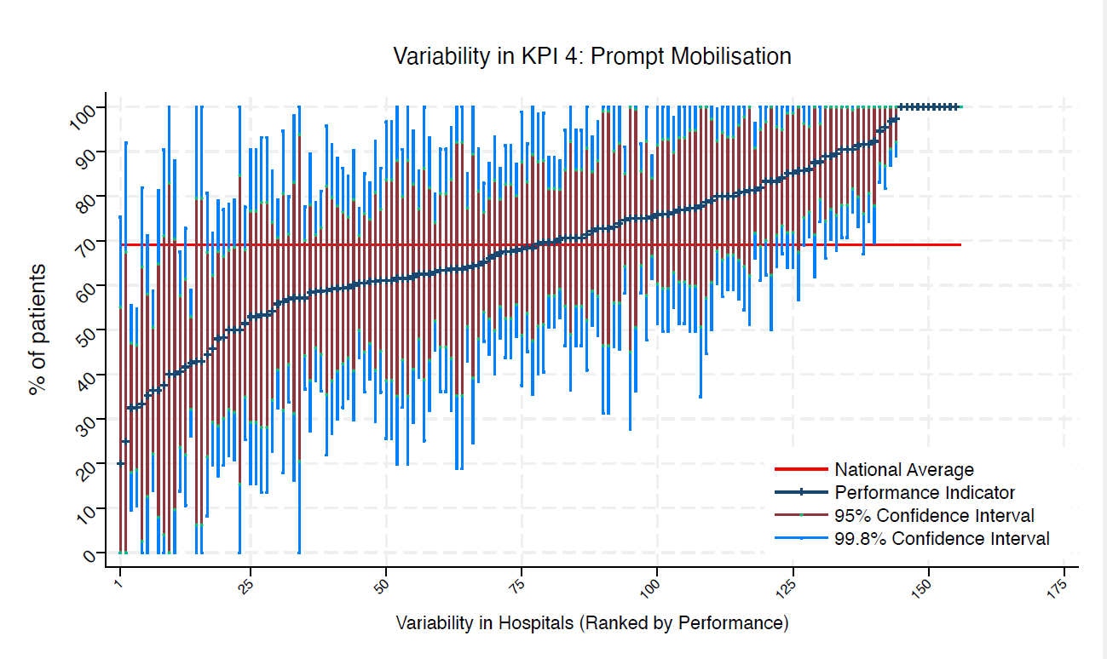
BNT | Barnet General Hospital | 11 | 73 | 69 | 100 | 31 | 99 | 46 | average
BOL | Royal Bolton Hospital | 24 | 75 | 69 | 100 | 48 | 92 | 58 | average
BRD | Bradford Royal Infirmary | 17 | 71 | 69 | 100 | 36 | 92 | 49 | average
BRG | Bronglais General Hospital | 7 | 43 | 69 | 100 | 0 | 80 | 6 | average
BRI | Bristol Royal Infirmary | 16 | 88 | 69 | 100 | 62 | 100 | 71 | average
BRO | Princess Royal University Hospital (Bromley) | 30 | 63 | 69 | 91 | 36 | 81 | 46 | average
BRT | Queens Hospital | 21 | 91 | 69 | 100 | 71 | 100 | 78 | above average
CGH | Conquest Hospital | 56 | 68 | 69 | 87 | 49 | 80 | 56 | average
CHE | Chesterfield Royal | 44 | 84 | 69 | 100 | 67 | 95 | 73 | average
CLW | Glan Clwyd Hospital | 17 | 35 | 69 | 71 | 0 | 58 | 13 | average
CMI | Cumberland Infirmary | 37 | 95 | 69 | 100 | 83 | 100 | 87 | above average
COC | Countess of Chester Hospital | 27 | 89 | 69 | 100 | 70 | 100 | 77 | above average
COL | Colchester General Hospital | 58 | 67 | 69 | 86 | 48 | 79 | 55 | average
CRG | Craigavon Area Hospital | 34 | 71 | 69 | 95 | 46 | 86 | 55 | average
DAR | Darlington Memorial Hospital | * | * | 69 | 100 | 0 | 83 | 0 | average
DER | Royal Derby Hospital | 56 | 57 | 69 | 78 | 37 | 70 | 44 | average
DID | Doncaster Royal Infirmary | 10 | 40 | 69 | 88 | 0 | 70 | 10 | average
DRY | University Hospital of North Durham | 34 | 71 | 69 | 95 | 46 | 86 | 55 | average
EAL | Ealing Hospital | * | * | 69 | 100 | 100 | 100 | 100 | above average
EBH | Birmingham Heartlands Hospital | 40 | 80 | 69 | 100 | 61 | 92 | 68 | average
ENH | East and North Herts Hospital | 32 | 59 | 69 | 86 | 33 | 76 | 42 | average
ESU | East Surrey Hospital | 16 | 56 | 69 | 95 | 18 | 81 | 32 | average
FAZ | University Hospital Aintree | 58 | 59 | 69 | 79 | 39 | 71 | 46 | average
FGH | Furness General | 8 | 38 | 69 | 90 | 0 | 71 | 4 | average
FRM | Frimley Park Hospital | 30 | 50 | 69 | 78 | 22 | 68 | 32 | average
FRY | Southmead Hospital | 44 | 57 | 69 | 80 | 34 | 72 | 42 | average
GEO | St George's Hospital | 18 | 44 | 69 | 81 | 8 | 67 | 22 | average
GLO | Gloucestershire Royal Hospital | 57 | 88 | 69 | 100 | 74 | 96 | 79 | above average
GWE | The Grange University Hospital | 35 | 51 | 69 | 78 | 25 | 68 | 35 | average
GWH | Queen Elizabeth Hospital, Woolwich | 12 | 83 | 69 | 100 | 50 | 100 | 62 | average
GWY | Ysbyty Gwynedd Hospital | 12 | 92 | 69 | 100 | 67 | 100 | 76 | average
HAR | Harrogate District Hospital | 18 | 61 | 69 | 97 | 26 | 84 | 39 | average
HCH | County Hospital Hereford | 18 | 100 | 69 | 100 | 100 | 100 | 100 | above average
HIL | Hillingdon Hospital | * | * | 69 | 75 | 0 | 55 | 0 | average
HOM | Homerton Hospital | 9 | 78 | 69 | 100 | 35 | 100 | 51 | average
HRI | Hull Royal Infirmary | 35 | 80 | 69 | 100 | 59 | 93 | 67 | average
HUD | Huddersfield Royal Infirmary | 36 | 61 | 69 | 86 | 36 | 77 | 45 | average
IOW | St Mary's Hospital, Newport | 9 | 33 | 69 | 82 | 0 | 64 | 3 | average
IPS | The Ipswich Hospital | 33 | 82 | 69 | 100 | 61 | 95 | 69 | average
JPH | James Paget Hospital | 23 | 61 | 69 | 92 | 29 | 81 | 41 | average
KCH | King's College Hospital | 7 | 43 | 69 | 100 | 0 | 80 | 6 | average
KGH | Kettering General Hospital | 24 | 92 | 69 | 100 | 74 | 100 | 81 | above average
KMH | Kings Mill Hospital | 30 | 80 | 69 | 100 | 57 | 94 | 66 | average
KTH | Kingston Hospital | 23 | 74 | 69 | 100 | 46 | 92 | 56 | average
LDH | Luton & Dunstable Hospital | 18 | 61 | 69 | 97 | 26 | 84 | 39 | average
LER | Leicester Royal Infirmary | 67 | 75 | 69 | 91 | 58 | 85 | 64 | average
LEW | University Hospital Lewisham | 14 | 57 | 69 | 98 | 16 | 83 | 31 | average
LGH | Leighton Hospital | 21 | 71 | 69 | 100 | 41 | 91 | 52 | average
LGI | Leeds General Infirmary | 47 | 66 | 69 | 87 | 45 | 80 | 52 | average
LIN | Lincoln County Hospital | 38 | 68 | 69 | 92 | 45 | 83 | 54 | average
MAC | Macclesfield District General Hospital | 8 | 75 | 69 | 100 | 28 | 100 | 45 | average
MAY | Mayday University Hospital | 13 | 62 | 69 | 100 | 20 | 88 | 35 | average
MDW | Medway Maritime Hospital | 12 | 75 | 69 | 100 | 36 | 100 | 51 | average
MKH | Milton Keynes General Hospital | 11 | 73 | 69 | 100 | 31 | 99 | 46 | average
MOR | Morriston Hospital | 38 | 76 | 69 | 98 | 55 | 90 | 63 | average
MPH | Musgrove Park Hospital | 42 | 91 | 69 | 100 | 77 | 99 | 82 | above average
MRI | Manchester Royal Infirmary | 17 | 53 | 69 | 90 | 16 | 77 | 29 | average
NCR | New Cross Hospital | 29 | 48 | 69 | 77 | 20 | 67 | 30 | average
NDD | North Devon District Hospital | 22 | 96 | 69 | 100 | 82 | 100 | 87 | above average
NGS | Northern General Hospital | 37 | 68 | 69 | 91 | 44 | 83 | 53 | average
NHH | North Hampshire Hospital | 43 | 56 | 69 | 79 | 32 | 71 | 41 | average
NMG | North Manchester General Hospital | 14 | 86 | 69 | 100 | 57 | 100 | 67 | average
NMH | North Middlesex Hospital | * | * | 69 | 100 | 100 | 100 | 100 | above average
NOB | Noble's Hospital | * | * | 69 | 100 | 100 | 100 | 100 | above average
NOC | Nuffield Orthopaedic Centre | 40 | 33 | 69 | 55 | 10 | 47 | 18 | under average
NOR | Norfolk and Norwich Hospital | 69 | 65 | 69 | 83 | 47 | 76 | 54 | average
NPH | Northwick Park Hospital | 24 | 58 | 69 | 89 | 27 | 78 | 39 | average
NSE | Northumbria Specialist Emergency Care Hospital | 37 | 100 | 69 | 100 | 100 | 100 | 100 | above average
NTG | University Hospital of North Tees | 24 | 42 | 69 | 73 | 11 | 61 | 22 | average
NTH | Northampton General Hospital | 33 | 73 | 69 | 97 | 49 | 88 | 58 | average
NUH | Ulster Hospital | 35 | 80 | 69 | 100 | 59 | 93 | 67 | average
NUN | George Eliot Hospital | 21 | 62 | 69 | 95 | 29 | 83 | 41 | average
OHM | Royal Oldham Hospital | 22 | 59 | 69 | 92 | 27 | 80 | 39 | average
OLD | Queens Hospital Romford | 16 | 81 | 69 | 100 | 51 | 100 | 62 | average
PAH | Princess Alexandra Hospital | 21 | 91 | 69 | 100 | 71 | 100 | 78 | above average
PCH | Prince Charles Hospital | 7 | 57 | 69 | 100 | 0 | 94 | 21 | average
PEH | Princess Elizabeth Hospital (Guernsey) | 6 | 100 | 69 | 100 | 100 | 100 | 100 | above average
PGH | Poole General Hospital | 93 | 75 | 69 | 89 | 61 | 84 | 67 | average
PIL | Pilgrim Hospital | 25 | 48 | 69 | 79 | 17 | 68 | 28 | average
PIN | Pinderfields General Hospital | 35 | 46 | 69 | 72 | 20 | 62 | 29 | average
PLY | Derriford Hospital | 24 | 70 | 69 | 99 | 41 | 88 | 51 | average
PMS | The Great Western Hospital | 37 | 97 | 69 | 100 | 89 | 100 | 92 | above average
QAP | Queen Alexandra Hospital | 64 | 81 | 69 | 96 | 66 | 91 | 72 | average
QEB | Queen Elizabeth Hospital, Edgbaston | 43 | 33 | 69 | 55 | 11 | 47 | 19 | under average
QEG | Queen Elizabeth Hospital, Gateshead | 17 | 59 | 69 | 96 | 22 | 82 | 35 | average
QEQ | Queen Elizabeth the Queen Mother Hospital | 44 | 36 | 69 | 59 | 14 | 51 | 22 | under average
QKL | Queen Elizabeth Hospital (King's Lynn) | 36 | 83 | 69 | 100 | 64 | 96 | 71 | average
RAD | John Radcliffe Hospital | 27 | 85 | 69 | 100 | 64 | 99 | 72 | average
RBE | Royal Berkshire Hospital | 37 | 60 | 69 | 84 | 35 | 75 | 44 | average
RCH | Royal Cornwall Hospital | 73 | 63 | 69 | 81 | 46 | 74 | 52 | average
RDE | Royal Devon & Exeter Hospital | 42 | 86 | 69 | 100 | 69 | 96 | 75 | average
RFH | Royal Free Hospital | * | * | 69 | 92 | 0 | 67 | 0 | average
RGH | Royal Glamorgan | 14 | 64 | 69 | 100 | 25 | 89 | 39 | average
RLI | Royal Lancaster Infirmary | 29 | 76 | 69 | 100 | 51 | 91 | 60 | average
ROT | Rotherham General Hospital | 25 | 76 | 69 | 100 | 50 | 93 | 59 | average
RPH | Royal Preston Hospital | 56 | 70 | 69 | 89 | 51 | 82 | 58 | average
RSC | Royal Sussex County Hospital | 46 | 59 | 69 | 81 | 36 | 73 | 45 | average
RSS | Royal Shrewsbury Hospital | 32 | 41 | 69 | 68 | 14 | 58 | 24 | under average
RSU | Royal Surrey County Hospital | 30 | 67 | 69 | 93 | 40 | 84 | 50 | average
RUS | Russells Hall Hospital | 26 | 73 | 69 | 100 | 46 | 90 | 56 | average
RVB | Royal Victoria Hospital | 64 | 70 | 69 | 88 | 53 | 82 | 59 | average
RVN | Royal Victoria Infirmary | 28 | 50 | 69 | 79 | 21 | 69 | 32 | average
SAL | Salisbury District Hospital | 25 | 76 | 69 | 100 | 50 | 93 | 59 | average
SAN | Sandwell District Hospital | 8 | 50 | 69 | 100 | 0 | 85 | 15 | average
SCA | Scarborough General Hospital | 27 | 62 | 69 | 91 | 33 | 80 | 43 | average
SCM | James Cook University Hospital | 37 | 68 | 69 | 91 | 44 | 83 | 53 | average
SEH | Southend Hospital | 18 | 89 | 69 | 100 | 66 | 100 | 74 | average
SGH | Southampton General Hospital | 87 | 43 | 69 | 59 | 26 | 53 | 32 | under average
SHH | Stepping Hill Hospital | 30 | 83 | 69 | 100 | 62 | 97 | 70 | average
SLF | Salford Royal | 15 | 53 | 69 | 93 | 14 | 79 | 28 | average
SMV | Stoke Mandeville Hospital | 24 | 54 | 69 | 86 | 23 | 74 | 34 | average
SPH | St Peter's Hospital | 43 | 72 | 69 | 93 | 51 | 86 | 59 | average
STD | South Tyneside District Hospital | * | * | 69 | 100 | 100 | 100 | 100 | above average
STH | St Thomas Hospital | 13 | 62 | 69 | 100 | 20 | 88 | 35 | average
STM | St Marys Hospital, Paddington | 15 | 53 | 69 | 93 | 14 | 79 | 28 | average
STO | University Hospital of North Staffordshire | 50 | 86 | 69 | 100 | 71 | 96 | 76 | above average
STR | St Richards Hospital | 42 | 63 | 69 | 86 | 39 | 77 | 48 | average
SUN | Sunderland Royal Hospital | 31 | 97 | 69 | 100 | 87 | 100 | 91 | above average
TGA | Tameside General Hospital | * | * | 69 | 100 | 100 | 100 | 100 | above average
TLF | Princess Royal Hospital, Telford | 13 | 92 | 69 | 100 | 70 | 100 | 78 | above average
TOR | Torbay Hospital | 38 | 61 | 69 | 85 | 36 | 76 | 45 | average
TUN | Tunbridge Wells Hospital | 50 | 64 | 69 | 85 | 43 | 77 | 51 | average
UCL | University College Hospital | 16 | 63 | 69 | 100 | 25 | 86 | 39 | average
UHC | University Hospital Coventry | 49 | 100 | 69 | 100 | 100 | 100 | 100 | above average
UHN | University Hospital Queens Medical Centre | 56 | 70 | 69 | 89 | 51 | 82 | 58 | average
UHW | University Hospital of Wales | 47 | 61 | 69 | 83 | 39 | 75 | 47 | average
WAR | Warwick Hospital | 29 | 100 | 69 | 100 | 100 | 100 | 100 | above average
WDG | Warrington District General Hospital | 27 | 59 | 69 | 89 | 30 | 78 | 41 | average
WDH | Dorset County Hospital | 24 | 63 | 69 | 93 | 32 | 82 | 43 | average
WES | Chelsea & Westminster Hospital | 17 | 53 | 69 | 90 | 16 | 77 | 29 | average
WEX | Wexham Park Hospital | 22 | 77 | 69 | 100 | 50 | 95 | 60 | average
WGH | Weston General Hospital | 27 | 85 | 69 | 100 | 64 | 99 | 72 | average
WHC | Whipps Cross Hospital | 22 | 64 | 69 | 95 | 32 | 84 | 44 | average
WHH | William Harvey Hospital | 22 | 77 | 69 | 100 | 50 | 95 | 60 | average
WHT | Whittington Hospital | 11 | 36 | 69 | 81 | 0 | 65 | 8 | average
WIR | Arrowe Park Hospital | 30 | 63 | 69 | 91 | 36 | 81 | 46 | average
WMH | Manor Hospital | 19 | 79 | 69 | 100 | 50 | 97 | 61 | average
WMU | West Middlesex University Hospital | 25 | 60 | 69 | 90 | 30 | 79 | 41 | average
WRC | Worcestershire Royal Hospital | 81 | 61 | 69 | 77 | 44 | 71 | 50 | average
WRX | Maelor Hospital | 14 | 79 | 69 | 100 | 45 | 100 | 57 | average
WSH | West Suffolk Hospital | 26 | 77 | 69 | 100 | 51 | 93 | 61 | average
WWG | West Wales General | 24 | 69 | 69 | 98 | 40 | 88 | 51 | average
WYB | Withybush General Hospital | * | * | 69 | 100 |  | 100 |  | above average
WYT | Wythenshawe Hospital | 19 | 68 | 69 | 100 | 36 | 89 | 48 | average
YDH | York District Hospital | 22 | 68 | 69 | 99 | 38 | 88 | 49 | average
YEO | Yeovil District Hospital | 19 | 90 | 69 | 100 | 68 | 100 | 76 | average

KPI5
NHFD 2026 annual report PPFF KPI

Site code | Site name | sample size | performance indicator (%) | target performance (%) | upper 99.8% confidence interval | lower 99.8% confidence interval | upper 95% confidence interval | lower 95% confidence interval | performance 99.8%
ADD | Addenbrooke's Hospital | 26 | 85 | 61 | 100 | 63 | 99 | 71 | above average
AEI | Royal Albert Edward Infirmary | 26 | 73 | 61 | 100 | 46 | 90 | 56 | average
AIR | Airedale General Hospital | 11 | 73 | 61 | 100 | 31 | 99 | 46 | average
ALT | Altnagelvin Hospital | 23 | 26 | 61 | 54 | 0 | 44 | 8 | under average
BAR | Barnsley District General Hospital | 11 | 82 | 61 | 100 | 46 | 100 | 59 | average
BAS | Basildon Hospital | 21 | 76 | 61 | 100 | 48 | 94 | 58 | average
BAT | Royal United Hospital Bath | 64 | 9 | 61 | 21 | 0 | 17 | 2 | under average
BED | Bedford Hospital | 32 | 6 | 61 | 20 | 0 | 15 | 0 | under average
BFH | Broomfield Chelmsford | 34 | 82 | 61 | 100 | 62 | 95 | 70 | above average
BLA | Royal Blackburn Hospital | 28 | 82 | 61 | 100 | 60 | 96 | 68 | average
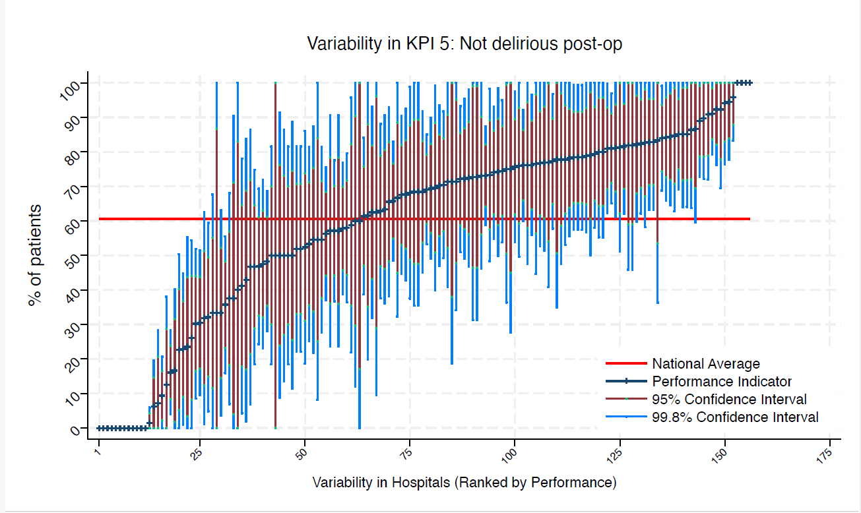
BNT | Barnet General Hospital | 11 | 82 | 61 | 100 | 46 | 100 | 59 | average
BOL | Royal Bolton Hospital | 24 | 50 | 61 | 82 | 19 | 70 | 30 | average
BRD | Bradford Royal Infirmary | 17 | 41 | 61 | 78 | 4 | 65 | 18 | average
BRG | Bronglais General Hospital | 7 | 100 | 61 | 100 | 100 | 100 | 100 | above average
BRI | Bristol Royal Infirmary | 16 | 81 | 61 | 100 | 51 | 100 | 62 | average
BRO | Princess Royal University Hospital (Bromley) | 30 | 0 | 61 | 0 | 0 | 0 | 0 | under average
BRT | Queens Hospital | 21 | 52 | 61 | 86 | 19 | 74 | 31 | average
CGH | Conquest Hospital | 56 | 91 | 61 | 100 | 79 | 99 | 84 | above average
CHE | Chesterfield Royal | 44 | 71 | 61 | 92 | 49 | 84 | 57 | average
CLW | Glan Clwyd Hospital | 17 | 94 | 61 | 100 | 77 | 100 | 83 | above average
CMI | Cumberland Infirmary | 37 | 78 | 61 | 99 | 58 | 92 | 65 | average
COC | Countess of Chester Hospital | 27 | 85 | 61 | 100 | 64 | 99 | 72 | above average
COL | Colchester General Hospital | 58 | 81 | 61 | 97 | 65 | 91 | 71 | above average
CRG | Craigavon Area Hospital | 34 | 68 | 61 | 92 | 43 | 83 | 52 | average
DAR | Darlington Memorial Hospital | * | * | 61 | 100 | 0 | 83 | 0 | average
DER | Royal Derby Hospital | 56 | 36 | 61 | 56 | 16 | 48 | 23 | under average
DID | Doncaster Royal Infirmary | 10 | 60 | 61 | 100 | 12 | 90 | 30 | average
DRY | University Hospital of North Durham | 34 | 79 | 61 | 100 | 58 | 93 | 66 | average
EAL | Ealing Hospital | * | * | 61 | 100 | 0 | 100 | 0 | average
EBH | Birmingham Heartlands Hospital | 40 | 68 | 61 | 90 | 45 | 82 | 53 | average
ENH | East and North Herts Hospital | 32 | 84 | 61 | 100 | 65 | 97 | 72 | above average
ESU | East Surrey Hospital | 16 | 13 | 61 | 38 | 0 | 29 | 0 | under average
FAZ | University Hospital Aintree | 58 | 48 | 61 | 69 | 28 | 61 | 35 | average
FGH | Furness General | 8 | 63 | 61 | 100 | 10 | 96 | 29 | average
FRM | Frimley Park Hospital | 30 | 73 | 61 | 98 | 48 | 89 | 58 | average
FRY | Southmead Hospital | 44 | 77 | 61 | 97 | 58 | 90 | 65 | average
GEO | St George's Hospital | 18 | 67 | 61 | 100 | 32 | 88 | 45 | average
GLO | Gloucestershire Royal Hospital | 57 | 0 | 61 | 0 | 0 | 0 | 0 | under average
GWE | The Grange University Hospital | 35 | 83 | 61 | 100 | 63 | 95 | 70 | above average
GWH | Queen Elizabeth Hospital, Woolwich | 12 | 75 | 61 | 100 | 36 | 100 | 51 | average
GWY | Ysbyty Gwynedd Hospital | 12 | 100 | 61 | 100 | 100 | 100 | 100 | above average
HAR | Harrogate District Hospital | 18 | 50 | 61 | 86 | 14 | 73 | 27 | average
HCH | County Hospital Hereford | 18 | 78 | 61 | 100 | 48 | 97 | 59 | average
HIL | Hillingdon Hospital | * | * | 61 | 100 | 0 | 100 | 17 | average
HOM | Homerton Hospital | 9 | 78 | 61 | 100 | 35 | 100 | 51 | average
HRI | Hull Royal Infirmary | 35 | 63 | 61 | 88 | 38 | 79 | 47 | average
HUD | Huddersfield Royal Infirmary | 36 | 72 | 61 | 95 | 49 | 87 | 58 | average
IOW | St Mary's Hospital, Newport | 9 | 0 | 61 | 0 | 0 | 0 | 0 | under average
IPS | The Ipswich Hospital | 33 | 55 | 61 | 81 | 28 | 72 | 38 | average
JPH | James Paget Hospital | 23 | 83 | 61 | 100 | 58 | 98 | 67 | average
KCH | King's College Hospital | 7 | 71 | 61 | 100 | 19 | 100 | 38 | average
KGH | Kettering General Hospital | 24 | 63 | 61 | 93 | 32 | 82 | 43 | average
KMH | Kings Mill Hospital | 30 | 47 | 61 | 75 | 19 | 65 | 29 | average
KTH | Kingston Hospital | 23 | 70 | 61 | 99 | 40 | 88 | 51 | average
LDH | Luton & Dunstable Hospital | 18 | 33 | 61 | 68 | 0 | 55 | 12 | average
LER | Leicester Royal Infirmary | 67 | 76 | 61 | 92 | 60 | 86 | 66 | average
LEW | University Hospital Lewisham | 14 | 50 | 61 | 91 | 9 | 76 | 24 | average
LGH | Leighton Hospital | 21 | 57 | 61 | 91 | 24 | 78 | 36 | average
LGI | Leeds General Infirmary | 47 | 85 | 61 | 100 | 69 | 95 | 75 | above average
LIN | Lincoln County Hospital | 38 | 82 | 61 | 100 | 62 | 94 | 69 | above average
MAC | Macclesfield District General Hospital | 8 | 38 | 61 | 90 | 0 | 71 | 4 | average
MAY | Mayday University Hospital | 13 | 77 | 61 | 100 | 41 | 100 | 54 | average
MDW | Medway Maritime Hospital | 12 | 0 | 61 | 0 | 0 | 0 | 0 | under average
MKH | Milton Keynes General Hospital | 11 | 55 | 61 | 100 | 8 | 84 | 25 | average
MOR | Morriston Hospital | 38 | 84 | 61 | 100 | 66 | 96 | 73 | above average
MPH | Musgrove Park Hospital | 42 | 76 | 61 | 97 | 56 | 89 | 63 | average
MRI | Manchester Royal Infirmary | 17 | 24 | 61 | 55 | 0 | 44 | 3 | under average
NCR | New Cross Hospital | 29 | 90 | 61 | 100 | 72 | 100 | 79 | above average
NDD | North Devon District Hospital | 22 | 32 | 61 | 63 | 1 | 51 | 12 | average
NGS | Northern General Hospital | 37 | 70 | 61 | 94 | 47 | 85 | 56 | average
NHH | North Hampshire Hospital | 43 | 74 | 61 | 95 | 54 | 88 | 61 | average
NMG | North Manchester General Hospital | 14 | 71 | 61 | 100 | 34 | 95 | 48 | average
NMH | North Middlesex Hospital | * | * | 61 | 100 | 0 | 87 | 0 | average
NOB | Noble's Hospital | * | * | 61 | 0 | 0 | 0 | 0 | under average
NOC | Nuffield Orthopaedic Centre | 40 | 48 | 61 | 72 | 23 | 63 | 32 | average
NOR | Norfolk and Norwich Hospital | 69 | 1 | 61 | 6 | 0 | 4 | 0 | under average
NPH | Northwick Park Hospital | 24 | 33 | 61 | 63 | 4 | 52 | 15 | average
NSE | Northumbria Specialist Emergency Care Hospital | 37 | 81 | 61 | 100 | 61 | 94 | 69 | above average
NTG | University Hospital of North Tees | 24 | 17 | 61 | 40 | 0 | 32 | 2 | under average
NTH | Northampton General Hospital | 33 | 79 | 61 | 100 | 57 | 93 | 65 | average
NUH | Ulster Hospital | 35 | 23 | 61 | 45 | 1 | 37 | 9 | under average
NUN | George Eliot Hospital | 21 | 71 | 61 | 100 | 41 | 91 | 52 | average
OHM | Royal Oldham Hospital | 22 | 68 | 61 | 99 | 38 | 88 | 49 | average
OLD | Queens Hospital Romford | 16 | 0 | 61 | 0 | 0 | 0 | 0 | under average
PAH | Princess Alexandra Hospital | 21 | 57 | 61 | 91 | 24 | 78 | 36 | average
PCH | Prince Charles Hospital | 7 | 0 | 61 | 0 | 0 | 0 | 0 | under average
PEH | Princess Elizabeth Hospital (Guernsey) | 6 | 83 | 61 | 100 | 36 | 100 | 54 | average
PGH | Poole General Hospital | 93 | 73 | 61 | 87 | 59 | 82 | 64 | average
PIL | Pilgrim Hospital | 25 | 80 | 61 | 100 | 55 | 96 | 64 | average
PIN | Pinderfields General Hospital | 35 | 83 | 61 | 100 | 63 | 95 | 70 | above average
PLY | Derriford Hospital | 24 | 50 | 61 | 82 | 19 | 70 | 30 | average
PMS | The Great Western Hospital | 37 | 76 | 61 | 98 | 54 | 90 | 62 | average
QAP | Queen Alexandra Hospital | 64 | 58 | 61 | 77 | 39 | 70 | 46 | average
QEB | Queen Elizabeth Hospital, Edgbaston | 43 | 30 | 61 | 52 | 9 | 44 | 17 | under average
QEG | Queen Elizabeth Hospital, Gateshead | 17 | 77 | 61 | 100 | 45 | 97 | 56 | average
QEQ | Queen Elizabeth the Queen Mother Hospital | 44 | 61 | 61 | 84 | 39 | 76 | 47 | average
QKL | Queen Elizabeth Hospital (King's Lynn) | 36 | 89 | 61 | 100 | 73 | 99 | 79 | above average
RAD | John Radcliffe Hospital | 27 | 52 | 61 | 82 | 22 | 71 | 33 | average
RBE | Royal Berkshire Hospital | 37 | 78 | 61 | 99 | 58 | 92 | 65 | average
RCH | Royal Cornwall Hospital | 73 | 66 | 61 | 83 | 49 | 77 | 55 | average
RDE | Royal Devon & Exeter Hospital | 42 | 81 | 61 | 100 | 62 | 93 | 69 | above average
RFH | Royal Free Hospital | * | * | 61 | 0 | 0 | 0 | 0 | under average
RGH | Royal Glamorgan | 14 | 7 | 61 | 28 | 0 | 21 | 0 | under average
RLI | Royal Lancaster Infirmary | 29 | 66 | 61 | 93 | 38 | 83 | 48 | average
ROT | Rotherham General Hospital | 25 | 100 | 61 | 100 | 100 | 100 | 100 | above average
RPH | Royal Preston Hospital | 56 | 84 | 61 | 99 | 69 | 94 | 74 | above average
RSC | Royal Sussex County Hospital | 46 | 30 | 61 | 51 | 10 | 44 | 17 | under average
RSS | Royal Shrewsbury Hospital | 32 | 78 | 61 | 100 | 56 | 92 | 64 | average
RSU | Royal Surrey County Hospital | 30 | 53 | 61 | 82 | 25 | 71 | 36 | average
RUS | Russells Hall Hospital | 26 | 77 | 61 | 100 | 51 | 93 | 61 | average
RVB | Royal Victoria Hospital | 64 | 56 | 61 | 75 | 37 | 68 | 44 | average
RVN | Royal Victoria Infirmary | 28 | 32 | 61 | 59 | 5 | 49 | 15 | under average
SAL | Salisbury District Hospital | 25 | 80 | 61 | 100 | 55 | 96 | 64 | average
SAN | Sandwell District Hospital | 8 | 75 | 61 | 100 | 28 | 100 | 45 | average
SCA | Scarborough General Hospital | 27 | 52 | 61 | 82 | 22 | 71 | 33 | average
SCM | James Cook University Hospital | 37 | 78 | 61 | 99 | 58 | 92 | 65 | average
SEH | Southend Hospital | 18 | 94 | 61 | 100 | 78 | 100 | 84 | above average
SGH | Southampton General Hospital | 87 | 16 | 61 | 28 | 4 | 24 | 8 | under average
SHH | Stepping Hill Hospital | 30 | 63 | 61 | 91 | 36 | 81 | 46 | average
SLF | Salford Royal | 15 | 87 | 61 | 100 | 60 | 100 | 70 | average
SMV | Stoke Mandeville Hospital | 24 | 96 | 61 | 100 | 83 | 100 | 88 | above average
SPH | St Peter's Hospital | 43 | 72 | 61 | 93 | 51 | 86 | 59 | average
STD | South Tyneside District Hospital | * | * | 61 | 0 | 0 | 0 | 0 | under average
STH | St Thomas Hospital | 13 | 62 | 61 | 100 | 20 | 88 | 35 | average
STM | St Marys Hospital, Paddington | 15 | 47 | 61 | 87 | 7 | 72 | 21 | average
STO | University Hospital of North Staffordshire | 50 | 74 | 61 | 93 | 55 | 86 | 62 | average
STR | St Richards Hospital | 42 | 0 | 61 | 0 | 0 | 0 | 0 | under average
SUN | Sunderland Royal Hospital | 31 | 74 | 61 | 99 | 50 | 90 | 59 | average
TGA | Tameside General Hospital | * | * | 61 | 100 | 100 | 100 | 100 | above average
TLF | Princess Royal Hospital, Telford | 13 | 92 | 61 | 100 | 70 | 100 | 78 | above average
TOR | Torbay Hospital | 38 | 68 | 61 | 92 | 45 | 83 | 54 | average
TUN | Tunbridge Wells Hospital | 50 | 58 | 61 | 80 | 36 | 72 | 44 | average
UCL | University College Hospital | 16 | 50 | 61 | 89 | 11 | 75 | 26 | average
UHC | University Hospital Coventry | 49 | 69 | 61 | 90 | 49 | 82 | 57 | average
UHN | University Hospital Queens Medical Centre | 56 | 57 | 61 | 78 | 37 | 70 | 44 | average
UHW | University Hospital of Wales | 47 | 47 | 61 | 69 | 24 | 61 | 33 | average
WAR | Warwick Hospital | 29 | 72 | 61 | 98 | 47 | 89 | 56 | average
WDG | Warrington District General Hospital | 27 | 85 | 61 | 100 | 64 | 99 | 72 | above average
WDH | Dorset County Hospital | 24 | 38 | 61 | 68 | 7 | 57 | 18 | average
WES | Chelsea & Westminster Hospital | 17 | 59 | 61 | 96 | 22 | 82 | 35 | average
WEX | Wexham Park Hospital | 22 | 91 | 61 | 100 | 72 | 100 | 79 | above average
WGH | Weston General Hospital | 27 | 78 | 61 | 100 | 53 | 94 | 62 | average
WHC | Whipps Cross Hospital | 22 | 23 | 61 | 50 | 0 | 40 | 5 | under average
WHH | William Harvey Hospital | 22 | 86 | 61 | 100 | 64 | 100 | 72 | above average
WHT | Whittington Hospital | 11 | 73 | 61 | 100 | 31 | 99 | 46 | average
WIR | Arrowe Park Hospital | 30 | 77 | 61 | 100 | 53 | 92 | 62 | average
WMH | Manor Hospital | 19 | 68 | 61 | 100 | 36 | 89 | 48 | average
WMU | West Middlesex University Hospital | 25 | 76 | 61 | 100 | 50 | 93 | 59 | average
WRC | Worcestershire Royal Hospital | 81 | 69 | 61 | 85 | 53 | 79 | 59 | average
WRX | Maelor Hospital | 14 | 43 | 61 | 84 | 2 | 69 | 17 | average
WSH | West Suffolk Hospital | 26 | 92 | 61 | 100 | 76 | 100 | 82 | above average
WWG | West Wales General | 24 | 0 | 61 | 0 | 0 | 0 | 0 | under average
WYB | Withybush General Hospital | * | * | 61 | 0 | 0 | 0 | 0 | under average
WYT | Wythenshawe Hospital | 19 | 79 | 61 | 100 | 50 | 97 | 61 | average
YDH | York District Hospital | 22 | 55 | 61 | 87 | 22 | 75 | 34 | average
YEO | Yeovil District Hospital | 19 | 68 | 61 | 100 | 36 | 89 | 48 | average

KPI6
NHFD 2026 annual report PPFF KPI

Site code | Site name | sample size | performance indicator (%) | target performance (%) | upper 99.8% confidence interval | lower 99.8% confidence interval | upper 95% confidence interval | lower 95% confidence interval | performance 99.8%
ADD | Addenbrooke's Hospital | 27 | 59 | 72 | 89 | 30 | 78 | 41 | average
AEI | Royal Albert Edward Infirmary | 34 | 65 | 72 | 90 | 39 | 81 | 49 | average
AIR | Airedale General Hospital | 16 | 63 | 72 | 100 | 25 | 86 | 39 | average
ALT | Altnagelvin Hospital | 25 | 76 | 72 | 100 | 50 | 93 | 59 | average
BAR | Barnsley District General Hospital | 15 | 87 | 72 | 100 | 60 | 100 | 70 | average
BAS | Basildon Hospital | 22 | 86 | 72 | 100 | 64 | 100 | 72 | average
BAT | Royal United Hospital Bath | 88 | 84 | 72 | 96 | 72 | 92 | 76 | average
BED | Bedford Hospital | 37 | 84 | 72 | 100 | 65 | 96 | 72 | average
BFH | Broomfield Chelmsford | 34 | 74 | 72 | 97 | 50 | 88 | 59 | average
BLA | Royal Blackburn Hospital | 33 | 82 | 72 | 100 | 61 | 95 | 69 | average
BNT | Barnet General Hospital | 13 | 31 | 72 | 70 | 0 | 56 | 6 | under average
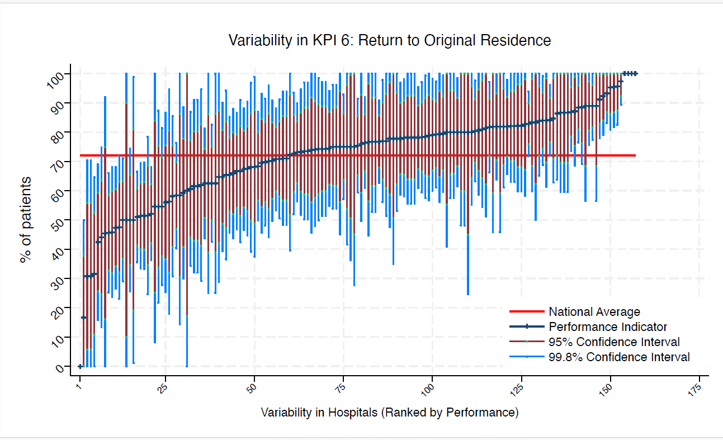
BOL | Royal Bolton Hospital | 26 | 62 | 72 | 91 | 32 | 80 | 43 | average
BRD | Bradford Royal Infirmary | 23 | 83 | 72 | 100 | 58 | 98 | 67 | average
BRG | Bronglais General Hospital | 10 | 80 | 72 | 100 | 41 | 100 | 55 | average
BRI | Bristol Royal Infirmary | 20 | 75 | 72 | 100 | 45 | 94 | 56 | average
BRO | Princess Royal University Hospital (Bromley) | 33 | 52 | 72 | 78 | 25 | 69 | 35 | average
BRT | Queens Hospital | 21 | 95 | 72 | 100 | 81 | 100 | 86 | above average
CGH | Conquest Hospital | 60 | 68 | 72 | 87 | 50 | 80 | 57 | average
CHE | Chesterfield Royal | 45 | 78 | 72 | 97 | 59 | 90 | 66 | average
CLW | Glan Clwyd Hospital | 22 | 68 | 72 | 99 | 38 | 88 | 49 | average
CMI | Cumberland Infirmary | 43 | 79 | 72 | 98 | 60 | 91 | 67 | average
COC | Countess of Chester Hospital | 34 | 74 | 72 | 97 | 50 | 88 | 59 | average
COL | Colchester General Hospital | 69 | 88 | 72 | 100 | 77 | 96 | 81 | above average
CRG | Craigavon Area Hospital | 43 | 70 | 72 | 91 | 48 | 84 | 56 | average
DAR | Darlington Memorial Hospital | 11 | 46 | 72 | 92 | 0 | 75 | 16 | average
DER | Royal Derby Hospital | 56 | 63 | 72 | 83 | 43 | 75 | 50 | average
DID | Doncaster Royal Infirmary | 11 | 82 | 72 | 100 | 46 | 100 | 59 | average
DRY | University Hospital of North Durham | 39 | 80 | 72 | 100 | 60 | 92 | 67 | average
EAL | Ealing Hospital | 9 | 100 | 72 | 100 | 100 | 100 | 100 | above average
EBH | Birmingham Heartlands Hospital | 64 | 63 | 72 | 81 | 44 | 74 | 51 | average
ENH | East and North Herts Hospital | 38 | 71 | 72 | 94 | 48 | 86 | 57 | average
ESU | East Surrey Hospital | 16 | 63 | 72 | 100 | 25 | 86 | 39 | average
FAZ | University Hospital Aintree | 72 | 58 | 72 | 76 | 40 | 70 | 47 | average
FGH | Furness General | 9 | 78 | 72 | 100 | 35 | 100 | 51 | average
FRM | Frimley Park Hospital | 41 | 78 | 72 | 98 | 58 | 91 | 65 | average
FRY | Southmead Hospital | 56 | 75 | 72 | 93 | 57 | 86 | 64 | average
GEO | St George's Hospital | 25 | 68 | 72 | 97 | 39 | 86 | 50 | average
GLO | Gloucestershire Royal Hospital | 69 | 75 | 72 | 91 | 59 | 86 | 65 | average
GWE | The Grange University Hospital | 47 | 75 | 72 | 94 | 55 | 87 | 62 | average
GWH | Queen Elizabeth Hospital, Woolwich | 15 | 80 | 72 | 100 | 48 | 100 | 60 | average
GWY | Ysbyty Gwynedd Hospital | 12 | 83 | 72 | 100 | 50 | 100 | 62 | average
HAR | Harrogate District Hospital | 21 | 81 | 72 | 100 | 55 | 98 | 64 | average
HCH | County Hospital Hereford | 27 | 74 | 72 | 100 | 48 | 91 | 58 | average
HIL | Hillingdon Hospital | * | * | 72 | 100 | 25 | 100 | 45 | average
HOM | Homerton Hospital | 12 | 75 | 72 | 100 | 36 | 100 | 51 | average
HOR | Horton General Hospital | * | * | 72 | 100 | 100 | 100 | 100 | above average
HRI | Hull Royal Infirmary | 55 | 82 | 72 | 98 | 66 | 92 | 72 | average
HUD | Huddersfield Royal Infirmary | 48 | 71 | 72 | 91 | 51 | 84 | 58 | average
IOW | St Mary's Hospital, Newport | 13 | 31 | 72 | 70 | 0 | 56 | 6 | under average
IPS | The Ipswich Hospital | 51 | 80 | 72 | 98 | 63 | 91 | 70 | average
JPH | James Paget Hospital | 32 | 78 | 72 | 100 | 56 | 92 | 64 | average
KCH | King's College Hospital | 8 | 75 | 72 | 100 | 28 | 100 | 45 | average
KGH | Kettering General Hospital | 33 | 61 | 72 | 87 | 34 | 77 | 44 | average
KMH | Kings Mill Hospital | 35 | 74 | 72 | 97 | 52 | 89 | 60 | average
KTH | Kingston Hospital | 32 | 78 | 72 | 100 | 56 | 92 | 64 | average
LDH | Luton & Dunstable Hospital | 22 | 55 | 72 | 87 | 22 | 75 | 34 | average
LER | Leicester Royal Infirmary | 72 | 89 | 72 | 100 | 77 | 96 | 82 | above average
LEW | University Hospital Lewisham | 23 | 96 | 72 | 100 | 83 | 100 | 87 | above average
LGH | Leighton Hospital | 26 | 65 | 72 | 94 | 37 | 84 | 47 | average
LGI | Leeds General Infirmary | 54 | 67 | 72 | 87 | 47 | 79 | 54 | average
LIN | Lincoln County Hospital | 40 | 50 | 72 | 74 | 26 | 66 | 35 | average
MAC | Macclesfield District General Hospital | 10 | 50 | 72 | 99 | 1 | 81 | 19 | average
MAY | Mayday University Hospital | 17 | 65 | 72 | 100 | 29 | 87 | 42 | average
MDW | Medway Maritime Hospital | 12 | 58 | 72 | 100 | 14 | 86 | 30 | average
MKH | Milton Keynes General Hospital | 15 | 80 | 72 | 100 | 48 | 100 | 60 | average
MOR | Morriston Hospital | 47 | 70 | 72 | 91 | 50 | 83 | 57 | average
MPH | Musgrove Park Hospital | 59 | 93 | 72 | 100 | 83 | 100 | 87 | above average
MRI | Manchester Royal Infirmary | 18 | 72 | 72 | 100 | 40 | 93 | 52 | average
NCR | New Cross Hospital | 39 | 77 | 72 | 98 | 56 | 90 | 64 | average
NDD | North Devon District Hospital | 24 | 83 | 72 | 100 | 60 | 98 | 68 | average
NGS | Northern General Hospital | 45 | 80 | 72 | 98 | 62 | 92 | 68 | average
NHH | North Hampshire Hospital | 49 | 67 | 72 | 88 | 47 | 81 | 54 | average
NMG | North Manchester General Hospital | 19 | 32 | 72 | 65 | 0 | 53 | 11 | under average
NMH | North Middlesex Hospital | * | * | 72 | 100 | 0 | 100 | 17 | average
NOB | Noble's Hospital | * | * | 72 | 100 | 100 | 100 | 100 | above average
NOC | Nuffield Orthopaedic Centre | 40 | 48 | 72 | 72 | 23 | 63 | 32 | under average
NOR | Norfolk and Norwich Hospital | 74 | 51 | 72 | 69 | 33 | 63 | 40 | under average
NPH | Northwick Park Hospital | 28 | 82 | 72 | 100 | 60 | 96 | 68 | average
NSE | Northumbria Specialist Emergency Care Hospital | 39 | 82 | 72 | 100 | 63 | 94 | 70 | average
NTG | University Hospital of North Tees | 29 | 79 | 72 | 100 | 56 | 94 | 65 | average
NTH | Northampton General Hospital | 40 | 68 | 72 | 90 | 45 | 82 | 53 | average
NUH | Ulster Hospital | 40 | 75 | 72 | 96 | 54 | 88 | 62 | average
NUN | George Eliot Hospital | 26 | 89 | 72 | 100 | 69 | 100 | 76 | average
OHM | Royal Oldham Hospital | 27 | 78 | 72 | 100 | 53 | 94 | 62 | average
OLD | Queens Hospital Romford | 17 | 77 | 72 | 100 | 45 | 97 | 56 | average
PAH | Princess Alexandra Hospital | 32 | 78 | 72 | 100 | 56 | 92 | 64 | average
PCH | Prince Charles Hospital | 11 | 55 | 72 | 100 | 8 | 84 | 25 | average
PEH | Princess Elizabeth Hospital (Guernsey) | 6 | 100 | 72 | 100 | 100 | 100 | 100 | above average
PGH | Poole General Hospital | 111 | 83 | 72 | 94 | 72 | 90 | 76 | average
PIL | Pilgrim Hospital | 31 | 58 | 72 | 86 | 31 | 75 | 41 | average
PIN | Pinderfields General Hospital | 44 | 73 | 72 | 94 | 52 | 86 | 60 | average
PLY | Derriford Hospital | 31 | 81 | 72 | 100 | 59 | 95 | 67 | average
PMS | The Great Western Hospital | 44 | 66 | 72 | 88 | 44 | 80 | 52 | average
QAP | Queen Alexandra Hospital | 67 | 73 | 72 | 90 | 56 | 84 | 63 | average
QEB | Queen Elizabeth Hospital, Edgbaston | 55 | 66 | 72 | 85 | 46 | 78 | 53 | average
QEG | Queen Elizabeth Hospital, Gateshead | 23 | 74 | 72 | 100 | 46 | 92 | 56 | average
QEQ | Queen Elizabeth the Queen Mother Hospital | 60 | 82 | 72 | 97 | 66 | 92 | 72 | average
QKL | Queen Elizabeth Hospital (King's Lynn) | 39 | 82 | 72 | 100 | 63 | 94 | 70 | average
RAD | John Radcliffe Hospital | 36 | 67 | 72 | 91 | 42 | 82 | 51 | average
RBE | Royal Berkshire Hospital | 48 | 79 | 72 | 97 | 61 | 91 | 68 | average
RCH | Royal Cornwall Hospital | 86 | 77 | 72 | 91 | 63 | 86 | 68 | average
RDE | Royal Devon & Exeter Hospital | 45 | 91 | 72 | 100 | 78 | 99 | 83 | above average
RFH | Royal Free Hospital | * | * | 72 | 0 | 0 | 0 | 0 | under average
RGH | Royal Glamorgan | 15 | 87 | 72 | 100 | 60 | 100 | 70 | average
RLI | Royal Lancaster Infirmary | 30 | 77 | 72 | 100 | 53 | 92 | 62 | average
ROT | Rotherham General Hospital | 25 | 56 | 72 | 87 | 25 | 76 | 37 | average
RPH | Royal Preston Hospital | 56 | 84 | 72 | 99 | 69 | 94 | 74 | average
RSC | Royal Sussex County Hospital | 55 | 47 | 72 | 68 | 27 | 61 | 34 | under average
RSS | Royal Shrewsbury Hospital | 48 | 46 | 72 | 68 | 24 | 60 | 32 | under average
RSU | Royal Surrey County Hospital | 40 | 75 | 72 | 96 | 54 | 88 | 62 | average
RUS | Russells Hall Hospital | 39 | 92 | 72 | 100 | 79 | 100 | 84 | above average
RVB | Royal Victoria Hospital | 72 | 51 | 72 | 70 | 33 | 63 | 40 | under average
RVN | Royal Victoria Infirmary | 33 | 42 | 72 | 69 | 16 | 59 | 26 | under average
SAL | Salisbury District Hospital | 28 | 82 | 72 | 100 | 60 | 96 | 68 | average
SAN | Sandwell District Hospital | 9 | 89 | 72 | 100 | 57 | 100 | 68 | average
SCA | Scarborough General Hospital | 30 | 70 | 72 | 96 | 44 | 86 | 54 | average
SCM | James Cook University Hospital | 46 | 78 | 72 | 97 | 60 | 90 | 66 | average
SEH | Southend Hospital | 25 | 80 | 72 | 100 | 55 | 96 | 64 | average
SGH | Southampton General Hospital | 100 | 51 | 72 | 66 | 36 | 61 | 41 | under average
SHH | Stepping Hill Hospital | 33 | 55 | 72 | 81 | 28 | 72 | 38 | average
SLF | Salford Royal | 16 | 75 | 72 | 100 | 42 | 96 | 54 | average
SMV | Stoke Mandeville Hospital | 30 | 80 | 72 | 100 | 57 | 94 | 66 | average
SPH | St Peter's Hospital | 54 | 50 | 72 | 71 | 29 | 63 | 37 | under average
STD | South Tyneside District Hospital | 6 | 50 | 72 | 100 | 0 | 90 | 10 | average
STH | St Thomas Hospital | 15 | 87 | 72 | 100 | 60 | 100 | 70 | average
STM | St Marys Hospital, Paddington | 16 | 56 | 72 | 95 | 18 | 81 | 32 | average
STO | University Hospital of North Staffordshire | 65 | 71 | 72 | 88 | 53 | 82 | 60 | average
STR | St Richards Hospital | 55 | 78 | 72 | 95 | 61 | 89 | 67 | average
SUN | Sunderland Royal Hospital | 38 | 97 | 72 | 100 | 89 | 100 | 92 | above average
TGA | Tameside General Hospital | 9 | 89 | 72 | 100 | 57 | 100 | 68 | average
TLF | Princess Royal Hospital, Telford | 21 | 62 | 72 | 95 | 29 | 83 | 41 | average
TOR | Torbay Hospital | 44 | 82 | 72 | 100 | 64 | 93 | 70 | average
TUN | Tunbridge Wells Hospital | 57 | 46 | 72 | 66 | 25 | 59 | 33 | under average
UCL | University College Hospital | 18 | 78 | 72 | 100 | 48 | 97 | 59 | average
UHC | University Hospital Coventry | 54 | 89 | 72 | 100 | 76 | 97 | 81 | above average
UHN | University Hospital Queens Medical Centre | 72 | 76 | 72 | 92 | 61 | 86 | 67 | average
UHW | University Hospital of Wales | 61 | 87 | 72 | 100 | 74 | 95 | 78 | above average
WAR | Warwick Hospital | 38 | 71 | 72 | 94 | 48 | 86 | 57 | average
WDG | Warrington District General Hospital | 37 | 78 | 72 | 99 | 58 | 92 | 65 | average
WDH | Dorset County Hospital | 26 | 62 | 72 | 91 | 32 | 80 | 43 | average
WES | Chelsea & Westminster Hospital | 25 | 84 | 72 | 100 | 61 | 98 | 70 | average
WEX | Wexham Park Hospital | 41 | 73 | 72 | 95 | 52 | 87 | 60 | average
WGH | Weston General Hospital | 31 | 74 | 72 | 99 | 50 | 90 | 59 | average
WHC | Whipps Cross Hospital | 30 | 80 | 72 | 100 | 57 | 94 | 66 | average
WHH | William Harvey Hospital | 35 | 74 | 72 | 97 | 52 | 89 | 60 | average
WHT | Whittington Hospital | 11 | 82 | 72 | 100 | 46 | 100 | 59 | average
WIR | Arrowe Park Hospital | 36 | 69 | 72 | 93 | 46 | 85 | 54 | average
WMH | Manor Hospital | 22 | 96 | 72 | 100 | 82 | 100 | 87 | above average
WMU | West Middlesex University Hospital | 33 | 79 | 72 | 100 | 57 | 93 | 65 | average
WRC | Worcestershire Royal Hospital | 94 | 52 | 72 | 68 | 36 | 62 | 42 | under average
WRX | Maelor Hospital | 16 | 81 | 72 | 100 | 51 | 100 | 62 | average
WSH | West Suffolk Hospital | 30 | 77 | 72 | 100 | 53 | 92 | 62 | average
WWG | West Wales General | 25 | 44 | 72 | 75 | 13 | 64 | 25 | average
WYB | Withybush General Hospital | 12 | 17 | 72 | 50 | 0 | 38 | 0 | under average
WYT | Wythenshawe Hospital | 26 | 77 | 72 | 100 | 51 | 93 | 61 | average
YDH | York District Hospital | 26 | 85 | 72 | 100 | 63 | 99 | 71 | average
YEO | Yeovil District Hospital | 31 | 87 | 72 | 100 | 69 | 99 | 75 | average

KPI7
NHFD 2026 annual report PPFF KPI

Site code | Site name | sample size | performance indicator (%) | target performance (%) | upper 99.8% confidence interval | lower 99.8% confidence interval | upper 95% confidence interval | lower 95% confidence interval | performance 99.8%
ADD | Addenbrooke's Hospital | 27 | 70 | 47 | 98 | 43 | 88 | 53 | average
AEI | Royal Albert Edward Infirmary | 34 | 74 | 47 | 97 | 50 | 88 | 59 | above average
AIR | Airedale General Hospital | 16 | 56 | 47 | 95 | 18 | 81 | 32 | average
ALT | Altnagelvin Hospital | 25 | 60 | 47 | 90 | 30 | 79 | 41 | average
BAR | Barnsley District General Hospital | 15 | 73 | 47 | 100 | 38 | 96 | 51 | average
BAS | Basildon Hospital | 22 | 82 | 47 | 100 | 56 | 98 | 66 | above average
BAT | Royal United Hospital Bath | 88 | 27 | 47 | 42 | 13 | 37 | 18 | under average
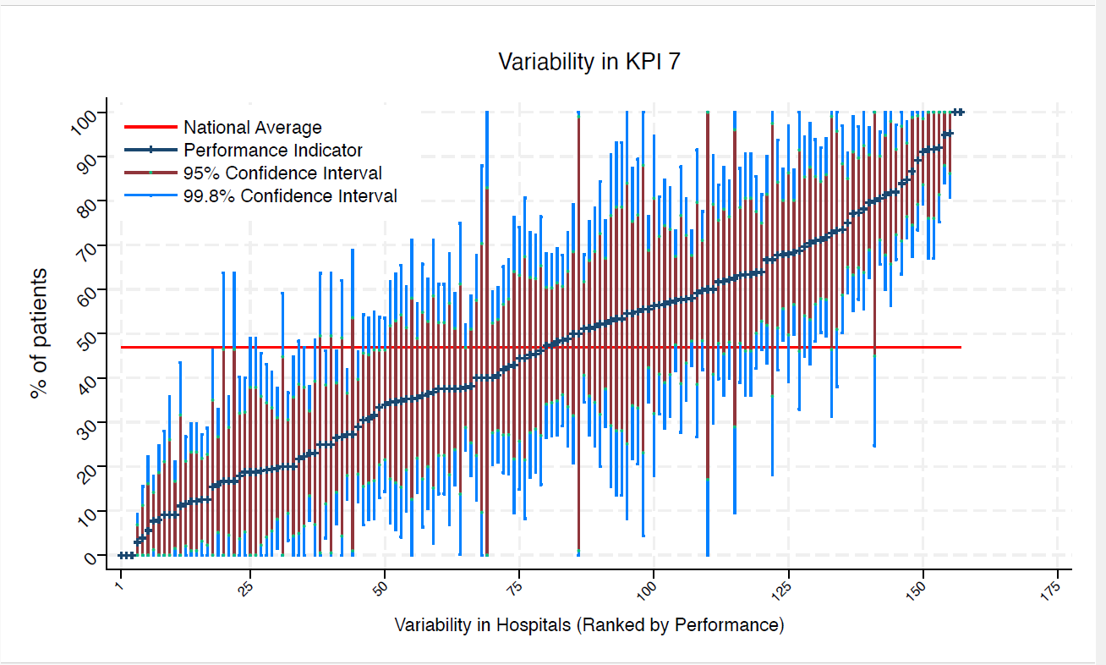
BED | Bedford Hospital | 37 | 0 | 47 | 0 | 0 | 0 | 0 | under average
BFH | Broomfield Chelmsford | 34 | 35 | 47 | 61 | 10 | 51 | 19 | average
BLA | Royal Blackburn Hospital | 33 | 52 | 47 | 78 | 25 | 69 | 35 | average
BNT | Barnet General Hospital | 13 | 15 | 47 | 46 | 0 | 35 | 0 | under average
BOL | Royal Bolton Hospital | 26 | 46 | 47 | 76 | 16 | 65 | 27 | average
BRD | Bradford Royal Infirmary | 23 | 35 | 47 | 66 | 4 | 54 | 15 | average
BRG | Bronglais General Hospital | 10 | 20 | 47 | 59 | 0 | 45 | 0 | average
BRI | Bristol Royal Infirmary | 20 | 55 | 47 | 89 | 21 | 77 | 33 | average
BRO | Princess Royal University Hospital (Bromley) | 33 | 12 | 47 | 30 | 0 | 23 | 1 | under average
BRT | Queens Hospital | 21 | 95 | 47 | 100 | 81 | 100 | 86 | above average
CGH | Conquest Hospital | 60 | 40 | 47 | 60 | 21 | 52 | 28 | average
CHE | Chesterfield Royal | 45 | 62 | 47 | 85 | 40 | 76 | 48 | average
CLW | Glan Clwyd Hospital | 22 | 55 | 47 | 87 | 22 | 75 | 34 | average
CMI | Cumberland Infirmary | 43 | 42 | 47 | 65 | 19 | 57 | 27 | average
COC | Countess of Chester Hospital | 34 | 62 | 47 | 88 | 36 | 78 | 45 | average
COL | Colchester General Hospital | 69 | 29 | 47 | 46 | 12 | 40 | 18 | under average
CRG | Craigavon Area Hospital | 43 | 12 | 47 | 27 | 0 | 21 | 2 | under average
DAR | Darlington Memorial Hospital | 11 | 27 | 47 | 69 | 0 | 54 | 1 | average
DER | Royal Derby Hospital | 56 | 68 | 47 | 87 | 49 | 80 | 56 | above average
DID | Doncaster Royal Infirmary | 11 | 55 | 47 | 100 | 8 | 84 | 25 | average
DRY | University Hospital of North Durham | 39 | 56 | 47 | 81 | 32 | 72 | 41 | average
EAL | Ealing Hospital | 9 | 100 | 47 | 100 | 100 | 100 | 100 | above average
EBH | Birmingham Heartlands Hospital | 64 | 48 | 47 | 68 | 29 | 61 | 36 | average
ENH | East and North Herts Hospital | 38 | 32 | 47 | 55 | 8 | 46 | 17 | average
ESU | East Surrey Hospital | 16 | 38 | 47 | 75 | 0 | 61 | 14 | average
FAZ | University Hospital Aintree | 72 | 64 | 47 | 81 | 46 | 75 | 53 | average
FGH | Furness General | 9 | 67 | 47 | 100 | 18 | 98 | 36 | average
FRM | Frimley Park Hospital | 41 | 51 | 47 | 75 | 27 | 67 | 36 | average
FRY | Southmead Hospital | 56 | 34 | 47 | 54 | 14 | 46 | 22 | average
GEO | St George's Hospital | 25 | 36 | 47 | 66 | 6 | 55 | 17 | average
GLO | Gloucestershire Royal Hospital | 69 | 3 | 47 | 9 | 0 | 7 | 0 | under average
GWE | The Grange University Hospital | 47 | 62 | 47 | 84 | 40 | 76 | 48 | average
GWH | Queen Elizabeth Hospital, Woolwich | 15 | 100 | 47 | 100 | 100 | 100 | 100 | above average
GWY | Ysbyty Gwynedd Hospital | 12 | 92 | 47 | 100 | 67 | 100 | 76 | above average
HAR | Harrogate District Hospital | 21 | 43 | 47 | 76 | 10 | 64 | 22 | average
HCH | County Hospital Hereford | 27 | 22 | 47 | 47 | 0 | 38 | 7 | under average
HIL | Hillingdon Hospital | * | * | 47 | 100 | 0 | 100 | 17 | average
HOM | Homerton Hospital | 12 | 25 | 47 | 64 | 0 | 50 | 1 | average
HOR | Horton General Hospital | * | * | 47 | 0 | 0 | 0 | 0 | under average
HRI | Hull Royal Infirmary | 55 | 38 | 47 | 58 | 18 | 51 | 25 | average
HUD | Huddersfield Royal Infirmary | 48 | 35 | 47 | 57 | 14 | 49 | 22 | average
IOW | St Mary's Hospital, Newport | 13 | 0 | 47 | 0 | 0 | 0 | 0 | under average
IPS | The Ipswich Hospital | 51 | 33 | 47 | 54 | 13 | 46 | 20 | average
JPH | James Paget Hospital | 32 | 78 | 47 | 100 | 56 | 92 | 64 | above average
KCH | King's College Hospital | 8 | 63 | 47 | 100 | 10 | 96 | 29 | average
KGH | Kettering General Hospital | 33 | 36 | 47 | 62 | 11 | 53 | 20 | average
KMH | Kings Mill Hospital | 35 | 57 | 47 | 83 | 31 | 74 | 41 | average
KTH | Kingston Hospital | 32 | 81 | 47 | 100 | 60 | 95 | 68 | above average
LDH | Luton & Dunstable Hospital | 22 | 59 | 47 | 92 | 27 | 80 | 39 | average
LER | Leicester Royal Infirmary | 72 | 85 | 47 | 98 | 72 | 93 | 76 | above average
LEW | University Hospital Lewisham | 23 | 22 | 47 | 48 | 0 | 39 | 5 | average
LGH | Leighton Hospital | 26 | 4 | 47 | 16 | 0 | 11 | 0 | under average
LGI | Leeds General Infirmary | 54 | 56 | 47 | 77 | 35 | 69 | 42 | average
LIN | Lincoln County Hospital | 40 | 38 | 47 | 61 | 14 | 53 | 23 | average
MAC | Macclesfield District General Hospital | 10 | 40 | 47 | 88 | 0 | 70 | 10 | average
MAY | Mayday University Hospital | 17 | 35 | 47 | 71 | 0 | 58 | 13 | average
MDW | Medway Maritime Hospital | 12 | 92 | 47 | 100 | 67 | 100 | 76 | above average
MKH | Milton Keynes General Hospital | 15 | 53 | 47 | 93 | 14 | 79 | 28 | average
MOR | Morriston Hospital | 47 | 64 | 47 | 86 | 42 | 78 | 50 | average
MPH | Musgrove Park Hospital | 59 | 41 | 47 | 60 | 21 | 53 | 28 | average
MRI | Manchester Royal Infirmary | 18 | 44 | 47 | 81 | 8 | 67 | 22 | average
NCR | New Cross Hospital | 39 | 67 | 47 | 90 | 43 | 82 | 52 | average
NDD | North Devon District Hospital | 24 | 38 | 47 | 68 | 7 | 57 | 18 | average
NGS | Northern General Hospital | 45 | 71 | 47 | 92 | 50 | 84 | 58 | above average
NHH | North Hampshire Hospital | 49 | 27 | 47 | 46 | 7 | 39 | 14 | under average
NMG | North Manchester General Hospital | 19 | 37 | 47 | 71 | 3 | 59 | 15 | average
NMH | North Middlesex Hospital | * | * | 47 | 100 | 25 | 100 | 45 | average
NOB | Noble's Hospital | * | * | 47 | 100 | 0 | 83 | 0 | average
NOC | Nuffield Orthopaedic Centre | 40 | 13 | 47 | 29 | 0 | 23 | 2 | under average
NOR | Norfolk and Norwich Hospital | 74 | 23 | 47 | 38 | 8 | 33 | 13 | under average
NPH | Northwick Park Hospital | 28 | 50 | 47 | 79 | 21 | 69 | 32 | average
NSE | Northumbria Specialist Emergency Care Hospital | 39 | 31 | 47 | 54 | 8 | 45 | 16 | average
NTG | University Hospital of North Tees | 29 | 35 | 47 | 62 | 7 | 52 | 17 | average
NTH | Northampton General Hospital | 40 | 43 | 47 | 67 | 18 | 58 | 27 | average
NUH | Ulster Hospital | 40 | 38 | 47 | 61 | 14 | 53 | 23 | average
NUN | George Eliot Hospital | 26 | 35 | 47 | 63 | 6 | 53 | 16 | average
OHM | Royal Oldham Hospital | 27 | 44 | 47 | 74 | 15 | 63 | 26 | average
OLD | Queens Hospital Romford | 17 | 53 | 47 | 90 | 16 | 77 | 29 | average
PAH | Princess Alexandra Hospital | 32 | 19 | 47 | 40 | 0 | 32 | 5 | under average
PCH | Prince Charles Hospital | 11 | 9 | 47 | 36 | 0 | 26 | 0 | under average
PEH | Princess Elizabeth Hospital (Guernsey) | 6 | 17 | 47 | 64 | 0 | 47 | 0 | average
PGH | Poole General Hospital | 111 | 38 | 47 | 52 | 24 | 47 | 29 | average
PIL | Pilgrim Hospital | 31 | 68 | 47 | 94 | 42 | 84 | 51 | average
PIN | Pinderfields General Hospital | 44 | 16 | 47 | 33 | 0 | 27 | 5 | under average
PLY | Derriford Hospital | 31 | 45 | 47 | 73 | 18 | 63 | 28 | average
PMS | The Great Western Hospital | 44 | 77 | 47 | 97 | 58 | 90 | 65 | above average
QAP | Queen Alexandra Hospital | 67 | 81 | 47 | 96 | 66 | 90 | 71 | above average
QEB | Queen Elizabeth Hospital, Edgbaston | 55 | 20 | 47 | 37 | 3 | 31 | 9 | under average
QEG | Queen Elizabeth Hospital, Gateshead | 23 | 52 | 47 | 84 | 20 | 73 | 32 | average
QEQ | Queen Elizabeth the Queen Mother Hospital | 60 | 68 | 47 | 87 | 50 | 80 | 57 | above average
QKL | Queen Elizabeth Hospital (King's Lynn) | 39 | 72 | 47 | 94 | 50 | 86 | 58 | above average
RAD | John Radcliffe Hospital | 36 | 31 | 47 | 54 | 7 | 46 | 16 | average
RBE | Royal Berkshire Hospital | 48 | 38 | 47 | 59 | 16 | 51 | 24 | average
RCH | Royal Cornwall Hospital | 86 | 51 | 47 | 68 | 35 | 62 | 41 | average
RDE | Royal Devon & Exeter Hospital | 45 | 58 | 47 | 81 | 35 | 72 | 43 | average
RFH | Royal Free Hospital | * | * | 47 | 100 | 0 | 99 | 1 | average
RGH | Royal Glamorgan | 15 | 27 | 47 | 62 | 0 | 49 | 4 | average
RLI | Royal Lancaster Infirmary | 30 | 57 | 47 | 85 | 29 | 74 | 39 | average
ROT | Rotherham General Hospital | 25 | 68 | 47 | 97 | 39 | 86 | 50 | average
RPH | Royal Preston Hospital | 56 | 91 | 47 | 100 | 79 | 99 | 84 | above average
RSC | Royal Sussex County Hospital | 55 | 9 | 47 | 21 | 0 | 17 | 2 | under average
RSS | Royal Shrewsbury Hospital | 48 | 13 | 47 | 27 | 0 | 22 | 3 | under average
RSU | Royal Surrey County Hospital | 40 | 25 | 47 | 46 | 4 | 38 | 12 | under average
RUS | Russells Hall Hospital | 39 | 95 | 47 | 100 | 84 | 100 | 88 | above average
RVB | Royal Victoria Hospital | 72 | 75 | 47 | 91 | 59 | 85 | 65 | above average
RVN | Royal Victoria Infirmary | 33 | 46 | 47 | 72 | 19 | 62 | 29 | average
SAL | Salisbury District Hospital | 28 | 18 | 47 | 40 | 0 | 32 | 4 | under average
SAN | Sandwell District Hospital | 9 | 11 | 47 | 44 | 0 | 32 | 0 | under average
SCA | Scarborough General Hospital | 30 | 63 | 47 | 91 | 36 | 81 | 46 | average
SCM | James Cook University Hospital | 46 | 20 | 47 | 38 | 2 | 31 | 8 | under average
SEH | Southend Hospital | 25 | 92 | 47 | 100 | 75 | 100 | 81 | above average
SGH | Southampton General Hospital | 100 | 58 | 47 | 73 | 43 | 68 | 48 | average
SHH | Stepping Hill Hospital | 33 | 12 | 47 | 30 | 0 | 23 | 1 | under average
SLF | Salford Royal | 16 | 19 | 47 | 49 | 0 | 38 | 0 | average
SMV | Stoke Mandeville Hospital | 30 | 63 | 47 | 91 | 36 | 81 | 46 | average
SPH | St Peter's Hospital | 54 | 80 | 47 | 97 | 63 | 90 | 69 | above average
STD | South Tyneside District Hospital | 6 | 17 | 47 | 64 | 0 | 47 | 0 | average
STH | St Thomas Hospital | 15 | 53 | 47 | 93 | 14 | 79 | 28 | average
...

