KPI0
NHFD 2026 annual report distal shaft KPI

Site code | Site name | sample size | performance indicator (%) | target performance (%) | upper 99.8% confidence interval | lower 99.8% confidence interval | upper 95% confidence interval | lower 95% confidence interval | performance 99.8%
ADD | Addenbrooke's Hospital | 16 | 13 | 3 | 38 | 0 | 29 | 0 | average
AEI | Royal Albert Edward Infirmary | 14 | 0 | 3 | 0 | 0 | 0 | 0 | under average
AIR | Airedale General Hospital | 12 | 0 | 3 | 0 | 0 | 0 | 0 | under average
ALT | Altnagelvin Hospital | 10 | 10 | 3 | 39 | 0 | 29 | 0 | average
BAR | Barnsley District General Hospital | 9 | 11 | 3 | 44 | 0 | 32 | 0 | average
BAS | Basildon Hospital | 10 | 20 | 3 | 59 | 0 | 45 | 0 | average
BAT | Royal United Hospital Bath | 16 | 0 | 3 | 0 | 0 | 0 | 0 | under average
BED | Bedford Hospital | 14 | 0 | 3 | 0 | 0 | 0 | 0 | under average
BFH | Broomfield Chelmsford | 11 | 0 | 3 | 0 | 0 | 0 | 0 | under average
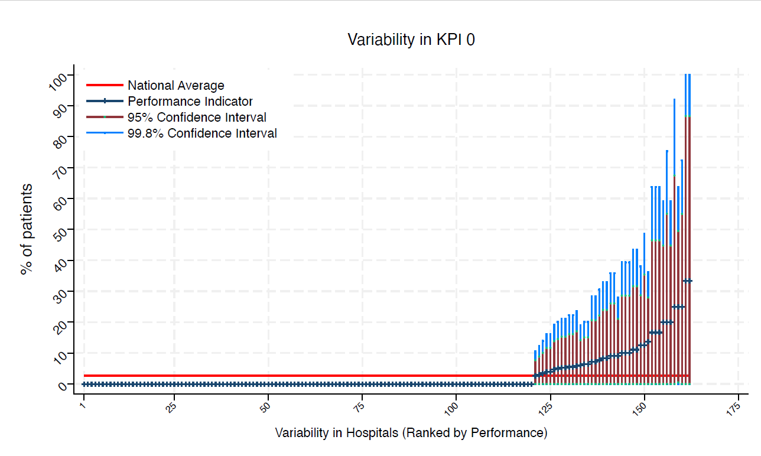
BLA | Royal Blackburn Hospital | 13 | 8 | 3 | 31 | 0 | 22 | 0 | average
BNT | Barnet General Hospital | * | * | 3 | 0 | 0 | 0 | 0 | under average
BOL | Royal Bolton Hospital | 11 | 0 | 3 | 0 | 0 | 0 | 0 | under average
BRD | Bradford Royal Infirmary | 8 | 0 | 3 | 0 | 0 | 0 | 0 | under average
BRG | Bronglais General Hospital | * | * | 3 | 0 | 0 | 0 | 0 | under average
BRI | Bristol Royal Infirmary | 12 | 8 | 3 | 33 | 0 | 24 | 0 | average
BRO | Princess Royal University Hospital (Bromley) | 16 | 0 | 3 | 0 | 0 | 0 | 0 | under average
BRT | Queens Hospital | * | * | 3 | 0 | 0 | 0 | 0 | under average
CGH | Conquest Hospital | 33 | 3 | 3 | 12 | 0 | 9 | 0 | average
CHE | Chesterfield Royal | 16 | 0 | 3 | 0 | 0 | 0 | 0 | under average
CLW | Glan Clwyd Hospital | 8 | 0 | 3 | 0 | 0 | 0 | 0 | under average
CMI | Cumberland Infirmary | 12 | 25 | 3 | 64 | 0 | 50 | 1 | average
COC | Countess of Chester Hospital | 8 | 0 | 3 | 0 | 0 | 0 | 0 | under average
COL | Colchester General Hospital | 17 | 0 | 3 | 0 | 0 | 0 | 0 | under average
CRG | Craigavon Area Hospital | 8 | 0 | 3 | 0 | 0 | 0 | 0 | under average
DAR | Darlington Memorial Hospital | 10 | 0 | 3 | 0 | 0 | 0 | 0 | under average
DER | Royal Derby Hospital | 15 | 0 | 3 | 0 | 0 | 0 | 0 | under average
DID | Doncaster Royal Infirmary | * | * | 3 | 0 | 0 | 0 | 0 | under average
DRY | University Hospital of North Durham | 6 | 0 | 3 | 0 | 0 | 0 | 0 | under average
DVH | Darent Valley Hospital | * | * | 3 | 0 | 0 | 0 | 0 | under average
EAL | Ealing Hospital | 10 | 0 | 3 | 0 | 0 | 0 | 0 | under average
EBH | Birmingham Heartlands Hospital | 9 | 0 | 3 | 0 | 0 | 0 | 0 | under average
ENH | East and North Herts Hospital | 17 | 0 | 3 | 0 | 0 | 0 | 0 | under average
ESU | East Surrey Hospital | 14 | 0 | 3 | 0 | 0 | 0 | 0 | under average
FAZ | University Hospital Aintree | 23 | 0 | 3 | 0 | 0 | 0 | 0 | under average
FGH | Furness General | * | * | 3 | 0 | 0 | 0 | 0 | under average
FRM | Frimley Park Hospital | 17 | 0 | 3 | 0 | 0 | 0 | 0 | under average
FRY | Southmead Hospital | 31 | 7 | 3 | 20 | 0 | 15 | 0 | average
GEO | St George's Hospital | 18 | 0 | 3 | 0 | 0 | 0 | 0 | under average
GLO | Gloucestershire Royal Hospital | 33 | 6 | 3 | 19 | 0 | 14 | 0 | average
GWE | The Grange University Hospital | 25 | 0 | 3 | 0 | 0 | 0 | 0 | under average
GWH | Queen Elizabeth Hospital, Woolwich | 9 | 0 | 3 | 0 | 0 | 0 | 0 | under average
GWY | Ysbyty Gwynedd Hospital | * | * | 3 | 0 | 0 | 0 | 0 | under average
HAR | Harrogate District Hospital | * | * | 3 | 0 | 0 | 0 | 0 | under average
HCH | County Hospital Hereford | 7 | 0 | 3 | 0 | 0 | 0 | 0 | under average
HIL | Hillingdon Hospital | * | * | 3 | 0 | 0 | 0 | 0 | under average
HOM | Homerton Hospital | * | * | 3 | 0 | 0 | 0 | 0 | under average
HOR | Horton General Hospital | 6 | 0 | 3 | 0 | 0 | 0 | 0 | under average
HRI | Hull Royal Infirmary | 38 | 3 | 3 | 11 | 0 | 8 | 0 | average
HUD | Huddersfield Royal Infirmary | 18 | 0 | 3 | 0 | 0 | 0 | 0 | under average
IOW | St Mary's Hospital, Newport | * | * | 3 | 0 | 0 | 0 | 0 | under average
IPS | The Ipswich Hospital | 17 | 6 | 3 | 24 | 0 | 17 | 0 | average
JPH | James Paget Hospital | 13 | 0 | 3 | 0 | 0 | 0 | 0 | under average
KCH | King's College Hospital | 9 | 0 | 3 | 0 | 0 | 0 | 0 | under average
KGH | Kettering General Hospital | 6 | 0 | 3 | 0 | 0 | 0 | 0 | under average
KMH | Kings Mill Hospital | 14 | 0 | 3 | 0 | 0 | 0 | 0 | under average
KTH | Kingston Hospital | 10 | 0 | 3 | 0 | 0 | 0 | 0 | under average
LDH | Luton & Dunstable Hospital | 10 | 0 | 3 | 0 | 0 | 0 | 0 | under average
LER | Leicester Royal Infirmary | 16 | 0 | 3 | 0 | 0 | 0 | 0 | under average
LEW | University Hospital Lewisham | 7 | 0 | 3 | 0 | 0 | 0 | 0 | under average
LGH | Leighton Hospital | 8 | 0 | 3 | 0 | 0 | 0 | 0 | under average
LGI | Leeds General Infirmary | 18 | 0 | 3 | 0 | 0 | 0 | 0 | under average
LIN | Lincoln County Hospital | 15 | 0 | 3 | 0 | 0 | 0 | 0 | under average
MAC | Macclesfield District General Hospital | 8 | 0 | 3 | 0 | 0 | 0 | 0 | under average
MAY | Mayday University Hospital | 7 | 0 | 3 | 0 | 0 | 0 | 0 | under average
MDW | Medway Maritime Hospital | * | * | 3 | 0 | 0 | 0 | 0 | under average
MKH | Milton Keynes General Hospital | 14 | 0 | 3 | 0 | 0 | 0 | 0 | under average
MOR | Morriston Hospital | 15 | 0 | 3 | 0 | 0 | 0 | 0 | under average
MPH | Musgrove Park Hospital | 25 | 4 | 3 | 16 | 0 | 12 | 0 | average
MRI | Manchester Royal Infirmary | 7 | 0 | 3 | 0 | 0 | 0 | 0 | under average
NCR | New Cross Hospital | 22 | 0 | 3 | 0 | 0 | 0 | 0 | under average
NDD | North Devon District Hospital | * | * | 3 | 0 | 0 | 0 | 0 | under average
NGS | Northern General Hospital | 20 | 5 | 3 | 20 | 0 | 15 | 0 | average
NHH | North Hampshire Hospital | 15 | 0 | 3 | 0 | 0 | 0 | 0 | under average
NMG | North Manchester General Hospital | * | * | 3 | 0 | 0 | 0 | 0 | under average
NMH | North Middlesex Hospital | 6 | 17 | 3 | 64 | 0 | 47 | 0 | average
NOB | Noble's Hospital | * | * | 3 | 0 | 0 | 0 | 0 | under average
NOC | Nuffield Orthopaedic Centre | * | * | 3 | 0 | 0 | 0 | 0 | under average
NOR | Norfolk and Norwich Hospital | 26 | 0 | 3 | 0 | 0 | 0 | 0 | under average
NPH | Northwick Park Hospital | 15 | 0 | 3 | 0 | 0 | 0 | 0 | under average
NSE | Northumbria Specialist Emergency Care Hospital | 9 | 11 | 3 | 44 | 0 | 32 | 0 | average
NTG | University Hospital of North Tees | 13 | 0 | 3 | 0 | 0 | 0 | 0 | under average
NTH | Northampton General Hospital | * | * | 3 | 0 | 0 | 0 | 0 | under average
NUH | Ulster Hospital | 14 | 0 | 3 | 0 | 0 | 0 | 0 | under average
NUN | George Eliot Hospital | 10 | 20 | 3 | 59 | 0 | 45 | 0 | average
OHM | Royal Oldham Hospital | 10 | 10 | 3 | 39 | 0 | 29 | 0 | average
OLD | Queens Hospital Romford | 6 | 17 | 3 | 64 | 0 | 47 | 0 | average
PAH | Princess Alexandra Hospital | 15 | 0 | 3 | 0 | 0 | 0 | 0 | under average
PCH | Prince Charles Hospital | * | * | 3 | 0 | 0 | 0 | 0 | under average
PEH | Princess Elizabeth Hospital (Guernsey) | * | * | 3 | 100 | 0 | 87 | 0 | average
PET | Peterborough City Hospital | 27 | 0 | 3 | 0 | 0 | 0 | 0 | under average
PGH | Poole General Hospital | 22 | 9 | 3 | 28 | 0 | 21 | 0 | average
PIL | Pilgrim Hospital | 10 | 0 | 3 | 0 | 0 | 0 | 0 | under average
PIN | Pinderfields General Hospital | 16 | 0 | 3 | 0 | 0 | 0 | 0 | under average
PLY | Derriford Hospital | 8 | 25 | 3 | 72 | 0 | 55 | 0 | average
PMS | The Great Western Hospital | 10 | 10 | 3 | 39 | 0 | 29 | 0 | average
QAP | Queen Alexandra Hospital | 18 | 6 | 3 | 22 | 0 | 16 | 0 | average
QEB | Queen Elizabeth Hospital, Edgbaston | 34 | 0 | 3 | 0 | 0 | 0 | 0 | under average
QEG | Queen Elizabeth Hospital, Gateshead | 12 | 8 | 3 | 33 | 0 | 24 | 0 | average
QEQ | Queen Elizabeth the Queen Mother Hospital | 13 | 0 | 3 | 0 | 0 | 0 | 0 | under average
QKL | Queen Elizabeth Hospital (King's Lynn) | 11 | 9 | 3 | 36 | 0 | 26 | 0 | average
RAD | John Radcliffe Hospital | 24 | 0 | 3 | 0 | 0 | 0 | 0 | under average
RBE | Royal Berkshire Hospital | 22 | 0 | 3 | 0 | 0 | 0 | 0 | under average
RCH | Royal Cornwall Hospital | 19 | 0 | 3 | 0 | 0 | 0 | 0 | under average
RDE | Royal Devon & Exeter Hospital | 8 | 13 | 3 | 49 | 0 | 35 | 0 | average
RFH | Royal Free Hospital | * | * | 3 | 100 | 0 | 87 | 0 | average
RGH | Royal Glamorgan | 9 | 0 | 3 | 0 | 0 | 0 | 0 | under average
RLI | Royal Lancaster Infirmary | * | * | 3 | 0 | 0 | 0 | 0 | under average
ROT | Rotherham General Hospital | 9 | 0 | 3 | 0 | 0 | 0 | 0 | under average
RPH | Royal Preston Hospital | 14 | 7 | 3 | 28 | 0 | 21 | 0 | average
RSC | Royal Sussex County Hospital | 14 | 0 | 3 | 0 | 0 | 0 | 0 | under average
RSS | Royal Shrewsbury Hospital | 7 | 0 | 3 | 0 | 0 | 0 | 0 | under average
RSU | Royal Surrey County Hospital | 14 | 0 | 3 | 0 | 0 | 0 | 0 | under average
RUS | Russells Hall Hospital | 21 | 5 | 3 | 19 | 0 | 14 | 0 | average
RVB | Royal Victoria Hospital | 31 | 7 | 3 | 20 | 0 | 15 | 0 | average
RVN | Royal Victoria Infirmary | 11 | 9 | 3 | 36 | 0 | 26 | 0 | average
SAL | Salisbury District Hospital | 10 | 0 | 3 | 0 | 0 | 0 | 0 | under average
SAN | Sandwell District Hospital | * | * | 3 | 0 | 0 | 0 | 0 | under average
SCA | Scarborough General Hospital | * | * | 3 | 0 | 0 | 0 | 0 | under average
SCM | James Cook University Hospital | 15 | 0 | 3 | 0 | 0 | 0 | 0 | under average
SCU | Scunthorpe General Hospital | * | * | 3 | 0 | 0 | 0 | 0 | under average
SEH | Southend Hospital | 16 | 0 | 3 | 0 | 0 | 0 | 0 | under average
SGH | Southampton General Hospital | 18 | 6 | 3 | 22 | 0 | 16 | 0 | average
SHC | St Helier Hospital | 6 | 0 | 3 | 0 | 0 | 0 | 0 | under average
SHH | Stepping Hill Hospital | 20 | 0 | 3 | 0 | 0 | 0 | 0 | under average
SLF | Salford Royal | 7 | 0 | 3 | 0 | 0 | 0 | 0 | under average
SMV | Stoke Mandeville Hospital | 7 | 0 | 3 | 0 | 0 | 0 | 0 | under average
SOU | Southport and Formby District General | 8 | 0 | 3 | 0 | 0 | 0 | 0 | under average
SPH | St Peter's Hospital | * | * | 3 | 0 | 0 | 0 | 0 | under average
STD | South Tyneside District Hospital | * | * | 3 | 0 | 0 | 0 | 0 | under average
STH | St Thomas Hospital | * | * | 3 | 0 | 0 | 0 | 0 | under average
STM | St Marys Hospital, Paddington | * | * | 3 | 75 | 0 | 55 | 0 | average
STO | University Hospital of North Staffordshire | 25 | 4 | 3 | 16 | 0 | 12 | 0 | average
STR | St Richards Hospital | 8 | 0 | 3 | 0 | 0 | 0 | 0 | under average
SUN | Sunderland Royal Hospital | 11 | 0 | 3 | 0 | 0 | 0 | 0 | under average
TGA | Tameside General Hospital | * | * | 3 | 92 | 0 | 67 | 0 | average
TLF | Princess Royal Hospital, Telford | 6 | 0 | 3 | 0 | 0 | 0 | 0 | under average
TOR | Torbay Hospital | 14 | 0 | 3 | 0 | 0 | 0 | 0 | under average
TUN | Tunbridge Wells Hospital | 20 | 0 | 3 | 0 | 0 | 0 | 0 | under average
UCL | University College Hospital | * | * | 3 | 0 | 0 | 0 | 0 | under average
UHC | University Hospital Coventry | 22 | 14 | 3 | 36 | 0 | 28 | 0 | average
UHN | University Hospital Queens Medical Centre | 29 | 3 | 3 | 14 | 0 | 10 | 0 | average
UHW | University Hospital of Wales | 20 | 0 | 3 | 0 | 0 | 0 | 0 | under average
WAR | Warwick Hospital | 6 | 17 | 3 | 64 | 0 | 47 | 0 | average
WDG | Warrington District General Hospital | 15 | 0 | 3 | 0 | 0 | 0 | 0 | under average
WDH | Dorset County Hospital | 13 | 0 | 3 | 0 | 0 | 0 | 0 | under average
WES | Chelsea & Westminster Hospital | * | * | 3 | 0 | 0 | 0 | 0 | under average
WEX | Wexham Park Hospital | 18 | 0 | 3 | 0 | 0 | 0 | 0 | under average
WGH | Weston General Hospital | 10 | 0 | 3 | 0 | 0 | 0 | 0 | under average
WHC | Whipps Cross Hospital | 15 | 0 | 3 | 0 | 0 | 0 | 0 | under average
WHH | William Harvey Hospital | 19 | 5 | 3 | 21 | 0 | 15 | 0 | average
WHT | Whittington Hospital | * | * | 3 | 0 | 0 | 0 | 0 | under average
WIR | Arrowe Park Hospital | 21 | 0 | 3 | 0 | 0 | 0 | 0 | under average
WMH | Manor Hospital | 12 | 0 | 3 | 0 | 0 | 0 | 0 | under average
WMU | West Middlesex University Hospital | 14 | 7 | 3 | 28 | 0 | 21 | 0 | average
WRC | Worcestershire Royal Hospital | 29 | 0 | 3 | 0 | 0 | 0 | 0 | under average
WRX | Maelor Hospital | * | * | 3 | 0 | 0 | 0 | 0 | under average
WSH | West Suffolk Hospital | 10 | 0 | 3 | 0 | 0 | 0 | 0 | under average
WWG | West Wales General | 9 | 0 | 3 | 0 | 0 | 0 | 0 | under average
WYB | Withybush General Hospital | 12 | 0 | 3 | 0 | 0 | 0 | 0 | under average
WYT | Wythenshawe Hospital | 19 | 5 | 3 | 21 | 0 | 15 | 0 | average
YDH | York District Hospital | 20 | 0 | 3 | 0 | 0 | 0 | 0 | under average
YEO | Yeovil District Hospital | 9 | 0 | 3 | 0 | 0 | 0 | 0 | under average

KPI1
NHFD 2026 annual report distal shaft KPI

Site code | Site name | sample size | performance indicator (%) | target performance (%) | upper 99.8% confidence interval | lower 99.8% confidence interval | upper 95% confidence interval | lower 95% confidence interval | performance 99.8%
ADD | Addenbrooke's Hospital | 16 | 94 | 76 | 100 | 75 | 100 | 82 | average
AEI | Royal Albert Edward Infirmary | 14 | 86 | 76 | 100 | 57 | 100 | 67 | average
AIR | Airedale General Hospital | 12 | 17 | 76 | 50 | 0 | 38 | 0 | under average
ALT | Altnagelvin Hospital | 10 | 100 | 76 | 100 | 100 | 100 | 100 | above average
BAR | Barnsley District General Hospital | 9 | 89 | 76 | 100 | 57 | 100 | 68 | average
BAS | Basildon Hospital | 10 | 90 | 76 | 100 | 61 | 100 | 71 | average
BAT | Royal United Hospital Bath | 16 | 81 | 76 | 100 | 51 | 100 | 62 | average
BED | Bedford Hospital | 14 | 29 | 76 | 66 | 0 | 52 | 5 | under average
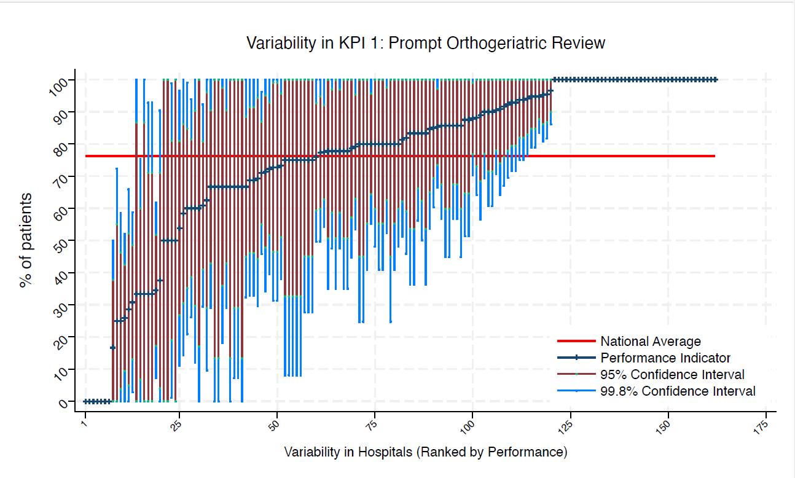
BFH | Broomfield Chelmsford | 11 | 73 | 76 | 100 | 31 | 99 | 46 | average
BLA | Royal Blackburn Hospital | 13 | 69 | 76 | 100 | 30 | 94 | 44 | average
BNT | Barnet General Hospital | * | * | 76 | 100 | 0 | 100 | 0 | average
BOL | Royal Bolton Hospital | 11 | 73 | 76 | 100 | 31 | 99 | 46 | average
BRD | Bradford Royal Infirmary | 8 | 38 | 76 | 90 | 0 | 71 | 4 | average
BRG | Bronglais General Hospital | * | * | 76 | 100 | 0 | 100 | 17 | average
BRI | Bristol Royal Infirmary | 12 | 92 | 76 | 100 | 67 | 100 | 76 | average
BRO | Princess Royal University Hospital (Bromley) | 16 | 0 | 76 | 0 | 0 | 0 | 0 | under average
BRT | Queens Hospital | * | * | 76 | 100 | 8 | 100 | 33 | average
CGH | Conquest Hospital | 33 | 88 | 76 | 100 | 70 | 99 | 77 | average
CHE | Chesterfield Royal | 16 | 69 | 76 | 100 | 33 | 92 | 46 | average
CLW | Glan Clwyd Hospital | 8 | 75 | 76 | 100 | 28 | 100 | 45 | average
CMI | Cumberland Infirmary | 12 | 100 | 76 | 100 | 100 | 100 | 100 | above average
COC | Countess of Chester Hospital | 8 | 100 | 76 | 100 | 100 | 100 | 100 | above average
COL | Colchester General Hospital | 17 | 100 | 76 | 100 | 100 | 100 | 100 | above average
CRG | Craigavon Area Hospital | 8 | 63 | 76 | 100 | 10 | 96 | 29 | average
DAR | Darlington Memorial Hospital | 10 | 80 | 76 | 100 | 41 | 100 | 55 | average
DER | Royal Derby Hospital | 15 | 60 | 76 | 99 | 21 | 85 | 35 | average
DID | Doncaster Royal Infirmary | * | * | 76 | 100 | 8 | 100 | 33 | average
DRY | University Hospital of North Durham | 6 | 83 | 76 | 100 | 36 | 100 | 54 | average
DVH | Darent Valley Hospital | * | * | 76 | 100 | 0 | 100 | 13 | average
EAL | Ealing Hospital | 10 | 100 | 76 | 100 | 100 | 100 | 100 | above average
EBH | Birmingham Heartlands Hospital | 9 | 67 | 76 | 100 | 18 | 98 | 36 | average
ENH | East and North Herts Hospital | 17 | 100 | 76 | 100 | 100 | 100 | 100 | above average
ESU | East Surrey Hospital | 14 | 100 | 76 | 100 | 100 | 100 | 100 | above average
FAZ | University Hospital Aintree | 23 | 61 | 76 | 92 | 29 | 81 | 41 | average
FGH | Furness General | * | * | 76 | 100 | 100 | 100 | 100 | above average
FRM | Frimley Park Hospital | 17 | 88 | 76 | 100 | 64 | 100 | 73 | average
FRY | Southmead Hospital | 31 | 77 | 76 | 100 | 54 | 92 | 63 | average
GEO | St George's Hospital | 18 | 83 | 76 | 100 | 56 | 100 | 66 | average
GLO | Gloucestershire Royal Hospital | 33 | 0 | 76 | 0 | 0 | 0 | 0 | under average
GWE | The Grange University Hospital | 25 | 100 | 76 | 100 | 100 | 100 | 100 | above average
GWH | Queen Elizabeth Hospital, Woolwich | 9 | 78 | 76 | 100 | 35 | 100 | 51 | average
GWY | Ysbyty Gwynedd Hospital | * | * | 76 | 100 | 0 | 87 | 0 | average
HAR | Harrogate District Hospital | * | * | 76 | 100 | 100 | 100 | 100 | above average
HCH | County Hospital Hereford | 7 | 100 | 76 | 100 | 100 | 100 | 100 | above average
HIL | Hillingdon Hospital | * | * | 76 | 100 | 100 | 100 | 100 | above average
HOM | Homerton Hospital | * | * | 76 | 100 | 0 | 100 | 13 | average
HOR | Horton General Hospital | 6 | 100 | 76 | 100 | 100 | 100 | 100 | above average
HRI | Hull Royal Infirmary | 38 | 95 | 76 | 100 | 84 | 100 | 88 | above average
HUD | Huddersfield Royal Infirmary | 18 | 72 | 76 | 100 | 40 | 93 | 52 | average
IOW | St Mary's Hospital, Newport | * | * | 76 | 0 | 0 | 0 | 0 | under average
IPS | The Ipswich Hospital | 17 | 94 | 76 | 100 | 77 | 100 | 83 | above average
JPH | James Paget Hospital | 13 | 92 | 76 | 100 | 70 | 100 | 78 | average
KCH | King's College Hospital | 9 | 78 | 76 | 100 | 35 | 100 | 51 | average
KGH | Kettering General Hospital | 6 | 33 | 76 | 93 | 0 | 71 | 0 | average
KMH | Kings Mill Hospital | 14 | 79 | 76 | 100 | 45 | 100 | 57 | average
KTH | Kingston Hospital | 10 | 100 | 76 | 100 | 100 | 100 | 100 | above average
LDH | Luton & Dunstable Hospital | 10 | 80 | 76 | 100 | 41 | 100 | 55 | average
LER | Leicester Royal Infirmary | 16 | 69 | 76 | 100 | 33 | 92 | 46 | average
LEW | University Hospital Lewisham | 7 | 100 | 76 | 100 | 100 | 100 | 100 | above average
LGH | Leighton Hospital | 8 | 88 | 76 | 100 | 51 | 100 | 65 | average
LGI | Leeds General Infirmary | 18 | 67 | 76 | 100 | 32 | 88 | 45 | average
LIN | Lincoln County Hospital | 15 | 67 | 76 | 100 | 29 | 91 | 43 | average
MAC | Macclesfield District General Hospital | 8 | 88 | 76 | 100 | 51 | 100 | 65 | average
MAY | Mayday University Hospital | 7 | 86 | 76 | 100 | 45 | 100 | 60 | average
MDW | Medway Maritime Hospital | * | * | 76 | 100 | 8 | 100 | 33 | average
MKH | Milton Keynes General Hospital | 14 | 71 | 76 | 100 | 34 | 95 | 48 | average
MOR | Morriston Hospital | 15 | 100 | 76 | 100 | 100 | 100 | 100 | above average
MPH | Musgrove Park Hospital | 25 | 76 | 76 | 100 | 50 | 93 | 59 | average
MRI | Manchester Royal Infirmary | 7 | 100 | 76 | 100 | 100 | 100 | 100 | above average
NCR | New Cross Hospital | 22 | 100 | 76 | 100 | 100 | 100 | 100 | above average
NDD | North Devon District Hospital | * | * | 76 | 100 | 8 | 100 | 33 | average
NGS | Northern General Hospital | 20 | 85 | 76 | 100 | 60 | 100 | 69 | average
NHH | North Hampshire Hospital | 15 | 73 | 76 | 100 | 38 | 96 | 51 | average
NMG | North Manchester General Hospital | * | * | 76 | 100 | 100 | 100 | 100 | above average
NMH | North Middlesex Hospital | 6 | 33 | 76 | 93 | 0 | 71 | 0 | average
NOB | Noble's Hospital | * | * | 76 | 100 | 0 | 100 | 0 | average
NOC | Nuffield Orthopaedic Centre | * | * | 76 | 100 | 100 | 100 | 100 | above average
NOR | Norfolk and Norwich Hospital | 26 | 31 | 76 | 59 | 3 | 49 | 13 | under average
NPH | Northwick Park Hospital | 15 | 100 | 76 | 100 | 100 | 100 | 100 | above average
NSE | Northumbria Specialist Emergency Care Hospital | 9 | 78 | 76 | 100 | 35 | 100 | 51 | average
NTG | University Hospital of North Tees | 13 | 100 | 76 | 100 | 100 | 100 | 100 | above average
NTH | Northampton General Hospital | * | * | 76 | 100 | 100 | 100 | 100 | above average
NUH | Ulster Hospital | 14 | 86 | 76 | 100 | 57 | 100 | 67 | average
NUN | George Eliot Hospital | 10 | 80 | 76 | 100 | 41 | 100 | 55 | average
OHM | Royal Oldham Hospital | 10 | 80 | 76 | 100 | 41 | 100 | 55 | average
OLD | Queens Hospital Romford | 6 | 67 | 76 | 100 | 7 | 100 | 29 | average
PAH | Princess Alexandra Hospital | 15 | 67 | 76 | 100 | 29 | 91 | 43 | average
PCH | Prince Charles Hospital | * | * | 76 | 0 | 0 | 0 | 0 | under average
PEH | Princess Elizabeth Hospital (Guernsey) | * | * | 76 | 100 | 0 | 87 | 0 | average
PET | Peterborough City Hospital | 27 | 26 | 76 | 52 | 0 | 43 | 9 | under average
PGH | Poole General Hospital | 22 | 100 | 76 | 100 | 100 | 100 | 100 | above average
PIL | Pilgrim Hospital | 10 | 90 | 76 | 100 | 61 | 100 | 71 | average
PIN | Pinderfields General Hospital | 16 | 25 | 76 | 59 | 0 | 46 | 4 | under average
PLY | Derriford Hospital | 8 | 75 | 76 | 100 | 28 | 100 | 45 | average
PMS | The Great Western Hospital | 10 | 60 | 76 | 100 | 12 | 90 | 30 | average
QAP | Queen Alexandra Hospital | 18 | 78 | 76 | 100 | 48 | 97 | 59 | average
QEB | Queen Elizabeth Hospital, Edgbaston | 34 | 85 | 76 | 100 | 67 | 97 | 73 | average
QEG | Queen Elizabeth Hospital, Gateshead | 12 | 83 | 76 | 100 | 50 | 100 | 62 | average
QEQ | Queen Elizabeth the Queen Mother Hospital | 13 | 85 | 76 | 100 | 54 | 100 | 65 | average
QKL | Queen Elizabeth Hospital (King's Lynn) | 11 | 100 | 76 | 100 | 100 | 100 | 100 | above average
RAD | John Radcliffe Hospital | 24 | 79 | 76 | 100 | 54 | 95 | 63 | average
RBE | Royal Berkshire Hospital | 22 | 96 | 76 | 100 | 82 | 100 | 87 | above average
RCH | Royal Cornwall Hospital | 19 | 95 | 76 | 100 | 79 | 100 | 85 | above average
RDE | Royal Devon & Exeter Hospital | 8 | 100 | 76 | 100 | 100 | 100 | 100 | above average
RFH | Royal Free Hospital | * | * | 76 | 100 | 0 | 100 | 13 | average
RGH | Royal Glamorgan | 9 | 0 | 76 | 0 | 0 | 0 | 0 | under average
RLI | Royal Lancaster Infirmary | * | * | 76 | 100 | 100 | 100 | 100 | above average
ROT | Rotherham General Hospital | 9 | 100 | 76 | 100 | 100 | 100 | 100 | above average
RPH | Royal Preston Hospital | 14 | 100 | 76 | 100 | 100 | 100 | 100 | above average
RSC | Royal Sussex County Hospital | 14 | 0 | 76 | 0 | 0 | 0 | 0 | under average
RSS | Royal Shrewsbury Hospital | 7 | 100 | 76 | 100 | 100 | 100 | 100 | above average
RSU | Royal Surrey County Hospital | 14 | 93 | 76 | 100 | 72 | 100 | 79 | average
RUS | Russells Hall Hospital | 21 | 95 | 76 | 100 | 81 | 100 | 86 | above average
RVB | Royal Victoria Hospital | 31 | 71 | 76 | 96 | 46 | 87 | 55 | average
RVN | Royal Victoria Infirmary | 11 | 82 | 76 | 100 | 46 | 100 | 59 | average
SAL | Salisbury District Hospital | 10 | 100 | 76 | 100 | 100 | 100 | 100 | above average
SAN | Sandwell District Hospital | * | * | 76 | 100 | 100 | 100 | 100 | above average
SCA | Scarborough General Hospital | * | * | 76 | 100 | 8 | 100 | 33 | average
SCM | James Cook University Hospital | 15 | 80 | 76 | 100 | 48 | 100 | 60 | average
SCU | Scunthorpe General Hospital | * | * | 76 | 100 | 100 | 100 | 100 | above average
SEH | Southend Hospital | 16 | 94 | 76 | 100 | 75 | 100 | 82 | average
SGH | Southampton General Hospital | 18 | 78 | 76 | 100 | 48 | 97 | 59 | average
SHC | St Helier Hospital | 6 | 83 | 76 | 100 | 36 | 100 | 54 | average
SHH | Stepping Hill Hospital | 20 | 60 | 76 | 94 | 26 | 82 | 39 | average
SLF | Salford Royal | 7 | 86 | 76 | 100 | 45 | 100 | 60 | average
SMV | Stoke Mandeville Hospital | 7 | 86 | 76 | 100 | 45 | 100 | 60 | average
SOU | Southport and Formby District General | 8 | 75 | 76 | 100 | 28 | 100 | 45 | average
SPH | St Peter's Hospital | * | * | 76 | 100 | 25 | 100 | 45 | average
STD | South Tyneside District Hospital | * | * | 76 | 100 | 100 | 100 | 100 | above average
STH | St Thomas Hospital | * | * | 76 | 100 | 100 | 100 | 100 | above average
STM | St Marys Hospital, Paddington | * | * | 76 | 100 | 25 | 100 | 45 | average
STO | University Hospital of North Staffordshire | 25 | 80 | 76 | 100 | 55 | 96 | 64 | average
STR | St Richards Hospital | 8 | 25 | 76 | 72 | 0 | 55 | 0 | under average
SUN | Sunderland Royal Hospital | 11 | 91 | 76 | 100 | 64 | 100 | 74 | average
TGA | Tameside General Hospital | * | * | 76 | 100 | 100 | 100 | 100 | above average
TLF | Princess Royal Hospital, Telford | 6 | 67 | 76 | 100 | 7 | 100 | 29 | average
TOR | Torbay Hospital | 14 | 93 | 76 | 100 | 72 | 100 | 79 | average
TUN | Tunbridge Wells Hospital | 20 | 100 | 76 | 100 | 100 | 100 | 100 | above average
UCL | University College Hospital | * | * | 76 | 100 | 0 | 100 | 13 | average
UHC | University Hospital Coventry | 22 | 77 | 76 | 100 | 50 | 95 | 60 | average
UHN | University Hospital Queens Medical Centre | 29 | 97 | 76 | 100 | 86 | 100 | 90 | above average
UHW | University Hospital of Wales | 20 | 90 | 76 | 100 | 69 | 100 | 77 | average
WAR | Warwick Hospital | 6 | 83 | 76 | 100 | 36 | 100 | 54 | average
WDG | Warrington District General Hospital | 15 | 80 | 76 | 100 | 48 | 100 | 60 | average
WDH | Dorset County Hospital | 13 | 54 | 76 | 97 | 11 | 81 | 27 | average
WES | Chelsea & Westminster Hospital | * | * | 76 | 100 | 0 | 100 | 0 | average
WEX | Wexham Park Hospital | 18 | 100 | 76 | 100 | 100 | 100 | 100 | above average
WGH | Weston General Hospital | 10 | 50 | 76 | 99 | 1 | 81 | 19 | average
WHC | Whipps Cross Hospital | 15 | 100 | 76 | 100 | 100 | 100 | 100 | above average
WHH | William Harvey Hospital | 19 | 95 | 76 | 100 | 79 | 100 | 85 | above average
WHT | Whittington Hospital | * | * | 76 | 100 | 100 | 100 | 100 | above average
WIR | Arrowe Park Hospital | 21 | 91 | 76 | 100 | 71 | 100 | 78 | average
WMH | Manor Hospital | 12 | 58 | 76 | 100 | 14 | 86 | 30 | average
WMU | West Middlesex University Hospital | 14 | 86 | 76 | 100 | 57 | 100 | 67 | average
WRC | Worcestershire Royal Hospital | 29 | 35 | 76 | 62 | 7 | 52 | 17 | under average
WRX | Maelor Hospital | * | * | 76 | 100 | 25 | 100 | 45 | average
WSH | West Suffolk Hospital | 10 | 100 | 76 | 100 | 100 | 100 | 100 | above average
WWG | West Wales General | 9 | 0 | 76 | 0 | 0 | 0 | 0 | under average
WYB | Withybush General Hospital | 12 | 33 | 76 | 75 | 0 | 60 | 7 | under average
WYT | Wythenshawe Hospital | 19 | 100 | 76 | 100 | 100 | 100 | 100 | above average
YDH | York District Hospital | 20 | 80 | 76 | 100 | 52 | 98 | 63 | average
YEO | Yeovil District Hospital | 9 | 78 | 76 | 100 | 35 | 100 | 51 | average

KPI2
NHFD 2026 annual report distal shaft KPI

Site code | Site name | sample size | performance indicator (%) | target performance (%) | upper 99.8% confidence interval | lower 99.8% confidence interval | upper 95% confidence interval | lower 95% confidence interval | performance 99.8%
ADD | Addenbrooke's Hospital | 14 | 21 | 31 | 55 | 0 | 43 | 0 | average
AEI | Royal Albert Edward Infirmary | 11 | 18 | 31 | 54 | 0 | 41 | 0 | average
AIR | Airedale General Hospital | 7 | 100 | 31 | 100 | 100 | 100 | 100 | above average
ALT | Altnagelvin Hospital | 8 | 38 | 31 | 90 | 0 | 71 | 4 | average
BAR | Barnsley District General Hospital | * | * | 31 | 100 | 0 | 99 | 1 | average
BAS | Basildon Hospital | 10 | 30 | 31 | 75 | 0 | 58 | 2 | average
BAT | Royal United Hospital Bath | 9 | 56 | 31 | 100 | 4 | 88 | 23 | average
BED | Bedford Hospital | 8 | 38 | 31 | 90 | 0 | 71 | 4 | average
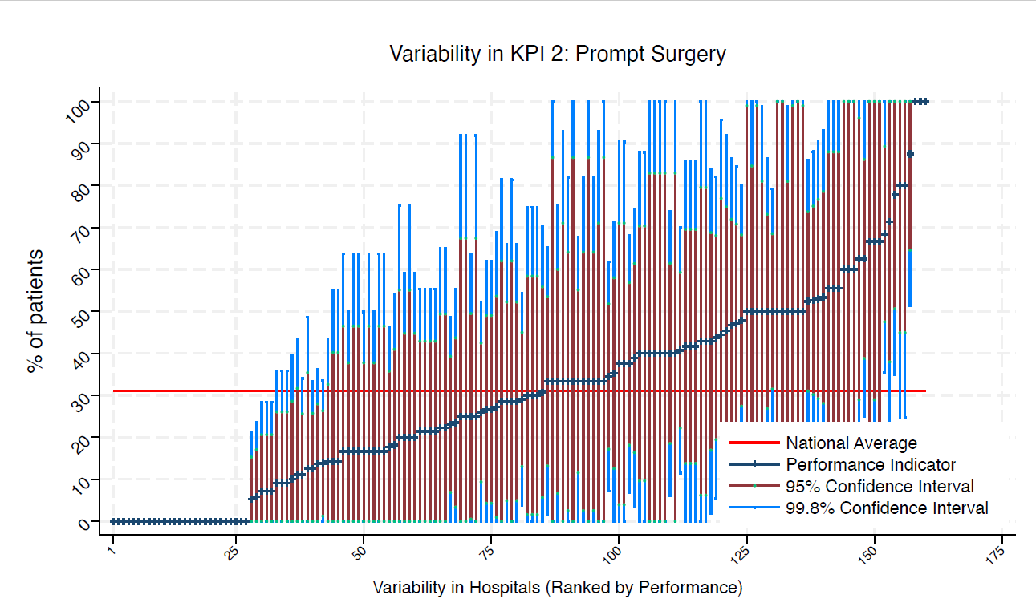
BFH | Broomfield Chelmsford | 11 | 0 | 31 | 0 | 0 | 0 | 0 | under average
BLA | Royal Blackburn Hospital | 9 | 22 | 31 | 65 | 0 | 49 | 0 | average
BNT | Barnet General Hospital | * | * | 31 | 100 | 0 | 100 | 0 | average
BOL | Royal Bolton Hospital | 10 | 20 | 31 | 59 | 0 | 45 | 0 | average
BRD | Bradford Royal Infirmary | 7 | 0 | 31 | 0 | 0 | 0 | 0 | under average
BRG | Bronglais General Hospital | * | * | 31 | 0 | 0 | 0 | 0 | under average
BRI | Bristol Royal Infirmary | 11 | 9 | 31 | 36 | 0 | 26 | 0 | average
BRO | Princess Royal University Hospital (Bromley) | 16 | 63 | 31 | 100 | 25 | 86 | 39 | average
BRT | Queens Hospital | * | * | 31 | 92 | 0 | 67 | 0 | average
CGH | Conquest Hospital | 29 | 35 | 31 | 62 | 7 | 52 | 17 | average
CHE | Chesterfield Royal | 14 | 21 | 31 | 55 | 0 | 43 | 0 | average
CLW | Glan Clwyd Hospital | * | * | 31 | 100 | 0 | 100 | 17 | average
CMI | Cumberland Infirmary | 10 | 20 | 31 | 59 | 0 | 45 | 0 | average
COC | Countess of Chester Hospital | * | * | 31 | 100 | 25 | 100 | 45 | average
COL | Colchester General Hospital | 15 | 27 | 31 | 62 | 0 | 49 | 4 | average
CRG | Craigavon Area Hospital | 6 | 17 | 31 | 64 | 0 | 47 | 0 | average
DAR | Darlington Memorial Hospital | 6 | 17 | 31 | 64 | 0 | 47 | 0 | average
DER | Royal Derby Hospital | 15 | 47 | 31 | 87 | 7 | 72 | 21 | average
DID | Doncaster Royal Infirmary | * | * | 31 | 0 | 0 | 0 | 0 | under average
DRY | University Hospital of North Durham | * | * | 31 | 75 | 0 | 55 | 0 | average
DVH | Darent Valley Hospital | * | * | 31 | 0 | 0 | 0 | 0 | under average
EAL | Ealing Hospital | 9 | 11 | 31 | 44 | 0 | 32 | 0 | average
EBH | Birmingham Heartlands Hospital | 6 | 17 | 31 | 64 | 0 | 47 | 0 | average
ENH | East and North Herts Hospital | 15 | 53 | 31 | 93 | 14 | 79 | 28 | average
ESU | East Surrey Hospital | 14 | 29 | 31 | 66 | 0 | 52 | 5 | average
FAZ | University Hospital Aintree | 20 | 40 | 31 | 74 | 6 | 62 | 19 | average
FRM | Frimley Park Hospital | 13 | 31 | 31 | 70 | 0 | 56 | 6 | average
FRY | Southmead Hospital | 27 | 41 | 31 | 70 | 12 | 59 | 22 | average
GEO | St George's Hospital | 14 | 43 | 31 | 84 | 2 | 69 | 17 | average
GLO | Gloucestershire Royal Hospital | 29 | 14 | 31 | 34 | 0 | 26 | 1 | average
GWE | The Grange University Hospital | 21 | 33 | 31 | 65 | 2 | 54 | 13 | average
GWH | Queen Elizabeth Hospital, Woolwich | 9 | 56 | 31 | 100 | 4 | 88 | 23 | average
GWY | Ysbyty Gwynedd Hospital | * | * | 31 | 100 | 0 | 87 | 0 | average
HAR | Harrogate District Hospital | * | * | 31 | 100 | 0 | 100 | 0 | average
HCH | County Hospital Hereford | 7 | 71 | 31 | 100 | 19 | 100 | 38 | average
HIL | Hillingdon Hospital | * | * | 31 | 92 | 0 | 67 | 0 | average
HOM | Homerton Hospital | * | * | 31 | 100 | 0 | 100 | 13 | average
HOR | Horton General Hospital | * | * | 31 | 100 | 0 | 99 | 1 | average
HRI | Hull Royal Infirmary | 31 | 29 | 31 | 54 | 4 | 45 | 13 | average
HUD | Huddersfield Royal Infirmary | 15 | 0 | 31 | 0 | 0 | 0 | 0 | under average
IOW | St Mary's Hospital, Newport | * | * | 31 | 100 | 0 | 100 | 0 | average
IPS | The Ipswich Hospital | 7 | 43 | 31 | 100 | 0 | 80 | 6 | average
JPH | James Paget Hospital | 11 | 27 | 31 | 69 | 0 | 54 | 1 | average
KCH | King's College Hospital | 7 | 14 | 31 | 55 | 0 | 40 | 0 | average
KGH | Kettering General Hospital | * | * | 31 | 0 | 0 | 0 | 0 | under average
KMH | Kings Mill Hospital | 12 | 17 | 31 | 50 | 0 | 38 | 0 | average
KTH | Kingston Hospital | 9 | 33 | 31 | 82 | 0 | 64 | 3 | average
LDH | Luton & Dunstable Hospital | 9 | 78 | 31 | 100 | 35 | 100 | 51 | above average
LER | Leicester Royal Infirmary | 14 | 21 | 31 | 55 | 0 | 43 | 0 | average
LEW | University Hospital Lewisham | 6 | 67 | 31 | 100 | 7 | 100 | 29 | average
LGH | Leighton Hospital | 7 | 29 | 31 | 81 | 0 | 62 | 0 | average
LGI | Leeds General Infirmary | 13 | 0 | 31 | 0 | 0 | 0 | 0 | under average
LIN | Lincoln County Hospital | 14 | 29 | 31 | 66 | 0 | 52 | 5 | average
MAC | Macclesfield District General Hospital | 6 | 33 | 31 | 93 | 0 | 71 | 0 | average
MAY | Mayday University Hospital | * | * | 31 | 0 | 0 | 0 | 0 | under average
MDW | Medway Maritime Hospital | * | * | 31 | 100 | 0 | 99 | 1 | average
MKH | Milton Keynes General Hospital | 12 | 17 | 31 | 50 | 0 | 38 | 0 | average
MOR | Morriston Hospital | 12 | 0 | 31 | 0 | 0 | 0 | 0 | under average
MPH | Musgrove Park Hospital | 18 | 39 | 31 | 74 | 3 | 61 | 16 | average
MRI | Manchester Royal Infirmary | 6 | 17 | 31 | 64 | 0 | 47 | 0 | average
NCR | New Cross Hospital | 17 | 47 | 31 | 85 | 10 | 71 | 23 | average
NDD | North Devon District Hospital | * | * | 31 | 100 | 0 | 87 | 0 | average
NGS | Northern General Hospital | 19 | 68 | 31 | 100 | 36 | 89 | 48 | above average
NHH | North Hampshire Hospital | 10 | 10 | 31 | 39 | 0 | 29 | 0 | average
NMG | North Manchester General Hospital | * | * | 31 | 100 | 0 | 87 | 0 | average
NMH | North Middlesex Hospital | * | * | 31 | 0 | 0 | 0 | 0 | under average
NOC | Nuffield Orthopaedic Centre | * | * | 31 | 0 | 0 | 0 | 0 | under average
NOR | Norfolk and Norwich Hospital | 23 | 48 | 31 | 80 | 16 | 68 | 27 | average
NPH | Northwick Park Hospital | 12 | 25 | 31 | 64 | 0 | 50 | 1 | average
NSE | Northumbria Specialist Emergency Care Hospital | 7 | 29 | 31 | 81 | 0 | 62 | 0 | average
NTG | University Hospital of North Tees | 11 | 9 | 31 | 36 | 0 | 26 | 0 | average
NTH | Northampton General Hospital | * | * | 31 | 0 | 0 | 0 | 0 | under average
NUH | Ulster Hospital | 13 | 0 | 31 | 0 | 0 | 0 | 0 | under average
NUN | George Eliot Hospital | * | * | 31 | 75 | 0 | 55 | 0 | average
OHM | Royal Oldham Hospital | 10 | 40 | 31 | 88 | 0 | 70 | 10 | average
OLD | Queens Hospital Romford | * | * | 31 | 100 | 0 | 83 | 0 | average
PAH | Princess Alexandra Hospital | 8 | 50 | 31 | 100 | 0 | 85 | 15 | average
PCH | Prince Charles Hospital | * | * | 31 | 100 | 0 | 83 | 0 | average
PEH | Princess Elizabeth Hospital (Guernsey) | * | * | 31 | 0 | 0 | 0 | 0 | under average
PET | Peterborough City Hospital | 24 | 13 | 31 | 33 | 0 | 26 | 0 | average
PGH | Poole General Hospital | 18 | 50 | 31 | 86 | 14 | 73 | 27 | average
PIL | Pilgrim Hospital | 8 | 13 | 31 | 49 | 0 | 35 | 0 | average
PIN | Pinderfields General Hospital | 14 | 7 | 31 | 28 | 0 | 21 | 0 | under average
PLY | Derriford Hospital | * | * | 31 | 100 | 0 | 83 | 0 | average
PMS | The Great Western Hospital | 9 | 33 | 31 | 82 | 0 | 64 | 3 | average
QAP | Queen Alexandra Hospital | 17 | 53 | 31 | 90 | 16 | 77 | 29 | average
QEB | Queen Elizabeth Hospital, Edgbaston | 28 | 50 | 31 | 79 | 21 | 69 | 32 | average
QEG | Queen Elizabeth Hospital, Gateshead | 10 | 50 | 31 | 99 | 1 | 81 | 19 | average
QEQ | Queen Elizabeth the Queen Mother Hospital | 9 | 56 | 31 | 100 | 4 | 88 | 23 | average
QKL | Queen Elizabeth Hospital (King's Lynn) | 10 | 40 | 31 | 88 | 0 | 70 | 10 | average
RAD | John Radcliffe Hospital | 19 | 53 | 31 | 88 | 17 | 75 | 30 | average
RBE | Royal Berkshire Hospital | 17 | 24 | 31 | 55 | 0 | 44 | 3 | average
RCH | Royal Cornwall Hospital | 17 | 6 | 31 | 24 | 0 | 17 | 0 | under average
RDE | Royal Devon & Exeter Hospital | * | * | 31 | 100 | 0 | 100 | 17 | average
RFH | Royal Free Hospital | * | * | 31 | 0 | 0 | 0 | 0 | under average
RGH | Royal Glamorgan | 9 | 33 | 31 | 82 | 0 | 64 | 3 | average
RLI | Royal Lancaster Infirmary | * | * | 31 | 100 | 100 | 100 | 100 | above average
ROT | Rotherham General Hospital | 9 | 44 | 31 | 96 | 0 | 77 | 12 | average
RPH | Royal Preston Hospital | 14 | 7 | 31 | 28 | 0 | 21 | 0 | under average
RSC | Royal Sussex County Hospital | 12 | 42 | 31 | 86 | 0 | 70 | 14 | average
RSS | Royal Shrewsbury Hospital | 6 | 17 | 31 | 64 | 0 | 47 | 0 | average
RSU | Royal Surrey County Hospital | 11 | 46 | 31 | 92 | 0 | 75 | 16 | average
RUS | Russells Hall Hospital | 17 | 18 | 31 | 46 | 0 | 36 | 0 | average
RVB | Royal Victoria Hospital | 27 | 26 | 31 | 52 | 0 | 43 | 9 | average
RVN | Royal Victoria Infirmary | 9 | 100 | 31 | 100 | 100 | 100 | 100 | above average
SAL | Salisbury District Hospital | 8 | 63 | 31 | 100 | 10 | 96 | 29 | average
SAN | Sandwell District Hospital | * | * | 31 | 0 | 0 | 0 | 0 | under average
SCA | Scarborough General Hospital | * | * | 31 | 100 | 0 | 87 | 0 | average
SCM | James Cook University Hospital | 12 | 33 | 31 | 75 | 0 | 60 | 7 | average
SCU | Scunthorpe General Hospital | * | * | 31 | 0 | 0 | 0 | 0 | under average
SEH | Southend Hospital | 10 | 30 | 31 | 75 | 0 | 58 | 2 | average
SGH | Southampton General Hospital | 14 | 7 | 31 | 28 | 0 | 21 | 0 | under average
SHC | St Helier Hospital | * | * | 31 | 100 | 25 | 100 | 45 | average
SHH | Stepping Hill Hospital | 14 | 21 | 31 | 55 | 0 | 43 | 0 | average
SLF | Salford Royal | 6 | 17 | 31 | 64 | 0 | 47 | 0 | average
SMV | Stoke Mandeville Hospital | * | * | 31 | 100 | 0 | 83 | 0 | average
SOU | Southport and Formby District General | * | * | 31 | 0 | 0 | 0 | 0 | under average
SPH | St Peter's Hospital | * | * | 31 | 100 | 0 | 83 | 0 | average
STD | South Tyneside District Hospital | * | * | 31 | 0 | 0 | 0 | 0 | under average
STH | St Thomas Hospital | * | * | 31 | 0 | 0 | 0 | 0 | under average
STM | St Marys Hospital, Paddington | * | * | 31 | 0 | 0 | 0 | 0 | under average
STO | University Hospital of North Staffordshire | 22 | 14 | 31 | 36 | 0 | 28 | 0 | average
STR | St Richards Hospital | 7 | 0 | 31 | 0 | 0 | 0 | 0 | under average
SUN | Sunderland Royal Hospital | 10 | 50 | 31 | 99 | 1 | 81 | 19 | average
TGA | Tameside General Hospital | * | * | 31 | 100 | 0 | 99 | 1 | average
TLF | Princess Royal Hospital, Telford | * | * | 31 | 92 | 0 | 67 | 0 | average
TOR | Torbay Hospital | 14 | 14 | 31 | 43 | 0 | 33 | 0 | average
TUN | Tunbridge Wells Hospital | 18 | 11 | 31 | 34 | 0 | 26 | 0 | average
UCL | University College Hospital | * | * | 31 | 100 | 0 | 100 | 13 | average
UHC | University Hospital Coventry | 21 | 52 | 31 | 86 | 19 | 74 | 31 | average
UHN | University Hospital Queens Medical Centre | 24 | 38 | 31 | 68 | 7 | 57 | 18 | average
UHW | University Hospital of Wales | 12 | 42 | 31 | 86 | 0 | 70 | 14 | average
WAR | Warwick Hospital | * | * | 31 | 100 | 0 | 100 | 17 | average
WDG | Warrington District General Hospital | 11 | 9 | 31 | 36 | 0 | 26 | 0 | average
WDH | Dorset County Hospital | 12 | 42 | 31 | 86 | 0 | 70 | 14 | average
WES | Chelsea & Westminster Hospital | * | * | 31 | 0 | 0 | 0 | 0 | under average
WEX | Wexham Park Hospital | 12 | 17 | 31 | 50 | 0 | 38 | 0 | average
WGH | Weston General Hospital | 6 | 33 | 31 | 93 | 0 | 71 | 0 | average
WHC | Whipps Cross Hospital | 15 | 27 | 31 | 62 | 0 | 49 | 4 | average
WHH | William Harvey Hospital | 16 | 44 | 31 | 82 | 5 | 68 | 19 | average
WHT | Whittington Hospital | * | * | 31 | 0 | 0 | 0 | 0 | under average
WIR | Arrowe Park Hospital | 18 | 33 | 31 | 68 | 0 | 55 | 12 | average
WMH | Manor Hospital | 10 | 30 | 31 | 75 | 0 | 58 | 2 | average
WMU | West Middlesex University Hospital | 9 | 22 | 31 | 65 | 0 | 49 | 0 | average
WRC | Worcestershire Royal Hospital | 26 | 23 | 31 | 49 | 0 | 39 | 7 | average
WRX | Maelor Hospital | * | * | 31 | 0 | 0 | 0 | 0 | under average
WSH | West Suffolk Hospital | 8 | 88 | 31 | 100 | 51 | 100 | 65 | above average
WWG | West Wales General | 7 | 14 | 31 | 55 | 0 | 40 | 0 | average
WYB | Withybush General Hospital | * | * | 31 | 0 | 0 | 0 | 0 | under average
WYT | Wythenshawe Hospital | 17 | 35 | 31 | 71 | 0 | 58 | 13 | average
YDH | York District Hospital | 19 | 5 | 31 | 21 | 0 | 15 | 0 | under average
YEO | Yeovil District Hospital | 7 | 43 | 31 | 100 | 0 | 80 | 6 | average

KPI4
NHFD 2026 annual report distal shaft KPI

Site code | Site name | sample size | performance indicator (%) | target performance (%) | upper 99.8% confidence interval | lower 99.8% confidence interval | upper 95% confidence interval | lower 95% confidence interval | performance 99.8%
ADD | Addenbrooke's Hospital | 14 | 79 | 70 | 100 | 45 | 100 | 57 | average
AEI | Royal Albert Edward Infirmary | 11 | 82 | 70 | 100 | 46 | 100 | 59 | average
AIR | Airedale General Hospital | 7 | 57 | 70 | 100 | 0 | 94 | 21 | average
ALT | Altnagelvin Hospital | 8 | 88 | 70 | 100 | 51 | 100 | 65 | average
BAR | Barnsley District General Hospital | * | * | 70 | 100 | 8 | 100 | 33 | average
BAS | Basildon Hospital | 10 | 80 | 70 | 100 | 41 | 100 | 55 | average
BAT | Royal United Hospital Bath | 9 | 78 | 70 | 100 | 35 | 100 | 51 | average
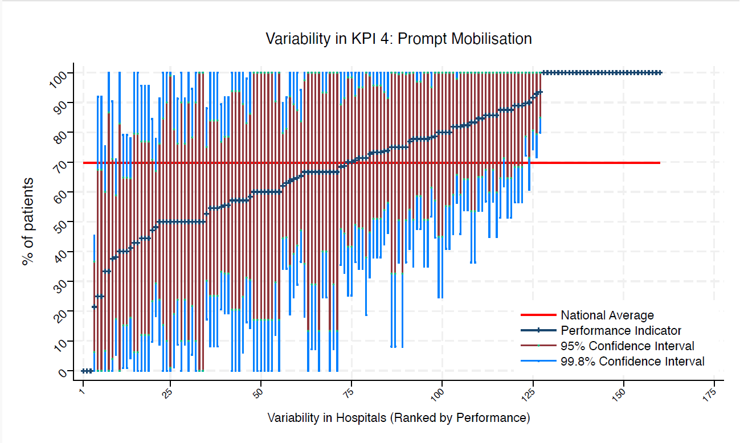
BED | Bedford Hospital | 8 | 50 | 70 | 100 | 0 | 85 | 15 | average
BFH | Broomfield Chelmsford | 11 | 55 | 70 | 100 | 8 | 84 | 25 | average
BLA | Royal Blackburn Hospital | 9 | 89 | 70 | 100 | 57 | 100 | 68 | average
BNT | Barnet General Hospital | * | * | 70 | 100 | 100 | 100 | 100 | above average
BOL | Royal Bolton Hospital | 10 | 100 | 70 | 100 | 100 | 100 | 100 | above average
BRD | Bradford Royal Infirmary | 7 | 43 | 70 | 100 | 0 | 80 | 6 | average
BRG | Bronglais General Hospital | * | * | 70 | 0 | 0 | 0 | 0 | under average
BRI | Bristol Royal Infirmary | 11 | 73 | 70 | 100 | 31 | 99 | 46 | average
BRO | Princess Royal University Hospital (Bromley) | 16 | 69 | 70 | 100 | 33 | 92 | 46 | average
BRT | Queens Hospital | * | * | 70 | 100 | 100 | 100 | 100 | above average
CGH | Conquest Hospital | 29 | 62 | 70 | 90 | 34 | 80 | 44 | average
CHE | Chesterfield Royal | 14 | 86 | 70 | 100 | 57 | 100 | 67 | average
CLW | Glan Clwyd Hospital | * | * | 70 | 100 | 0 | 100 | 17 | average
CMI | Cumberland Infirmary | 10 | 90 | 70 | 100 | 61 | 100 | 71 | average
COC | Countess of Chester Hospital | * | * | 70 | 100 | 100 | 100 | 100 | above average
COL | Colchester General Hospital | 15 | 40 | 70 | 79 | 1 | 65 | 15 | average
CRG | Craigavon Area Hospital | 6 | 83 | 70 | 100 | 36 | 100 | 54 | average
DAR | Darlington Memorial Hospital | 6 | 67 | 70 | 100 | 7 | 100 | 29 | average
DER | Royal Derby Hospital | 15 | 40 | 70 | 79 | 1 | 65 | 15 | average
DID | Doncaster Royal Infirmary | * | * | 70 | 92 | 0 | 67 | 0 | average
DRY | University Hospital of North Durham | * | * | 70 | 100 | 25 | 100 | 45 | average
DVH | Darent Valley Hospital | * | * | 70 | 100 | 100 | 100 | 100 | above average
EAL | Ealing Hospital | 9 | 78 | 70 | 100 | 35 | 100 | 51 | average
EBH | Birmingham Heartlands Hospital | 6 | 50 | 70 | 100 | 0 | 90 | 10 | average
ENH | East and North Herts Hospital | 15 | 73 | 70 | 100 | 38 | 96 | 51 | average
ESU | East Surrey Hospital | 14 | 86 | 70 | 100 | 57 | 100 | 67 | average
FAZ | University Hospital Aintree | 20 | 55 | 70 | 89 | 21 | 77 | 33 | average
FRM | Frimley Park Hospital | 13 | 85 | 70 | 100 | 54 | 100 | 65 | average
FRY | Southmead Hospital | 27 | 48 | 70 | 78 | 18 | 67 | 29 | average
GEO | St George's Hospital | 14 | 57 | 70 | 98 | 16 | 83 | 31 | average
GLO | Gloucestershire Royal Hospital | 29 | 90 | 70 | 100 | 72 | 100 | 79 | above average
GWE | The Grange University Hospital | 21 | 38 | 70 | 71 | 5 | 59 | 17 | average
GWH | Queen Elizabeth Hospital, Woolwich | 9 | 89 | 70 | 100 | 57 | 100 | 68 | average
GWY | Ysbyty Gwynedd Hospital | * | * | 70 | 100 | 100 | 100 | 100 | above average
HAR | Harrogate District Hospital | * | * | 70 | 100 | 100 | 100 | 100 | above average
HCH | County Hospital Hereford | 7 | 100 | 70 | 100 | 100 | 100 | 100 | above average
HIL | Hillingdon Hospital | * | * | 70 | 100 | 100 | 100 | 100 | above average
HOM | Homerton Hospital | * | * | 70 | 100 | 0 | 100 | 13 | average
HOR | Horton General Hospital | * | * | 70 | 92 | 0 | 67 | 0 | average
HRI | Hull Royal Infirmary | 31 | 94 | 70 | 100 | 80 | 100 | 85 | above average
HUD | Huddersfield Royal Infirmary | 15 | 73 | 70 | 100 | 38 | 96 | 51 | average
IOW | St Mary's Hospital, Newport | * | * | 70 | 100 | 0 | 100 | 0 | average
IPS | The Ipswich Hospital | 7 | 57 | 70 | 100 | 0 | 94 | 21 | average
JPH | James Paget Hospital | 11 | 64 | 70 | 100 | 19 | 92 | 35 | average
KCH | King's College Hospital | 7 | 43 | 70 | 100 | 0 | 80 | 6 | average
KGH | Kettering General Hospital | * | * | 70 | 100 | 100 | 100 | 100 | above average
KMH | Kings Mill Hospital | 12 | 100 | 70 | 100 | 100 | 100 | 100 | above average
KTH | Kingston Hospital | 9 | 67 | 70 | 100 | 18 | 98 | 36 | average
LDH | Luton & Dunstable Hospital | 9 | 44 | 70 | 96 | 0 | 77 | 12 | average
LER | Leicester Royal Infirmary | 14 | 93 | 70 | 100 | 72 | 100 | 79 | above average
LEW | University Hospital Lewisham | 6 | 50 | 70 | 100 | 0 | 90 | 10 | average
LGH | Leighton Hospital | 7 | 57 | 70 | 100 | 0 | 94 | 21 | average
LGI | Leeds General Infirmary | 13 | 77 | 70 | 100 | 41 | 100 | 54 | average
LIN | Lincoln County Hospital | 14 | 64 | 70 | 100 | 25 | 89 | 39 | average
MAC | Macclesfield District General Hospital | 6 | 67 | 70 | 100 | 7 | 100 | 29 | average
MAY | Mayday University Hospital | * | * | 70 | 100 | 100 | 100 | 100 | above average
MDW | Medway Maritime Hospital | * | * | 70 | 100 | 100 | 100 | 100 | above average
MKH | Milton Keynes General Hospital | 12 | 58 | 70 | 100 | 14 | 86 | 30 | average
MOR | Morriston Hospital | 12 | 67 | 70 | 100 | 25 | 93 | 40 | average
MPH | Musgrove Park Hospital | 18 | 78 | 70 | 100 | 48 | 97 | 59 | average
MRI | Manchester Royal Infirmary | 6 | 50 | 70 | 100 | 0 | 90 | 10 | average
NCR | New Cross Hospital | 17 | 71 | 70 | 100 | 36 | 92 | 49 | average
NDD | North Devon District Hospital | * | * | 70 | 100 | 0 | 100 | 13 | average
NGS | Northern General Hospital | 19 | 68 | 70 | 100 | 36 | 89 | 48 | average
NHH | North Hampshire Hospital | 10 | 50 | 70 | 99 | 1 | 81 | 19 | average
NMG | North Manchester General Hospital | * | * | 70 | 100 | 100 | 100 | 100 | above average
NMH | North Middlesex Hospital | * | * | 70 | 100 | 25 | 100 | 45 | average
NOC | Nuffield Orthopaedic Centre | * | * | 70 | 0 | 0 | 0 | 0 | under average
NOR | Norfolk and Norwich Hospital | 23 | 78 | 70 | 100 | 52 | 95 | 61 | average
NPH | Northwick Park Hospital | 12 | 75 | 70 | 100 | 36 | 100 | 51 | average
NSE | Northumbria Specialist Emergency Care Hospital | 7 | 100 | 70 | 100 | 100 | 100 | 100 | above average
NTG | University Hospital of North Tees | 11 | 55 | 70 | 100 | 8 | 84 | 25 | average
NTH | Northampton General Hospital | * | * | 70 | 100 | 100 | 100 | 100 | above average
NUH | Ulster Hospital | 13 | 85 | 70 | 100 | 54 | 100 | 65 | average
NUN | George Eliot Hospital | * | * | 70 | 100 | 0 | 100 | 17 | average
OHM | Royal Oldham Hospital | 10 | 60 | 70 | 100 | 12 | 90 | 30 | average
OLD | Queens Hospital Romford | * | * | 70 | 100 | 100 | 100 | 100 | above average
PAH | Princess Alexandra Hospital | 8 | 88 | 70 | 100 | 51 | 100 | 65 | average
PCH | Prince Charles Hospital | * | * | 70 | 100 | 0 | 83 | 0 | average
PEH | Princess Elizabeth Hospital (Guernsey) | * | * | 70 | 100 | 0 | 100 | 13 | average
PET | Peterborough City Hospital | 24 | 92 | 70 | 100 | 74 | 100 | 81 | above average
PGH | Poole General Hospital | 18 | 78 | 70 | 100 | 48 | 97 | 59 | average
PIL | Pilgrim Hospital | 8 | 38 | 70 | 90 | 0 | 71 | 4 | average
PIN | Pinderfields General Hospital | 14 | 50 | 70 | 91 | 9 | 76 | 24 | average
PLY | Derriford Hospital | * | * | 70 | 100 | 0 | 100 | 17 | average
PMS | The Great Western Hospital | 9 | 89 | 70 | 100 | 57 | 100 | 68 | average
QAP | Queen Alexandra Hospital | 17 | 82 | 70 | 100 | 54 | 100 | 64 | average
QEB | Queen Elizabeth Hospital, Edgbaston | 28 | 21 | 70 | 45 | 0 | 37 | 6 | under average
QEG | Queen Elizabeth Hospital, Gateshead | 10 | 80 | 70 | 100 | 41 | 100 | 55 | average
QEQ | Queen Elizabeth the Queen Mother Hospital | 9 | 44 | 70 | 96 | 0 | 77 | 12 | average
QKL | Queen Elizabeth Hospital (King's Lynn) | 10 | 70 | 70 | 100 | 25 | 98 | 42 | average
RAD | John Radcliffe Hospital | 19 | 74 | 70 | 100 | 43 | 94 | 54 | average
RBE | Royal Berkshire Hospital | 17 | 41 | 70 | 78 | 4 | 65 | 18 | average
RCH | Royal Cornwall Hospital | 17 | 65 | 70 | 100 | 29 | 87 | 42 | average
RDE | Royal Devon & Exeter Hospital | * | * | 70 | 100 | 100 | 100 | 100 | above average
RFH | Royal Free Hospital | * | * | 70 | 100 | 0 | 100 | 13 | average
RGH | Royal Glamorgan | 9 | 57 | 70 | 100 | 6 | 90 | 25 | average
RLI | Royal Lancaster Infirmary | * | * | 70 | 100 | 100 | 100 | 100 | above average
ROT | Rotherham General Hospital | 9 | 100 | 70 | 100 | 100 | 100 | 100 | above average
RPH | Royal Preston Hospital | 14 | 50 | 70 | 91 | 9 | 76 | 24 | average
RSC | Royal Sussex County Hospital | 12 | 33 | 70 | 75 | 0 | 60 | 7 | average
RSS | Royal Shrewsbury Hospital | 6 | 50 | 70 | 100 | 0 | 90 | 10 | average
RSU | Royal Surrey County Hospital | 11 | 82 | 70 | 100 | 46 | 100 | 59 | average
RUS | Russells Hall Hospital | 17 | 82 | 70 | 100 | 54 | 100 | 64 | average
RVB | Royal Victoria Hospital | 27 | 63 | 70 | 92 | 34 | 81 | 45 | average
RVN | Royal Victoria Infirmary | 9 | 44 | 70 | 96 | 0 | 77 | 12 | average
SAL | Salisbury District Hospital | 8 | 88 | 70 | 100 | 51 | 100 | 65 | average
SAN | Sandwell District Hospital | * | * | 70 | 100 | 100 | 100 | 100 | above average
SCA | Scarborough General Hospital | * | * | 70 | 100 | 0 | 87 | 0 | average
SCM | James Cook University Hospital | 12 | 50 | 70 | 95 | 5 | 78 | 22 | average
SCU | Scunthorpe General Hospital | * | * | 70 | 100 | 100 | 100 | 100 | above average
SEH | Southend Hospital | 10 | 100 | 70 | 100 | 100 | 100 | 100 | above average
SGH | Southampton General Hospital | 14 | 50 | 70 | 91 | 9 | 76 | 24 | average
SHC | St Helier Hospital | * | * | 70 | 100 | 0 | 100 | 17 | average
SHH | Stepping Hill Hospital | 14 | 71 | 70 | 100 | 34 | 95 | 48 | average
SLF | Salford Royal | 6 | 67 | 70 | 100 | 7 | 100 | 29 | average
SMV | Stoke Mandeville Hospital | * | * | 70 | 100 | 0 | 100 | 17 | average
SOU | Southport and Formby District General | * | * | 70 | 100 | 0 | 100 | 17 | average
SPH | St Peter's Hospital | * | * | 70 | 100 | 0 | 100 | 17 | average
STD | South Tyneside District Hospital | * | * | 70 | 100 | 100 | 100 | 100 | above average
STH | St Thomas Hospital | * | * | 70 | 0 | 0 | 0 | 0 | under average
STM | St Marys Hospital, Paddington | * | * | 70 | 100 | 0 | 99 | 1 | average
STO | University Hospital of North Staffordshire | 22 | 82 | 70 | 100 | 56 | 98 | 66 | average
STR | St Richards Hospital | 7 | 86 | 70 | 100 | 45 | 100 | 60 | average
SUN | Sunderland Royal Hospital | 10 | 100 | 70 | 100 | 100 | 100 | 100 | above average
TGA | Tameside General Hospital | * | * | 70 | 100 | 8 | 100 | 33 | average
TLF | Princess Royal Hospital, Telford | * | * | 70 | 100 | 100 | 100 | 100 | above average
TOR | Torbay Hospital | 14 | 71 | 70 | 100 | 34 | 95 | 48 | average
TUN | Tunbridge Wells Hospital | 18 | 56 | 70 | 92 | 19 | 79 | 33 | average
UCL | University College Hospital | * | * | 70 | 100 | 100 | 100 | 100 | above average
UHC | University Hospital Coventry | 21 | 100 | 70 | 100 | 100 | 100 | 100 | above average
UHN | University Hospital Queens Medical Centre | 24 | 74 | 70 | 100 | 46 | 92 | 56 | average
UHW | University Hospital of Wales | 12 | 100 | 70 | 100 | 100 | 100 | 100 | above average
WAR | Warwick Hospital | * | * | 70 | 100 | 100 | 100 | 100 | above average
WDG | Warrington District General Hospital | 11 | 55 | 70 | 100 | 8 | 84 | 25 | average
WDH | Dorset County Hospital | 12 | 75 | 70 | 100 | 36 | 100 | 51 | average
WES | Chelsea & Westminster Hospital | * | * | 70 | 100 | 0 | 100 | 0 | average
WEX | Wexham Park Hospital | 12 | 67 | 70 | 100 | 25 | 93 | 40 | average
WGH | Weston General Hospital | 6 | 83 | 70 | 100 | 36 | 100 | 54 | average
WHC | Whipps Cross Hospital | 15 | 73 | 70 | 100 | 38 | 96 | 51 | average
WHH | William Harvey Hospital | 16 | 88 | 70 | 100 | 62 | 100 | 71 | average
WHT | Whittington Hospital | * | * | 70 | 100 | 100 | 100 | 100 | above average
WIR | Arrowe Park Hospital | 18 | 56 | 70 | 92 | 19 | 79 | 33 | average
WMH | Manor Hospital | 10 | 70 | 70 | 100 | 25 | 98 | 42 | average
WMU | West Middlesex University Hospital | 9 | 78 | 70 | 100 | 35 | 100 | 51 | average
WRC | Worcestershire Royal Hospital | 26 | 65 | 70 | 94 | 37 | 84 | 47 | average
WRX | Maelor Hospital | * | * | 70 | 100 | 8 | 100 | 33 | average
WSH | West Suffolk Hospital | 8 | 100 | 70 | 100 | 100 | 100 | 100 | above average
WWG | West Wales General | 7 | 86 | 70 | 100 | 45 | 100 | 60 | average
WYB | Withybush General Hospital | * | * | 70 | 100 | 100 | 100 | 100 | above average
WYT | Wythenshawe Hospital | 17 | 47 | 70 | 85 | 10 | 71 | 23 | average
YDH | York District Hospital | 19 | 53 | 70 | 88 | 17 | 75 | 30 | average
YEO | Yeovil District Hospital | 7 | 71 | 70 | 100 | 19 | 100 | 38 | average

KPI5
NHFD 2026 annual report distal shaft KPI

Site code | Site name | sample size | performance indicator (%) | target performance (%) | upper 99.8% confidence interval | lower 99.8% confidence interval | upper 95% confidence interval | lower 95% confidence interval | performance 99.8%
ADD | Addenbrooke's Hospital | 14 | 93 | 64 | 100 | 72 | 100 | 79 | above average
AEI | Royal Albert Edward Infirmary | 11 | 64 | 64 | 100 | 19 | 92 | 35 | average
AIR | Airedale General Hospital | 7 | 71 | 64 | 100 | 19 | 100 | 38 | average
ALT | Altnagelvin Hospital | 8 | 50 | 64 | 100 | 0 | 85 | 15 | average
BAR | Barnsley District General Hospital | * | * | 64 | 100 | 100 | 100 | 100 | above average
BAS | Basildon Hospital | 10 | 70 | 64 | 100 | 25 | 98 | 42 | average
BAT | Royal United Hospital Bath | 9 | 67 | 64 | 100 | 18 | 98 | 36 | average
BED | Bedford Hospital | 8 | 0 | 64 | 0 | 0 | 0 | 0 | under average
BFH | Broomfield Chelmsford | 11 | 73 | 64 | 100 | 31 | 99 | 46 | average
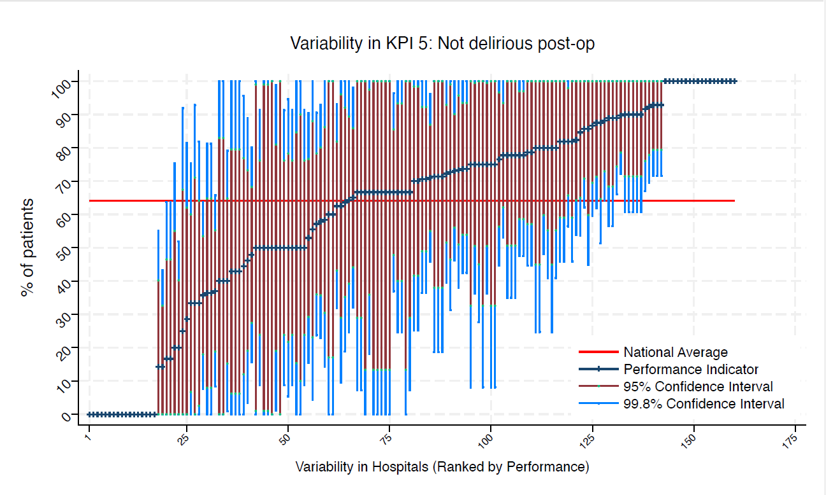
BLA | Royal Blackburn Hospital | 9 | 78 | 64 | 100 | 35 | 100 | 51 | average
BNT | Barnet General Hospital | * | * | 64 | 100 | 0 | 100 | 0 | average
BOL | Royal Bolton Hospital | 10 | 50 | 64 | 99 | 1 | 81 | 19 | average
BRD | Bradford Royal Infirmary | 7 | 43 | 64 | 100 | 0 | 80 | 6 | average
BRG | Bronglais General Hospital | * | * | 64 | 100 | 0 | 100 | 13 | average
BRI | Bristol Royal Infirmary | 11 | 82 | 64 | 100 | 46 | 100 | 59 | average
BRO | Princess Royal University Hospital (Bromley) | 16 | 0 | 64 | 0 | 0 | 0 | 0 | under average
BRT | Queens Hospital | * | * | 64 | 100 | 0 | 99 | 1 | average
CGH | Conquest Hospital | 29 | 90 | 64 | 100 | 72 | 100 | 79 | above average
CHE | Chesterfield Royal | 14 | 79 | 64 | 100 | 45 | 100 | 57 | average
CLW | Glan Clwyd Hospital | * | * | 64 | 100 | 25 | 100 | 45 | average
CMI | Cumberland Infirmary | 10 | 90 | 64 | 100 | 61 | 100 | 71 | average
COC | Countess of Chester Hospital | * | * | 64 | 100 | 100 | 100 | 100 | above average
COL | Colchester General Hospital | 15 | 73 | 64 | 100 | 38 | 96 | 51 | average
CRG | Craigavon Area Hospital | 6 | 67 | 64 | 100 | 7 | 100 | 29 | average
DAR | Darlington Memorial Hospital | 6 | 67 | 64 | 100 | 7 | 100 | 29 | average
DER | Royal Derby Hospital | 15 | 40 | 64 | 79 | 1 | 65 | 15 | average
DID | Doncaster Royal Infirmary | * | * | 64 | 100 | 0 | 99 | 1 | average
DRY | University Hospital of North Durham | * | * | 64 | 100 | 25 | 100 | 45 | average
DVH | Darent Valley Hospital | * | * | 64 | 100 | 0 | 100 | 13 | average
EAL | Ealing Hospital | 9 | 78 | 64 | 100 | 35 | 100 | 51 | average
EBH | Birmingham Heartlands Hospital | 6 | 67 | 64 | 100 | 7 | 100 | 29 | average
ENH | East and North Herts Hospital | 15 | 87 | 64 | 100 | 60 | 100 | 70 | average
ESU | East Surrey Hospital | 14 | 50 | 64 | 91 | 9 | 76 | 24 | average
FAZ | University Hospital Aintree | 20 | 65 | 64 | 98 | 32 | 86 | 44 | average
FRM | Frimley Park Hospital | 13 | 85 | 64 | 100 | 54 | 100 | 65 | average
FRY | Southmead Hospital | 27 | 78 | 64 | 100 | 53 | 94 | 62 | average
GEO | St George's Hospital | 14 | 50 | 64 | 91 | 9 | 76 | 24 | average
GLO | Gloucestershire Royal Hospital | 29 | 0 | 64 | 0 | 0 | 0 | 0 | under average
GWE | The Grange University Hospital | 21 | 86 | 64 | 100 | 62 | 100 | 71 | average
GWH | Queen Elizabeth Hospital, Woolwich | 9 | 89 | 64 | 100 | 57 | 100 | 68 | average
GWY | Ysbyty Gwynedd Hospital | * | * | 64 | 100 | 100 | 100 | 100 | above average
HAR | Harrogate District Hospital | * | * | 64 | 100 | 0 | 100 | 0 | average
HCH | County Hospital Hereford | 7 | 86 | 64 | 100 | 45 | 100 | 60 | average
HIL | Hillingdon Hospital | * | * | 64 | 100 | 8 | 100 | 33 | average
HOM | Homerton Hospital | * | * | 64 | 100 | 0 | 100 | 13 | average
HOR | Horton General Hospital | * | * | 64 | 100 | 100 | 100 | 100 | above average
HRI | Hull Royal Infirmary | 31 | 71 | 64 | 96 | 46 | 87 | 55 | average
HUD | Huddersfield Royal Infirmary | 15 | 80 | 64 | 100 | 48 | 100 | 60 | average
IOW | St Mary's Hospital, Newport | * | * | 64 | 0 | 0 | 0 | 0 | under average
IPS | The Ipswich Hospital | 7 | 71 | 64 | 100 | 19 | 100 | 38 | average
JPH | James Paget Hospital | 11 | 82 | 64 | 100 | 46 | 100 | 59 | average
KCH | King's College Hospital | 7 | 43 | 64 | 100 | 0 | 80 | 6 | average
KGH | Kettering General Hospital | * | * | 64 | 100 | 0 | 99 | 1 | average
KMH | Kings Mill Hospital | 12 | 67 | 64 | 100 | 25 | 93 | 40 | average
KTH | Kingston Hospital | 9 | 78 | 64 | 100 | 35 | 100 | 51 | average
LDH | Luton & Dunstable Hospital | 9 | 44 | 64 | 96 | 0 | 77 | 12 | average
LER | Leicester Royal Infirmary | 14 | 50 | 64 | 91 | 9 | 76 | 24 | average
LEW | University Hospital Lewisham | 6 | 50 | 64 | 100 | 0 | 90 | 10 | average
LGH | Leighton Hospital | 7 | 29 | 64 | 81 | 0 | 62 | 0 | average
LGI | Leeds General Infirmary | 13 | 92 | 64 | 100 | 70 | 100 | 78 | above average
LIN | Lincoln County Hospital | 14 | 93 | 64 | 100 | 72 | 100 | 79 | above average
MAC | Macclesfield District General Hospital | 6 | 17 | 64 | 64 | 0 | 47 | 0 | under average
MAY | Mayday University Hospital | * | * | 64 | 100 | 100 | 100 | 100 | above average
MDW | Medway Maritime Hospital | * | * | 64 | 100 | 8 | 100 | 33 | average
MKH | Milton Keynes General Hospital | 12 | 75 | 64 | 100 | 36 | 100 | 51 | average
MOR | Morriston Hospital | 12 | 92 | 64 | 100 | 67 | 100 | 76 | above average
MPH | Musgrove Park Hospital | 18 | 78 | 64 | 100 | 48 | 97 | 59 | average
MRI | Manchester Royal Infirmary | 6 | 33 | 64 | 93 | 0 | 71 | 0 | average
NCR | New Cross Hospital | 17 | 71 | 64 | 100 | 36 | 92 | 49 | average
NDD | North Devon District Hospital | * | * | 64 | 100 | 0 | 100 | 13 | average
NGS | Northern General Hospital | 19 | 74 | 64 | 100 | 43 | 94 | 54 | average
NHH | North Hampshire Hospital | 10 | 90 | 64 | 100 | 61 | 100 | 71 | average
NMG | North Manchester General Hospital | * | * | 64 | 100 | 0 | 100 | 13 | average
NMH | North Middlesex Hospital | * | * | 64 | 75 | 0 | 55 | 0 | average
NOC | Nuffield Orthopaedic Centre | * | * | 64 | 0 | 0 | 0 | 0 | under average
NOR | Norfolk and Norwich Hospital | 23 | 48 | 64 | 80 | 16 | 68 | 27 | average
NPH | Northwick Park Hospital | 12 | 33 | 64 | 75 | 0 | 60 | 7 | average
NSE | Northumbria Specialist Emergency Care Hospital | 7 | 100 | 64 | 100 | 100 | 100 | 100 | above average
NTG | University Hospital of North Tees | 11 | 36 | 64 | 81 | 0 | 65 | 8 | average
NTH | Northampton General Hospital | * | * | 64 | 100 | 100 | 100 | 100 | above average
NUH | Ulster Hospital | 13 | 46 | 64 | 89 | 3 | 73 | 19 | average
NUN | George Eliot Hospital | * | * | 64 | 100 | 100 | 100 | 100 | above average
OHM | Royal Oldham Hospital | 10 | 80 | 64 | 100 | 41 | 100 | 55 | average
OLD | Queens Hospital Romford | * | * | 64 | 0 | 0 | 0 | 0 | under average
PAH | Princess Alexandra Hospital | 8 | 63 | 64 | 100 | 10 | 96 | 29 | average
PCH | Prince Charles Hospital | * | * | 64 | 0 | 0 | 0 | 0 | under average
PEH | Princess Elizabeth Hospital (Guernsey) | * | * | 64 | 100 | 0 | 100 | 13 | average
PET | Peterborough City Hospital | 24 | 63 | 64 | 93 | 32 | 82 | 43 | average
PGH | Poole General Hospital | 18 | 89 | 64 | 100 | 66 | 100 | 74 | above average
PIL | Pilgrim Hospital | 8 | 75 | 64 | 100 | 28 | 100 | 45 | average
PIN | Pinderfields General Hospital | 14 | 50 | 64 | 91 | 9 | 76 | 24 | average
PLY | Derriford Hospital | * | * | 64 | 100 | 0 | 83 | 0 | average
PMS | The Great Western Hospital | 9 | 100 | 64 | 100 | 100 | 100 | 100 | above average
QAP | Queen Alexandra Hospital | 17 | 53 | 64 | 90 | 16 | 77 | 29 | average
QEB | Queen Elizabeth Hospital, Edgbaston | 28 | 36 | 64 | 64 | 8 | 54 | 18 | under average
QEG | Queen Elizabeth Hospital, Gateshead | 10 | 70 | 64 | 100 | 25 | 98 | 42 | average
QEQ | Queen Elizabeth the Queen Mother Hospital | 9 | 56 | 64 | 100 | 4 | 88 | 23 | average
QKL | Queen Elizabeth Hospital (King's Lynn) | 10 | 90 | 64 | 100 | 61 | 100 | 71 | average
RAD | John Radcliffe Hospital | 19 | 58 | 64 | 93 | 23 | 80 | 36 | average
RBE | Royal Berkshire Hospital | 17 | 71 | 64 | 100 | 36 | 92 | 49 | average
RCH | Royal Cornwall Hospital | 17 | 77 | 64 | 100 | 45 | 97 | 56 | average
RDE | Royal Devon & Exeter Hospital | * | * | 64 | 100 | 100 | 100 | 100 | above average
RFH | Royal Free Hospital | * | * | 64 | 0 | 0 | 0 | 0 | under average
RGH | Royal Glamorgan | 9 | 0 | 64 | 0 | 0 | 0 | 0 | under average
RLI | Royal Lancaster Infirmary | * | * | 64 | 100 | 100 | 100 | 100 | above average
ROT | Rotherham General Hospital | 9 | 100 | 64 | 100 | 100 | 100 | 100 | above average
RPH | Royal Preston Hospital | 14 | 93 | 64 | 100 | 72 | 100 | 79 | above average
RSC | Royal Sussex County Hospital | 12 | 0 | 64 | 0 | 0 | 0 | 0 | under average
RSS | Royal Shrewsbury Hospital | 6 | 100 | 64 | 100 | 100 | 100 | 100 | above average
RSU | Royal Surrey County Hospital | 11 | 36 | 64 | 81 | 0 | 65 | 8 | average
RUS | Russells Hall Hospital | 17 | 88 | 64 | 100 | 64 | 100 | 73 | average
RVB | Royal Victoria Hospital | 27 | 37 | 64 | 66 | 8 | 55 | 19 | average
RVN | Royal Victoria Infirmary | 9 | 33 | 64 | 82 | 0 | 64 | 3 | average
SAL | Salisbury District Hospital | 8 | 88 | 64 | 100 | 51 | 100 | 65 | average
SAN | Sandwell District Hospital | * | * | 64 | 0 | 0 | 0 | 0 | under average
SCA | Scarborough General Hospital | * | * | 64 | 0 | 0 | 0 | 0 | under average
SCM | James Cook University Hospital | 12 | 58 | 64 | 100 | 14 | 86 | 30 | average
SCU | Scunthorpe General Hospital | * | * | 64 | 100 | 100 | 100 | 100 | above average
SEH | Southend Hospital | 10 | 90 | 64 | 100 | 61 | 100 | 71 | average
SGH | Southampton General Hospital | 14 | 14 | 64 | 43 | 0 | 33 | 0 | under average
SHC | St Helier Hospital | * | * | 64 | 100 | 0 | 100 | 17 | average
SHH | Stepping Hill Hospital | 14 | 64 | 64 | 100 | 25 | 89 | 39 | average
SLF | Salford Royal | 6 | 100 | 64 | 100 | 100 | 100 | 100 | above average
SMV | Stoke Mandeville Hospital | * | * | 64 | 100 | 100 | 100 | 100 | above average
SOU | Southport and Formby District General | * | * | 64 | 100 | 0 | 100 | 17 | average
SPH | St Peter's Hospital | * | * | 64 | 100 | 25 | 100 | 45 | average
STD | South Tyneside District Hospital | * | * | 64 | 0 | 0 | 0 | 0 | under average
STH | St Thomas Hospital | * | * | 64 | 0 | 0 | 0 | 0 | under average
STM | St Marys Hospital, Paddington | * | * | 64 | 100 | 8 | 100 | 33 | average
STO | University Hospital of North Staffordshire | 22 | 82 | 64 | 100 | 56 | 98 | 66 | average
STR | St Richards Hospital | 7 | 43 | 64 | 100 | 0 | 80 | 6 | average
SUN | Sunderland Royal Hospital | 10 | 80 | 64 | 100 | 41 | 100 | 55 | average
TGA | Tameside General Hospital | * | * | 64 | 92 | 0 | 67 | 0 | average
TLF | Princess Royal Hospital, Telford | * | * | 64 | 100 | 8 | 100 | 33 | average
TOR | Torbay Hospital | 14 | 79 | 64 | 100 | 45 | 100 | 57 | average
TUN | Tunbridge Wells Hospital | 18 | 78 | 64 | 100 | 48 | 97 | 59 | average
UCL | University College Hospital | * | * | 64 | 100 | 0 | 100 | 13 | average
UHC | University Hospital Coventry | 21 | 57 | 64 | 91 | 24 | 78 | 36 | average
UHN | University Hospital Queens Medical Centre | 24 | 67 | 64 | 96 | 37 | 86 | 48 | average
UHW | University Hospital of Wales | 12 | 67 | 64 | 100 | 25 | 93 | 40 | average
WAR | Warwick Hospital | * | * | 64 | 100 | 0 | 83 | 0 | average
WDG | Warrington District General Hospital | 11 | 82 | 64 | 100 | 46 | 100 | 59 | average
WDH | Dorset County Hospital | 12 | 50 | 64 | 95 | 5 | 78 | 22 | average
WES | Chelsea & Westminster Hospital | * | * | 64 | 0 | 0 | 0 | 0 | under average
WEX | Wexham Park Hospital | 12 | 75 | 64 | 100 | 36 | 100 | 51 | average
WGH | Weston General Hospital | 6 | 17 | 64 | 64 | 0 | 47 | 0 | under average
WHC | Whipps Cross Hospital | 15 | 20 | 64 | 52 | 0 | 40 | 0 | under average
WHH | William Harvey Hospital | 16 | 88 | 64 | 100 | 62 | 100 | 71 | average
WHT | Whittington Hospital | * | * | 64 | 100 | 100 | 100 | 100 | above average
WIR | Arrowe Park Hospital | 18 | 72 | 64 | 100 | 40 | 93 | 52 | average
WMH | Manor Hospital | 10 | 90 | 64 | 100 | 61 | 100 | 71 | average
WMU | West Middlesex University Hospital | 9 | 89 | 64 | 100 | 57 | 100 | 68 | average
WRC | Worcestershire Royal Hospital | 26 | 73 | 64 | 100 | 46 | 90 | 56 | average
WRX | Maelor Hospital | * | * | 64 | 0 | 0 | 0 | 0 | under average
WSH | West Suffolk Hospital | 8 | 100 | 64 | 100 | 100 | 100 | 100 | above average
WWG | West Wales General | 7 | 14 | 64 | 55 | 0 | 40 | 0 | under average
WYB | Withybush General Hospital | * | * | 64 | 0 | 0 | 0 | 0 | under average
WYT | Wythenshawe Hospital | 17 | 82 | 64 | 100 | 54 | 100 | 64 | average
YDH | York District Hospital | 19 | 74 | 64 | 100 | 43 | 94 | 54 | average
YEO | Yeovil District Hospital | 7 | 71 | 64 | 100 | 19 | 100 | 38 | average

KPI6
NHFD 2026 annual report distal shaft KPI

Site code | Site name | sample size | performance indicator (%) | target performance (%) | upper 99.8% confidence interval | lower 99.8% confidence interval | upper 95% confidence interval | lower 95% confidence interval | performance 99.8%
ADD | Addenbrooke's Hospital | 16 | 56 | 70 | 95 | 18 | 81 | 32 | average
AEI | Royal Albert Edward Infirmary | 14 | 86 | 70 | 100 | 57 | 100 | 67 | average
AIR | Airedale General Hospital | 12 | 75 | 70 | 100 | 36 | 100 | 51 | average
ALT | Altnagelvin Hospital | 10 | 70 | 70 | 100 | 25 | 98 | 42 | average
BAR | Barnsley District General Hospital | 9 | 78 | 70 | 100 | 35 | 100 | 51 | average
BAS | Basildon Hospital | 10 | 70 | 70 | 100 | 25 | 98 | 42 | average
BAT | Royal United Hospital Bath | 16 | 50 | 70 | 89 | 11 | 75 | 26 | average
BED | Bedford Hospital | 14 | 71 | 70 | 100 | 34 | 95 | 48 | average
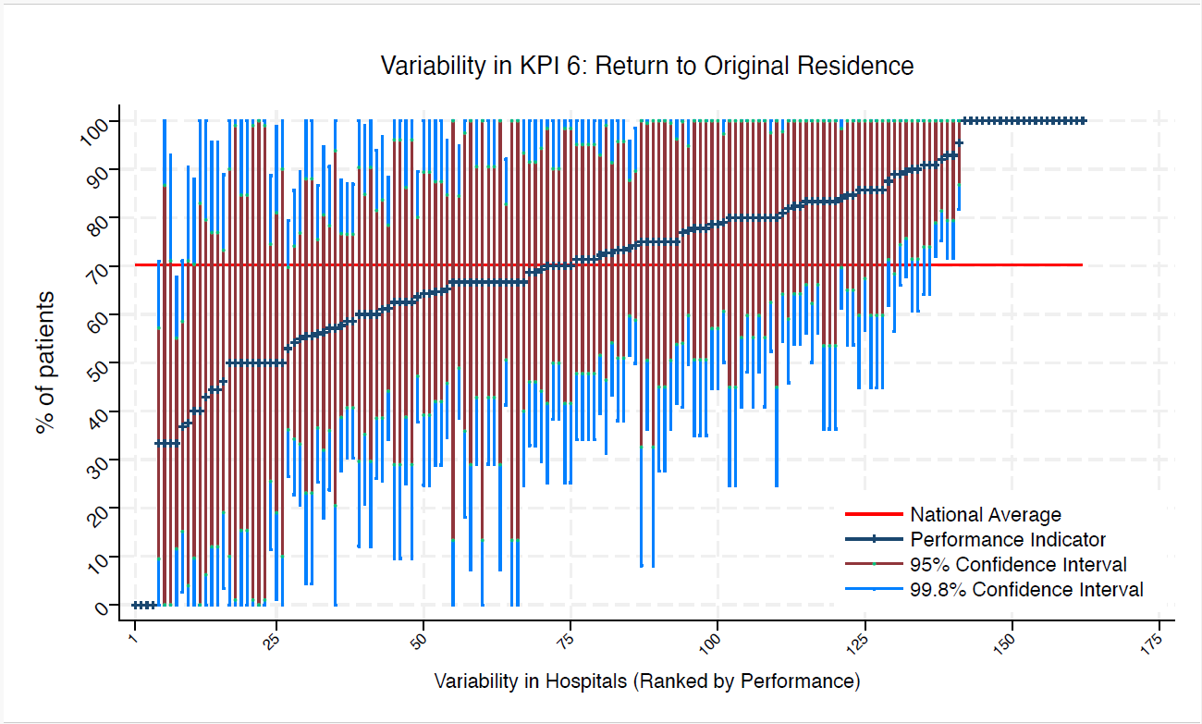
BFH | Broomfield Chelmsford | 11 | 82 | 70 | 100 | 46 | 100 | 59 | average
BLA | Royal Blackburn Hospital | 13 | 85 | 70 | 100 | 54 | 100 | 65 | average
BNT | Barnet General Hospital | * | * | 70 | 100 | 100 | 100 | 100 | above average
BOL | Royal Bolton Hospital | 11 | 91 | 70 | 100 | 64 | 100 | 74 | average
BRD | Bradford Royal Infirmary | 8 | 50 | 70 | 100 | 0 | 85 | 15 | average
BRG | Bronglais General Hospital | * | * | 70 | 100 | 25 | 100 | 45 | average
BRI | Bristol Royal Infirmary | 12 | 67 | 70 | 100 | 25 | 93 | 40 | average
BRO | Princess Royal University Hospital (Bromley) | 16 | 63 | 70 | 100 | 25 | 86 | 39 | average
BRT | Queens Hospital | * | * | 70 | 100 | 100 | 100 | 100 | above average
CGH | Conquest Hospital | 33 | 64 | 70 | 90 | 38 | 80 | 47 | average
CHE | Chesterfield Royal | 16 | 69 | 70 | 100 | 33 | 92 | 46 | average
CLW | Glan Clwyd Hospital | 8 | 75 | 70 | 100 | 28 | 100 | 45 | average
CMI | Cumberland Infirmary | 12 | 83 | 70 | 100 | 50 | 100 | 62 | average
COC | Countess of Chester Hospital | 8 | 100 | 70 | 100 | 100 | 100 | 100 | above average
COL | Colchester General Hospital | 17 | 65 | 70 | 100 | 29 | 87 | 42 | average
CRG | Craigavon Area Hospital | 8 | 50 | 70 | 100 | 0 | 85 | 15 | average
DAR | Darlington Memorial Hospital | 10 | 60 | 70 | 100 | 12 | 90 | 30 | average
DER | Royal Derby Hospital | 15 | 73 | 70 | 100 | 38 | 96 | 51 | average
DID | Doncaster Royal Infirmary | * | * | 70 | 100 | 100 | 100 | 100 | above average
DRY | University Hospital of North Durham | 6 | 83 | 70 | 100 | 36 | 100 | 54 | average
DVH | Darent Valley Hospital | * | * | 70 | 100 | 0 | 100 | 13 | average
EAL | Ealing Hospital | 10 | 80 | 70 | 100 | 41 | 100 | 55 | average
EBH | Birmingham Heartlands Hospital | 9 | 44 | 70 | 96 | 0 | 77 | 12 | average
ENH | East and North Herts Hospital | 17 | 65 | 70 | 100 | 29 | 87 | 42 | average
ESU | East Surrey Hospital | 14 | 64 | 70 | 100 | 25 | 89 | 39 | average
FAZ | University Hospital Aintree | 23 | 65 | 70 | 96 | 35 | 85 | 46 | average
FGH | Furness General | * | * | 70 | 100 | 100 | 100 | 100 | above average
FRM | Frimley Park Hospital | 17 | 82 | 70 | 100 | 54 | 100 | 64 | average
FRY | Southmead Hospital | 31 | 74 | 70 | 99 | 50 | 90 | 59 | average
GEO | St George's Hospital | 18 | 83 | 70 | 100 | 56 | 100 | 66 | average
GLO | Gloucestershire Royal Hospital | 33 | 67 | 70 | 92 | 41 | 83 | 51 | average
GWE | The Grange University Hospital | 25 | 84 | 70 | 100 | 61 | 98 | 70 | average
GWH | Queen Elizabeth Hospital, Woolwich | 9 | 67 | 70 | 100 | 18 | 98 | 36 | average
GWY | Ysbyty Gwynedd Hospital | * | * | 70 | 100 | 0 | 100 | 13 | average
HAR | Harrogate District Hospital | * | * | 70 | 100 | 100 | 100 | 100 | above average
HCH | County Hospital Hereford | 7 | 57 | 70 | 100 | 0 | 94 | 21 | average
HIL | Hillingdon Hospital | * | * | 70 | 100 | 100 | 100 | 100 | above average
HOM | Homerton Hospital | * | * | 70 | 100 | 0 | 100 | 13 | average
HOR | Horton General Hospital | 6 | 50 | 70 | 100 | 0 | 90 | 10 | average
HRI | Hull Royal Infirmary | 38 | 74 | 70 | 96 | 52 | 88 | 60 | average
HUD | Huddersfield Royal Infirmary | 18 | 61 | 70 | 97 | 26 | 84 | 39 | average
IOW | St Mary's Hospital, Newport | * | * | 70 | 100 | 100 | 100 | 100 | above average
IPS | The Ipswich Hospital | 17 | 82 | 70 | 100 | 54 | 100 | 64 | average
JPH | James Paget Hospital | 13 | 69 | 70 | 100 | 30 | 94 | 44 | average
KCH | King's College Hospital | 9 | 78 | 70 | 100 | 35 | 100 | 51 | average
KGH | Kettering General Hospital | 6 | 83 | 70 | 100 | 36 | 100 | 54 | average
KMH | Kings Mill Hospital | 14 | 71 | 70 | 100 | 34 | 95 | 48 | average
KTH | Kingston Hospital | 10 | 90 | 70 | 100 | 61 | 100 | 71 | average
LDH | Luton & Dunstable Hospital | 10 | 60 | 70 | 100 | 12 | 90 | 30 | average
LER | Leicester Royal Infirmary | 16 | 88 | 70 | 100 | 62 | 100 | 71 | average
LEW | University Hospital Lewisham | 7 | 86 | 70 | 100 | 45 | 100 | 60 | average
LGH | Leighton Hospital | 8 | 75 | 70 | 100 | 28 | 100 | 45 | average
LGI | Leeds General Infirmary | 18 | 72 | 70 | 100 | 40 | 93 | 52 | average
LIN | Lincoln County Hospital | 15 | 67 | 70 | 100 | 29 | 91 | 43 | average
MAC | Macclesfield District General Hospital | 8 | 38 | 70 | 90 | 0 | 71 | 4 | average
MAY | Mayday University Hospital | 7 | 86 | 70 | 100 | 45 | 100 | 60 | average
MDW | Medway Maritime Hospital | * | * | 70 | 100 | 0 | 99 | 1 | average
MKH | Milton Keynes General Hospital | 14 | 71 | 70 | 100 | 34 | 95 | 48 | average
MOR | Morriston Hospital | 15 | 73 | 70 | 100 | 38 | 96 | 51 | average
MPH | Musgrove Park Hospital | 25 | 92 | 70 | 100 | 75 | 100 | 81 | above average
MRI | Manchester Royal Infirmary | 7 | 86 | 70 | 100 | 45 | 100 | 60 | average
NCR | New Cross Hospital | 22 | 77 | 70 | 100 | 50 | 95 | 60 | average
NDD | North Devon District Hospital | * | * | 70 | 100 | 0 | 99 | 1 | average
NGS | Northern General Hospital | 20 | 80 | 70 | 100 | 52 | 98 | 63 | average
NHH | North Hampshire Hospital | 15 | 60 | 70 | 99 | 21 | 85 | 35 | average
NMG | North Manchester General Hospital | * | * | 70 | 100 | 8 | 100 | 33 | average
NMH | North Middlesex Hospital | 6 | 33 | 70 | 93 | 0 | 71 | 0 | average
NOB | Noble's Hospital | * | * | 70 | 100 | 100 | 100 | 100 | above average
NOC | Nuffield Orthopaedic Centre | * | * | 70 | 0 | 0 | 0 | 0 | under average
NOR | Norfolk and Norwich Hospital | 26 | 58 | 70 | 88 | 28 | 77 | 39 | average
NPH | Northwick Park Hospital | 15 | 80 | 70 | 100 | 48 | 100 | 60 | average
NSE | Northumbria Specialist Emergency Care Hospital | 9 | 78 | 70 | 100 | 35 | 100 | 51 | average
NTG | University Hospital of North Tees | 13 | 85 | 70 | 100 | 54 | 100 | 65 | average
NTH | Northampton General Hospital | * | * | 70 | 100 | 0 | 100 | 13 | average
NUH | Ulster Hospital | 14 | 71 | 70 | 100 | 34 | 95 | 48 | average
NUN | George Eliot Hospital | 10 | 70 | 70 | 100 | 25 | 98 | 42 | average
OHM | Royal Oldham Hospital | 10 | 80 | 70 | 100 | 41 | 100 | 55 | average
OLD | Queens Hospital Romford | 6 | 67 | 70 | 100 | 7 | 100 | 29 | average
PAH | Princess Alexandra Hospital | 15 | 67 | 70 | 100 | 29 | 91 | 43 | average
PCH | Prince Charles Hospital | * | * | 70 | 100 | 0 | 83 | 0 | average
PEH | Princess Elizabeth Hospital (Guernsey) | * | * | 70 | 100 | 100 | 100 | 100 | above average
PET | Peterborough City Hospital | 27 | 67 | 70 | 95 | 39 | 84 | 49 | average
PGH | Poole General Hospital | 22 | 73 | 70 | 100 | 43 | 91 | 54 | average
PIL | Pilgrim Hospital | 10 | 50 | 70 | 99 | 1 | 81 | 19 | average
PIN | Pinderfields General Hospital | 16 | 69 | 70 | 100 | 33 | 92 | 46 | average
PLY | Derriford Hospital | 8 | 63 | 70 | 100 | 10 | 96 | 29 | average
PMS | The Great Western Hospital | 10 | 80 | 70 | 100 | 41 | 100 | 55 | average
QAP | Queen Alexandra Hospital | 18 | 89 | 70 | 100 | 66 | 100 | 74 | average
QEB | Queen Elizabeth Hospital, Edgbaston | 34 | 53 | 70 | 79 | 27 | 70 | 36 | average
QEG | Queen Elizabeth Hospital, Gateshead | 12 | 75 | 70 | 100 | 36 | 100 | 51 | average
QEQ | Queen Elizabeth the Queen Mother Hospital | 13 | 77 | 70 | 100 | 41 | 100 | 54 | average
QKL | Queen Elizabeth Hospital (King's Lynn) | 11 | 73 | 70 | 100 | 31 | 99 | 46 | average
RAD | John Radcliffe Hospital | 24 | 54 | 70 | 86 | 23 | 74 | 34 | average
RBE | Royal Berkshire Hospital | 22 | 91 | 70 | 100 | 72 | 100 | 79 | above average
RCH | Royal Cornwall Hospital | 19 | 79 | 70 | 100 | 50 | 97 | 61 | average
RDE | Royal Devon & Exeter Hospital | 8 | 100 | 70 | 100 | 100 | 100 | 100 | above average
RFH | Royal Free Hospital | * | * | 70 | 100 | 0 | 87 | 0 | average
RGH | Royal Glamorgan | 9 | 56 | 70 | 100 | 4 | 88 | 23 | average
RLI | Royal Lancaster Infirmary | * | * | 70 | 100 | 100 | 100 | 100 | above average
ROT | Rotherham General Hospital | 9 | 44 | 70 | 96 | 0 | 77 | 12 | average
RPH | Royal Preston Hospital | 14 | 93 | 70 | 100 | 72 | 100 | 79 | above average
RSC | Royal Sussex County Hospital | 14 | 64 | 70 | 100 | 25 | 89 | 39 | average
RSS | Royal Shrewsbury Hospital | 7 | 43 | 70 | 100 | 0 | 80 | 6 | average
RSU | Royal Surrey County Hospital | 14 | 93 | 70 | 100 | 72 | 100 | 79 | above average
RUS | Russells Hall Hospital | 21 | 81 | 70 | 100 | 55 | 98 | 64 | average
RVB | Royal Victoria Hospital | 31 | 61 | 70 | 88 | 34 | 78 | 44 | average
RVN | Royal Victoria Infirmary | 11 | 91 | 70 | 100 | 64 | 100 | 74 | average
SAL | Salisbury District Hospital | 10 | 100 | 70 | 100 | 100 | 100 | 100 | above average
SAN | Sandwell District Hospital | * | * | 70 | 100 | 100 | 100 | 100 | above average
SCA | Scarborough General Hospital | * | * | 70 | 100 | 0 | 99 | 1 | average
SCM | James Cook University Hospital | 15 | 33 | 70 | 71 | 0 | 57 | 10 | average
SCU | Scunthorpe General Hospital | * | * | 70 | 0 | 0 | 0 | 0 | under average
SEH | Southend Hospital | 16 | 75 | 70 | 100 | 42 | 96 | 54 | average
SGH | Southampton General Hospital | 18 | 33 | 70 | 68 | 0 | 55 | 12 | under average
SHC | St Helier Hospital | 6 | 83 | 70 | 100 | 36 | 100 | 54 | average
SHH | Stepping Hill Hospital | 20 | 55 | 70 | 89 | 21 | 77 | 33 | average
SLF | Salford Royal | 7 | 100 | 70 | 100 | 100 | 100 | 100 | above average
SMV | Stoke Mandeville Hospital | 7 | 86 | 70 | 100 | 45 | 100 | 60 | average
SOU | Southport and Formby District General | 8 | 63 | 70 | 100 | 10 | 96 | 29 | average
SPH | St Peter's Hospital | * | * | 70 | 100 | 100 | 100 | 100 | above average
STD | South Tyneside District Hospital | * | * | 70 | 100 | 100 | 100 | 100 | above average
STH | St Thomas Hospital | * | * | 70 | 0 | 0 | 0 | 0 | under average
STM | St Marys Hospital, Paddington | * | * | 70 | 100 | 25 | 100 | 45 | average
STO | University Hospital of North Staffordshire | 25 | 56 | 70 | 87 | 25 | 76 | 37 | average
STR | St Richards Hospital | 8 | 63 | 70 | 100 | 10 | 96 | 29 | average
SUN | Sunderland Royal Hospital | 11 | 100 | 70 | 100 | 100 | 100 | 100 | above average
TGA | Tameside General Hospital | * | * | 70 | 100 | 8 | 100 | 33 | average
TLF | Princess Royal Hospital, Telford | 6 | 50 | 70 | 100 | 0 | 90 | 10 | average
TOR | Torbay Hospital | 14 | 79 | 70 | 100 | 45 | 100 | 57 | average
TUN | Tunbridge Wells Hospital | 20 | 70 | 70 | 100 | 38 | 90 | 50 | average
UCL | University College Hospital | * | * | 70 | 100 | 100 | 100 | 100 | above average
UHC | University Hospital Coventry | 22 | 96 | 70 | 100 | 82 | 100 | 87 | above average
UHN | University Hospital Queens Medical Centre | 29 | 59 | 70 | 87 | 30 | 77 | 41 | average
UHW | University Hospital of Wales | 20 | 60 | 70 | 94 | 26 | 82 | 39 | average
WAR | Warwick Hospital | 6 | 67 | 70 | 100 | 7 | 100 | 29 | average
WDG | Warrington District General Hospital | 15 | 80 | 70 | 100 | 48 | 100 | 60 | average
WDH | Dorset County Hospital | 13 | 46 | 70 | 89 | 3 | 73 | 19 | average
WES | Chelsea & Westminster Hospital | * | * | 70 | 100 | 0 | 100 | 0 | average
WEX | Wexham Park Hospital | 18 | 83 | 70 | 100 | 56 | 100 | 66 | average
WGH | Weston General Hospital | 10 | 40 | 70 | 88 | 0 | 70 | 10 | average
WHC | Whipps Cross Hospital | 15 | 67 | 70 | 100 | 29 | 91 | 43 | average
WHH | William Harvey Hospital | 19 | 90 | 70 | 100 | 68 | 100 | 76 | average
WHT | Whittington Hospital | * | * | 70 | 100 | 100 | 100 | 100 | above average
WIR | Arrowe Park Hospital | 21 | 57 | 70 | 91 | 24 | 78 | 36 | average
WMH | Manor Hospital | 12 | 100 | 70 | 100 | 100 | 100 | 100 | above average
WMU | West Middlesex University Hospital | 14 | 79 | 70 | 100 | 45 | 100 | 57 | average
WRC | Worcestershire Royal Hospital | 29 | 59 | 70 | 87 | 30 | 77 | 41 | average
WRX | Maelor Hospital | * | * | 70 | 100 | 25 | 100 | 45 | average
WSH | West Suffolk Hospital | 10 | 90 | 70 | 100 | 61 | 100 | 71 | average
WWG | West Wales General | 9 | 56 | 70 | 100 | 4 | 88 | 23 | average
WYB | Withybush General Hospital | 12 | 0 | 70 | 0 | 0 | 0 | 0 | under average
WYT | Wythenshawe Hospital | 19 | 37 | 70 | 71 | 3 | 59 | 15 | average
YDH | York District Hospital | 20 | 70 | 70 | 100 | 38 | 90 | 50 | average
YEO | Yeovil District Hospital | 9 | 89 | 70 | 100 | 57 | 100 | 68 | average

KPI7
NHFD 2026 annual report distal shaft KPI

Site code | Site name | sample size | performance indicator (%) | target performance (%) | upper 99.8% confidence interval | lower 99.8% confidence interval | upper 95% confidence interval | lower 95% confidence interval | performance 99.8%
ADD | Addenbrooke's Hospital | 16 | 81 | 46 | 100 | 51 | 100 | 62 | above average
AEI | Royal Albert Edward Infirmary | 14 | 86 | 46 | 100 | 57 | 100 | 67 | above average
AIR | Airedale General Hospital | 12 | 75 | 46 | 100 | 36 | 100 | 51 | average
ALT | Altnagelvin Hospital | 10 | 50 | 46 | 99 | 1 | 81 | 19 | average
BAR | Barnsley District General Hospital | 9 | 44 | 46 | 96 | 0 | 77 | 12 | average
BAS | Basildon Hospital | 10 | 90 | 46 | 100 | 61 | 100 | 71 | above average
BAT | Royal United Hospital Bath | 16 | 31 | 46 | 67 | 0 | 54 | 9 | average
BED | Bedford Hospital | 14 | 7 | 46 | 28 | 0 | 21 | 0 | under average
BFH | Broomfield Chelmsford | 11 | 36 | 46 | 81 | 0 | 65 | 8 | average
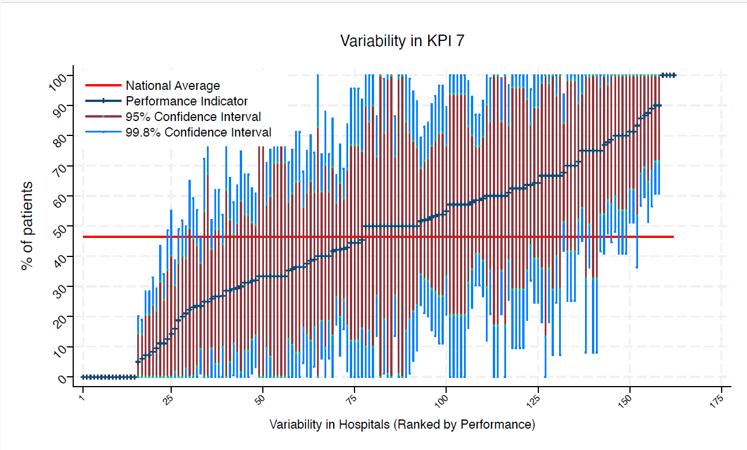
BLA | Royal Blackburn Hospital | 13 | 39 | 46 | 80 | 0 | 65 | 12 | average
BNT | Barnet General Hospital | * | * | 46 | 100 | 0 | 100 | 0 | average
BOL | Royal Bolton Hospital | 11 | 64 | 46 | 100 | 19 | 92 | 35 | average
BRD | Bradford Royal Infirmary | 8 | 25 | 46 | 72 | 0 | 55 | 0 | average
BRG | Bronglais General Hospital | * | * | 46 | 100 | 0 | 83 | 0 | average
BRI | Bristol Royal Infirmary | 12 | 67 | 46 | 100 | 25 | 93 | 40 | average
BRO | Princess Royal University Hospital (Bromley) | 16 | 19 | 46 | 49 | 0 | 38 | 0 | average
BRT | Queens Hospital | * | * | 46 | 100 | 100 | 100 | 100 | above average
CGH | Conquest Hospital | 33 | 42 | 46 | 69 | 16 | 59 | 26 | average
CHE | Chesterfield Royal | 16 | 38 | 46 | 75 | 0 | 61 | 14 | average
CLW | Glan Clwyd Hospital | 8 | 63 | 46 | 100 | 10 | 96 | 29 | average
CMI | Cumberland Infirmary | 12 | 50 | 46 | 95 | 5 | 78 | 22 | average
COC | Countess of Chester Hospital | 8 | 63 | 46 | 100 | 10 | 96 | 29 | average
COL | Colchester General Hospital | 17 | 35 | 46 | 71 | 0 | 58 | 13 | average
CRG | Craigavon Area Hospital | 8 | 13 | 46 | 49 | 0 | 35 | 0 | average
DAR | Darlington Memorial Hospital | 10 | 80 | 46 | 100 | 41 | 100 | 55 | average
DER | Royal Derby Hospital | 15 | 80 | 46 | 100 | 48 | 100 | 60 | above average
DID | Doncaster Royal Infirmary | * | * | 46 | 0 | 0 | 0 | 0 | under average
DRY | University Hospital of North Durham | 6 | 33 | 46 | 93 | 0 | 71 | 0 | average
DVH | Darent Valley Hospital | * | * | 46 | 100 | 0 | 87 | 0 | average
EAL | Ealing Hospital | 10 | 80 | 46 | 100 | 41 | 100 | 55 | average
EBH | Birmingham Heartlands Hospital | 9 | 44 | 46 | 96 | 0 | 77 | 12 | average
ENH | East and North Herts Hospital | 17 | 53 | 46 | 90 | 16 | 77 | 29 | average
ESU | East Surrey Hospital | 14 | 29 | 46 | 66 | 0 | 52 | 5 | average
FAZ | University Hospital Aintree | 23 | 52 | 46 | 84 | 20 | 73 | 32 | average
FGH | Furness General | * | * | 46 | 0 | 0 | 0 | 0 | under average
FRM | Frimley Park Hospital | 17 | 29 | 46 | 64 | 0 | 51 | 8 | average
FRY | Southmead Hospital | 31 | 52 | 46 | 79 | 24 | 69 | 34 | average
GEO | St George's Hospital | 18 | 39 | 46 | 74 | 3 | 61 | 16 | average
GLO | Gloucestershire Royal Hospital | 33 | 6 | 46 | 19 | 0 | 14 | 0 | under average
GWE | The Grange University Hospital | 25 | 52 | 46 | 83 | 21 | 72 | 32 | average
GWH | Queen Elizabeth Hospital, Woolwich | 9 | 100 | 46 | 100 | 100 | 100 | 100 | above average
GWY | Ysbyty Gwynedd Hospital | * | * | 46 | 100 | 0 | 100 | 13 | average
HAR | Harrogate District Hospital | * | * | 46 | 100 | 0 | 100 | 0 | average
HCH | County Hospital Hereford | 7 | 29 | 46 | 81 | 0 | 62 | 0 | average
HIL | Hillingdon Hospital | * | * | 46 | 92 | 0 | 67 | 0 | average
HOM | Homerton Hospital | * | * | 46 | 0 | 0 | 0 | 0 | under average
HOR | Horton General Hospital | 6 | 67 | 46 | 100 | 7 | 100 | 29 | average
HRI | Hull Royal Infirmary | 38 | 42 | 46 | 67 | 17 | 58 | 26 | average
HUD | Huddersfield Royal Infirmary | 18 | 11 | 46 | 34 | 0 | 26 | 0 | under average
IOW | St Mary's Hospital, Newport | * | * | 46 | 0 | 0 | 0 | 0 | under average
IPS | The Ipswich Hospital | 17 | 24 | 46 | 55 | 0 | 44 | 3 | average
JPH | James Paget Hospital | 13 | 54 | 46 | 97 | 11 | 81 | 27 | average
KCH | King's College Hospital | 9 | 67 | 46 | 100 | 18 | 98 | 36 | average
KGH | Kettering General Hospital | 6 | 33 | 46 | 93 | 0 | 71 | 0 | average
KMH | Kings Mill Hospital | 14 | 64 | 46 | 100 | 25 | 89 | 39 | average
KTH | Kingston Hospital | 10 | 80 | 46 | 100 | 41 | 100 | 55 | average
LDH | Luton & Dunstable Hospital | 10 | 60 | 46 | 100 | 12 | 90 | 30 | average
LER | Leicester Royal Infirmary | 16 | 75 | 46 | 100 | 42 | 96 | 54 | average
LEW | University Hospital Lewisham | 7 | 57 | 46 | 100 | 0 | 94 | 21 | average
LGH | Leighton Hospital | 8 | 0 | 46 | 0 | 0 | 0 | 0 | under average
LGI | Leeds General Infirmary | 18 | 50 | 46 | 86 | 14 | 73 | 27 | average
LIN | Lincoln County Hospital | 15 | 53 | 46 | 93 | 14 | 79 | 28 | average
MAC | Macclesfield District General Hospital | 8 | 50 | 46 | 100 | 0 | 85 | 15 | average
MAY | Mayday University Hospital | 7 | 14 | 46 | 55 | 0 | 40 | 0 | average
MDW | Medway Maritime Hospital | * | * | 46 | 100 | 8 | 100 | 33 | average
MKH | Milton Keynes General Hospital | 14 | 50 | 46 | 91 | 9 | 76 | 24 | average
MOR | Morriston Hospital | 15 | 60 | 46 | 99 | 21 | 85 | 35 | average
MPH | Musgrove Park Hospital | 25 | 32 | 46 | 61 | 3 | 50 | 14 | average
MRI | Manchester Royal Infirmary | 7 | 57 | 46 | 100 | 0 | 94 | 21 | average
NCR | New Cross Hospital | 22 | 59 | 46 | 92 | 27 | 80 | 39 | average
NDD | North Devon District Hospital | * | * | 46 | 100 | 0 | 99 | 1 | average
NGS | Northern General Hospital | 20 | 40 | 46 | 74 | 6 | 62 | 19 | average
NHH | North Hampshire Hospital | 15 | 27 | 46 | 62 | 0 | 49 | 4 | average
NMG | North Manchester General Hospital | * | * | 46 | 100 | 8 | 100 | 33 | average
NMH | North Middlesex Hospital | 6 | 33 | 46 | 93 | 0 | 71 | 0 | average
NOB | Noble's Hospital | * | * | 46 | 0 | 0 | 0 | 0 | under average
NOC | Nuffield Orthopaedic Centre | * | * | 46 | 0 | 0 | 0 | 0 | under average
NOR | Norfolk and Norwich Hospital | 26 | 27 | 46 | 54 | 0 | 44 | 10 | average
NPH | Northwick Park Hospital | 15 | 27 | 46 | 62 | 0 | 49 | 4 | average
NSE | Northumbria Specialist Emergency Care Hospital | 9 | 44 | 46 | 96 | 0 | 77 | 12 | average
NTG | University Hospital of North Tees | 13 | 54 | 46 | 97 | 11 | 81 | 27 | average
NTH | Northampton General Hospital | * | * | 46 | 100 | 0 | 87 | 0 | average
NUH | Ulster Hospital | 14 | 57 | 46 | 98 | 16 | 83 | 31 | average
NUN | George Eliot Hospital | 10 | 40 | 46 | 88 | 0 | 70 | 10 | average
OHM | Royal Oldham Hospital | 10 | 70 | 46 | 100 | 25 | 98 | 42 | average
OLD | Queens Hospital Romford | 6 | 50 | 46 | 100 | 0 | 90 | 10 | average
PAH | Princess Alexandra Hospital | 15 | 20 | 46 | 52 | 0 | 40 | 0 | average
PCH | Prince Charles Hospital | * | * | 46 | 0 | 0 | 0 | 0 | under average
PEH | Princess Elizabeth Hospital (Guernsey) | * | * | 46 | 100 | 0 | 87 | 0 | average
PET | Peterborough City Hospital | 27 | 26 | 46 | 52 | 0 | 43 | 9 | average
PGH | Poole General Hospital | 22 | 36 | 46 | 68 | 5 | 57 | 16 | average
PIL | Pilgrim Hospital | 10 | 50 | 46 | 99 | 1 | 81 | 19 | average
PIN | Pinderfields General Hospital | 16 | 31 | 46 | 67 | 0 | 54 | 9 | average
PLY | Derriford Hospital | 8 | 63 | 46 | 100 | 10 | 96 | 29 | average
PMS | The Great Western Hospital | 10 | 70 | 46 | 100 | 25 | 98 | 42 | average
QAP | Queen Alexandra Hospital | 18 | 78 | 46 | 100 | 48 | 97 | 59 | above average
QEB | Queen Elizabeth Hospital, Edgbaston | 34 | 24 | 46 | 46 | 1 | 38 | 9 | under average
QEG | Queen Elizabeth Hospital, Gateshead | 12 | 42 | 46 | 86 | 0 | 70 | 14 | average
QEQ | Queen Elizabeth the Queen Mother Hospital | 13 | 77 | 46 | 100 | 41 | 100 | 54 | average
QKL | Queen Elizabeth Hospital (King's Lynn) | 11 | 46 | 46 | 92 | 0 | 75 | 16 | average
RAD | John Radcliffe Hospital | 24 | 29 | 46 | 58 | 1 | 47 | 11 | average
RBE | Royal Berkshire Hospital | 22 | 64 | 46 | 95 | 32 | 84 | 44 | average
RCH | Royal Cornwall Hospital | 19 | 42 | 46 | 77 | 7 | 64 | 20 | average
RDE | Royal Devon & Exeter Hospital | 8 | 88 | 46 | 100 | 51 | 100 | 65 | above average
...

