KPI0
NHFD 2026 annual report femoral shaft KPI

Site code | Site name | sample size | performance indicator (%) | target performance (%) | upper 99.8% confidence interval | lower 99.8% confidence interval | upper 95% confidence interval | lower 95% confidence interval | performance 99.8%
ADD | Addenbrooke's Hospital | 10 | 20 | 6 | 59 | 0 | 45 | 0 | average
AEI | Royal Albert Edward Infirmary | 9 | 0 | 6 | 0 | 0 | 0 | 0 | under average
AIR | Airedale General Hospital | * | * | 6 | 0 | 0 | 0 | 0 | under average
ALT | Altnagelvin Hospital | * | * | 6 | 0 | 0 | 0 | 0 | under average
BAR | Barnsley District General Hospital | 6 | 33 | 6 | 93 | 0 | 71 | 0 | average
BAS | Basildon Hospital | 12 | 25 | 6 | 64 | 0 | 50 | 1 | average
BAT | Royal United Hospital Bath | 10 | 30 | 6 | 75 | 0 | 58 | 2 | average
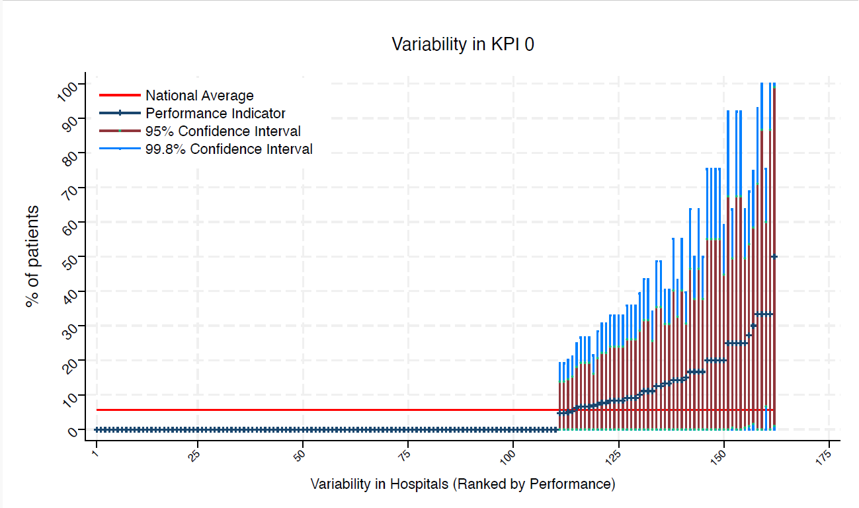
BED | Bedford Hospital | * | * | 6 | 0 | 0 | 0 | 0 | under average
BFH | Broomfield Chelmsford | * | * | 6 | 100 | 0 | 87 | 0 | average
BLA | Royal Blackburn Hospital | 15 | 0 | 6 | 0 | 0 | 0 | 0 | under average
BNT | Barnet General Hospital | 8 | 0 | 6 | 0 | 0 | 0 | 0 | under average
BOL | Royal Bolton Hospital | * | * | 6 | 100 | 0 | 87 | 0 | average
BRD | Bradford Royal Infirmary | 11 | 0 | 6 | 0 | 0 | 0 | 0 | under average
BRG | Bronglais General Hospital | 6 | 0 | 6 | 0 | 0 | 0 | 0 | under average
BRI | Bristol Royal Infirmary | 6 | 0 | 6 | 0 | 0 | 0 | 0 | under average
BRO | Princess Royal University Hospital (Bromley) | 10 | 0 | 6 | 0 | 0 | 0 | 0 | under average
BRT | Queens Hospital | * | * | 6 | 0 | 0 | 0 | 0 | under average
CGH | Conquest Hospital | 8 | 0 | 6 | 0 | 0 | 0 | 0 | under average
CHE | Chesterfield Royal | 12 | 17 | 6 | 50 | 0 | 38 | 0 | average
CLW | Glan Clwyd Hospital | * | * | 6 | 0 | 0 | 0 | 0 | under average
CMI | Cumberland Infirmary | 12 | 33 | 6 | 75 | 0 | 60 | 7 | average
COC | Countess of Chester Hospital | * | * | 6 | 0 | 0 | 0 | 0 | under average
COL | Colchester General Hospital | 8 | 0 | 6 | 0 | 0 | 0 | 0 | under average
CRG | Craigavon Area Hospital | * | * | 6 | 0 | 0 | 0 | 0 | under average
DAR | Darlington Memorial Hospital | * | * | 6 | 0 | 0 | 0 | 0 | under average
DER | Royal Derby Hospital | 15 | 13 | 6 | 41 | 0 | 31 | 0 | average
DID | Doncaster Royal Infirmary | * | * | 6 | 0 | 0 | 0 | 0 | under average
DRY | University Hospital of North Durham | 9 | 11 | 6 | 44 | 0 | 32 | 0 | average
DVH | Darent Valley Hospital | * | * | 6 | 0 | 0 | 0 | 0 | under average
EAL | Ealing Hospital | * | * | 6 | 0 | 0 | 0 | 0 | under average
EBH | Birmingham Heartlands Hospital | * | * | 6 | 0 | 0 | 0 | 0 | under average
ENH | East and North Herts Hospital | 11 | 0 | 6 | 0 | 0 | 0 | 0 | under average
ESU | East Surrey Hospital | * | * | 6 | 0 | 0 | 0 | 0 | under average
FAZ | University Hospital Aintree | 15 | 7 | 6 | 27 | 0 | 19 | 0 | average
FGH | Furness General | * | * | 6 | 0 | 0 | 0 | 0 | under average
FRM | Frimley Park Hospital | 10 | 0 | 6 | 0 | 0 | 0 | 0 | under average
FRY | Southmead Hospital | * | * | 6 | 0 | 0 | 0 | 0 | under average
GEO | St George's Hospital | 13 | 0 | 6 | 0 | 0 | 0 | 0 | under average
GGH | Diana, Princess of Wales Hospital | * | * | 6 | 0 | 0 | 0 | 0 | under average
GLO | Gloucestershire Royal Hospital | 29 | 7 | 6 | 21 | 0 | 16 | 0 | average
GWE | The Grange University Hospital | 14 | 7 | 6 | 28 | 0 | 21 | 0 | average
GWH | Queen Elizabeth Hospital, Woolwich | * | * | 6 | 0 | 0 | 0 | 0 | under average
GWY | Ysbyty Gwynedd Hospital | * | * | 6 | 0 | 0 | 0 | 0 | under average
HAR | Harrogate District Hospital | * | * | 6 | 0 | 0 | 0 | 0 | under average
HCH | County Hospital Hereford | 7 | 0 | 6 | 0 | 0 | 0 | 0 | under average
HIL | Hillingdon Hospital | * | * | 6 | 0 | 0 | 0 | 0 | under average
HOM | Homerton Hospital | * | * | 6 | 0 | 0 | 0 | 0 | under average
HOR | Horton General Hospital | * | * | 6 | 92 | 0 | 67 | 0 | average
HRI | Hull Royal Infirmary | 16 | 6 | 6 | 25 | 0 | 18 | 0 | average
HUD | Huddersfield Royal Infirmary | 10 | 0 | 6 | 0 | 0 | 0 | 0 | under average
IOW | St Mary's Hospital, Newport | * | * | 6 | 0 | 0 | 0 | 0 | under average
IPS | The Ipswich Hospital | 9 | 0 | 6 | 0 | 0 | 0 | 0 | under average
JPH | James Paget Hospital | * | * | 6 | 0 | 0 | 0 | 0 | under average
KCH | King's College Hospital | 8 | 0 | 6 | 0 | 0 | 0 | 0 | under average
KGH | Kettering General Hospital | * | * | 6 | 92 | 0 | 67 | 0 | average
KMH | Kings Mill Hospital | * | * | 6 | 0 | 0 | 0 | 0 | under average
KTH | Kingston Hospital | 7 | 0 | 6 | 0 | 0 | 0 | 0 | under average
LER | Leicester Royal Infirmary | 23 | 0 | 6 | 0 | 0 | 0 | 0 | under average
LEW | University Hospital Lewisham | 14 | 0 | 6 | 0 | 0 | 0 | 0 | under average
LGH | Leighton Hospital | 10 | 0 | 6 | 0 | 0 | 0 | 0 | under average
LGI | Leeds General Infirmary | 12 | 0 | 6 | 0 | 0 | 0 | 0 | under average
LIN | Lincoln County Hospital | * | * | 6 | 0 | 0 | 0 | 0 | under average
MAC | Macclesfield District General Hospital | * | * | 6 | 0 | 0 | 0 | 0 | under average
MAY | Mayday University Hospital | 6 | 0 | 6 | 0 | 0 | 0 | 0 | under average
MDW | Medway Maritime Hospital | 15 | 7 | 6 | 27 | 0 | 19 | 0 | average
MKH | Milton Keynes General Hospital | * | * | 6 | 0 | 0 | 0 | 0 | under average
MOR | Morriston Hospital | * | * | 6 | 0 | 0 | 0 | 0 | under average
MPH | Musgrove Park Hospital | 12 | 8 | 6 | 33 | 0 | 24 | 0 | average
MRI | Manchester Royal Infirmary | * | * | 6 | 0 | 0 | 0 | 0 | under average
NCR | New Cross Hospital | 18 | 0 | 6 | 0 | 0 | 0 | 0 | under average
NDD | North Devon District Hospital | 9 | 0 | 6 | 0 | 0 | 0 | 0 | under average
NGS | Northern General Hospital | 9 | 0 | 6 | 0 | 0 | 0 | 0 | under average
NHH | North Hampshire Hospital | * | * | 6 | 75 | 0 | 55 | 0 | average
NMG | North Manchester General Hospital | 6 | 0 | 6 | 0 | 0 | 0 | 0 | under average
NMH | North Middlesex Hospital | 7 | 0 | 6 | 0 | 0 | 0 | 0 | under average
NOB | Noble's Hospital | * | * | 6 | 0 | 0 | 0 | 0 | under average
NOR | Norfolk and Norwich Hospital | 18 | 0 | 6 | 0 | 0 | 0 | 0 | under average
NPH | Northwick Park Hospital | 15 | 13 | 6 | 41 | 0 | 31 | 0 | average
NSE | Northumbria Specialist Emergency Care Hospital | 8 | 13 | 6 | 49 | 0 | 35 | 0 | average
NTG | University Hospital of North Tees | 9 | 0 | 6 | 0 | 0 | 0 | 0 | under average
NTH | Northampton General Hospital | 7 | 0 | 6 | 0 | 0 | 0 | 0 | under average
NUH | Ulster Hospital | 6 | 0 | 6 | 0 | 0 | 0 | 0 | under average
NUN | George Eliot Hospital | * | * | 6 | 0 | 0 | 0 | 0 | under average
OHM | Royal Oldham Hospital | 13 | 0 | 6 | 0 | 0 | 0 | 0 | under average
OLD | Queens Hospital Romford | * | * | 6 | 0 | 0 | 0 | 0 | under average
PAH | Princess Alexandra Hospital | 10 | 0 | 6 | 0 | 0 | 0 | 0 | under average
PCH | Prince Charles Hospital | 7 | 14 | 6 | 55 | 0 | 40 | 0 | average
PEH | Princess Elizabeth Hospital (Guernsey) | * | * | 6 | 0 | 0 | 0 | 0 | under average
PET | Peterborough City Hospital | 11 | 0 | 6 | 0 | 0 | 0 | 0 | under average
PGH | Poole General Hospital | 12 | 25 | 6 | 64 | 0 | 50 | 1 | average
PIL | Pilgrim Hospital | 6 | 0 | 6 | 0 | 0 | 0 | 0 | under average
PIN | Pinderfields General Hospital | 11 | 0 | 6 | 0 | 0 | 0 | 0 | under average
PLY | Derriford Hospital | 11 | 9 | 6 | 36 | 0 | 26 | 0 | average
PMS | The Great Western Hospital | * | * | 6 | 75 | 0 | 55 | 0 | average
QAP | Queen Alexandra Hospital | 17 | 0 | 6 | 0 | 0 | 0 | 0 | under average
QEB | Queen Elizabeth Hospital, Edgbaston | 20 | 0 | 6 | 0 | 0 | 0 | 0 | under average
QEG | Queen Elizabeth Hospital, Gateshead | * | * | 6 | 0 | 0 | 0 | 0 | under average
QEQ | Queen Elizabeth the Queen Mother Hospital | 7 | 0 | 6 | 0 | 0 | 0 | 0 | under average
QKL | Queen Elizabeth Hospital (King's Lynn) | 9 | 11 | 6 | 44 | 0 | 32 | 0 | average
RAD | John Radcliffe Hospital | 11 | 9 | 6 | 36 | 0 | 26 | 0 | average
RBE | Royal Berkshire Hospital | * | * | 6 | 0 | 0 | 0 | 0 | under average
RCH | Royal Cornwall Hospital | 9 | 0 | 6 | 0 | 0 | 0 | 0 | under average
RDE | Royal Devon & Exeter Hospital | * | * | 6 | 0 | 0 | 0 | 0 | under average
RFH | Royal Free Hospital | * | * | 6 | 0 | 0 | 0 | 0 | under average
RGH | Royal Glamorgan | 10 | 0 | 6 | 0 | 0 | 0 | 0 | under average
RLI | Royal Lancaster Infirmary | 9 | 0 | 6 | 0 | 0 | 0 | 0 | under average
ROT | Rotherham General Hospital | * | * | 6 | 0 | 0 | 0 | 0 | under average
RPH | Royal Preston Hospital | 13 | 0 | 6 | 0 | 0 | 0 | 0 | under average
RSC | Royal Sussex County Hospital | 13 | 8 | 6 | 31 | 0 | 22 | 0 | average
RSS | Royal Shrewsbury Hospital | 9 | 0 | 6 | 0 | 0 | 0 | 0 | under average
RSU | Royal Surrey County Hospital | * | * | 6 | 0 | 0 | 0 | 0 | under average
RUS | Russells Hall Hospital | 10 | 0 | 6 | 0 | 0 | 0 | 0 | under average
RVB | Royal Victoria Hospital | 20 | 15 | 6 | 40 | 0 | 31 | 0 | average
RVN | Royal Victoria Infirmary | 12 | 17 | 6 | 50 | 0 | 38 | 0 | average
SAL | Salisbury District Hospital | * | * | 6 | 0 | 0 | 0 | 0 | under average
SAN | Sandwell District Hospital | * | * | 6 | 0 | 0 | 0 | 0 | under average
SCA | Scarborough General Hospital | 7 | 0 | 6 | 0 | 0 | 0 | 0 | under average
SCM | James Cook University Hospital | 11 | 27 | 6 | 69 | 0 | 54 | 1 | average
SCU | Scunthorpe General Hospital | * | * | 6 | 0 | 0 | 0 | 0 | under average
SEH | Southend Hospital | 21 | 5 | 6 | 19 | 0 | 14 | 0 | average
SGH | Southampton General Hospital | 18 | 11 | 6 | 34 | 0 | 26 | 0 | average
SHC | St Helier Hospital | 6 | 0 | 6 | 0 | 0 | 0 | 0 | under average
SHH | Stepping Hill Hospital | * | * | 6 | 0 | 0 | 0 | 0 | under average
SLF | Salford Royal | 10 | 0 | 6 | 0 | 0 | 0 | 0 | under average
SMV | Stoke Mandeville Hospital | 6 | 0 | 6 | 0 | 0 | 0 | 0 | under average
SOU | Southport and Formby District General | 11 | 9 | 6 | 36 | 0 | 26 | 0 | average
SPH | St Peter's Hospital | 6 | 0 | 6 | 0 | 0 | 0 | 0 | under average
STD | South Tyneside District Hospital | * | * | 6 | 100 | 0 | 99 | 1 | average
STH | St Thomas Hospital | * | * | 6 | 92 | 0 | 67 | 0 | average
STM | St Marys Hospital, Paddington | * | * | 6 | 0 | 0 | 0 | 0 | under average
STO | University Hospital of North Staffordshire | 20 | 5 | 6 | 20 | 0 | 15 | 0 | average
STR | St Richards Hospital | 15 | 0 | 6 | 0 | 0 | 0 | 0 | under average
SUN | Sunderland Royal Hospital | 14 | 14 | 6 | 43 | 0 | 33 | 0 | average
TGA | Tameside General Hospital | 6 | 17 | 6 | 64 | 0 | 47 | 0 | average
TLF | Princess Royal Hospital, Telford | 7 | 0 | 6 | 0 | 0 | 0 | 0 | under average
TOR | Torbay Hospital | 6 | 17 | 6 | 64 | 0 | 47 | 0 | average
TUN | Tunbridge Wells Hospital | * | * | 6 | 0 | 0 | 0 | 0 | under average
UCL | University College Hospital | 7 | 14 | 6 | 55 | 0 | 40 | 0 | average
UHC | University Hospital Coventry | 21 | 5 | 6 | 19 | 0 | 14 | 0 | average
UHN | University Hospital Queens Medical Centre | 15 | 7 | 6 | 27 | 0 | 19 | 0 | average
UHW | University Hospital of Wales | 10 | 10 | 6 | 39 | 0 | 29 | 0 | average
VIC | Victoria Hospital | * | * | 6 | 0 | 0 | 0 | 0 | under average
WAR | Warwick Hospital | * | * | 6 | 75 | 0 | 55 | 0 | average
WDG | Warrington District General Hospital | 12 | 0 | 6 | 0 | 0 | 0 | 0 | under average
WDH | Dorset County Hospital | * | * | 6 | 0 | 0 | 0 | 0 | under average
WES | Chelsea & Westminster Hospital | * | * | 6 | 0 | 0 | 0 | 0 | under average
WEX | Wexham Park Hospital | 12 | 8 | 6 | 33 | 0 | 24 | 0 | average
WGH | Weston General Hospital | * | * | 6 | 0 | 0 | 0 | 0 | under average
WHC | Whipps Cross Hospital | 12 | 8 | 6 | 33 | 0 | 24 | 0 | average
WHH | William Harvey Hospital | * | * | 6 | 0 | 0 | 0 | 0 | under average
WHT | Whittington Hospital | * | * | 6 | 0 | 0 | 0 | 0 | under average
WIR | Arrowe Park Hospital | 19 | 5 | 6 | 21 | 0 | 15 | 0 | average
WMH | Manor Hospital | 13 | 8 | 6 | 31 | 0 | 22 | 0 | average
WMU | West Middlesex University Hospital | * | * | 6 | 0 | 0 | 0 | 0 | under average
WRC | Worcestershire Royal Hospital | 13 | 0 | 6 | 0 | 0 | 0 | 0 | under average
WRX | Maelor Hospital | * | * | 6 | 0 | 0 | 0 | 0 | under average
WSH | West Suffolk Hospital | * | * | 6 | 75 | 0 | 55 | 0 | average
WWG | West Wales General | * | * | 6 | 0 | 0 | 0 | 0 | under average
WYB | Withybush General Hospital | * | * | 6 | 0 | 0 | 0 | 0 | under average
WYT | Wythenshawe Hospital | 12 | 8 | 6 | 33 | 0 | 24 | 0 | average
YDH | York District Hospital | 9 | 0 | 6 | 0 | 0 | 0 | 0 | under average
YEO | Yeovil District Hospital | 8 | 13 | 6 | 49 | 0 | 35 | 0 | average

KPI1
NHFD 2026 annual report femoral shaft KPI

Site code | Site name | sample size | performance indicator (%) | target performance (%) | upper 99.8% confidence interval | lower 99.8% confidence interval | upper 95% confidence interval | lower 95% confidence interval | performance 99.8%
ADD | Addenbrooke's Hospital | 10 | 100 | 79 | 100 | 100 | 100 | 100 | above average
AEI | Royal Albert Edward Infirmary | 9 | 89 | 79 | 100 | 57 | 100 | 68 | average
AIR | Airedale General Hospital | * | * | 79 | 0 | 0 | 0 | 0 | under average
ALT | Altnagelvin Hospital | * | * | 79 | 100 | 100 | 100 | 100 | above average
BAR | Barnsley District General Hospital | 6 | 83 | 79 | 100 | 36 | 100 | 54 | average
BAS | Basildon Hospital | 12 | 100 | 79 | 100 | 100 | 100 | 100 | above average
BAT | Royal United Hospital Bath | 10 | 80 | 79 | 100 | 41 | 100 | 55 | average
BED | Bedford Hospital | * | * | 79 | 100 | 0 | 100 | 13 | average
BFH | Broomfield Chelmsford | * | * | 79 | 100 | 100 | 100 | 100 | above average
BLA | Royal Blackburn Hospital | 15 | 47 | 79 | 87 | 7 | 72 | 21 | average
BNT | Barnet General Hospital | 8 | 25 | 79 | 72 | 0 | 55 | 0 | under average
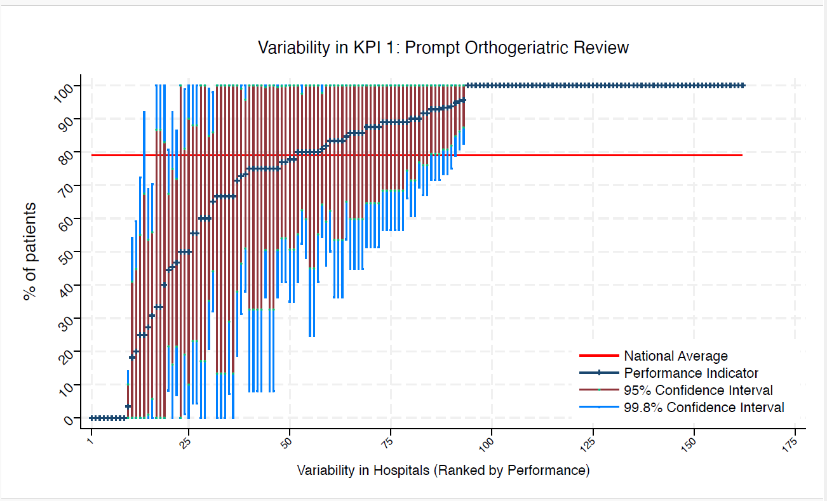
BOL | Royal Bolton Hospital | * | * | 79 | 100 | 0 | 100 | 13 | average
BRD | Bradford Royal Infirmary | 11 | 46 | 79 | 92 | 0 | 75 | 16 | average
BRG | Bronglais General Hospital | 6 | 100 | 79 | 100 | 100 | 100 | 100 | above average
BRI | Bristol Royal Infirmary | 6 | 100 | 79 | 100 | 100 | 100 | 100 | above average
BRO | Princess Royal University Hospital (Bromley) | 10 | 20 | 79 | 59 | 0 | 45 | 0 | under average
BRT | Queens Hospital | * | * | 79 | 100 | 100 | 100 | 100 | above average
CGH | Conquest Hospital | 8 | 100 | 79 | 100 | 100 | 100 | 100 | above average
CHE | Chesterfield Royal | 12 | 75 | 79 | 100 | 36 | 100 | 51 | average
CLW | Glan Clwyd Hospital | * | * | 79 | 100 | 100 | 100 | 100 | above average
CMI | Cumberland Infirmary | 12 | 100 | 79 | 100 | 100 | 100 | 100 | above average
COC | Countess of Chester Hospital | * | * | 79 | 100 | 100 | 100 | 100 | above average
COL | Colchester General Hospital | 8 | 88 | 79 | 100 | 51 | 100 | 65 | average
CRG | Craigavon Area Hospital | * | * | 79 | 100 | 0 | 83 | 0 | average
DAR | Darlington Memorial Hospital | * | * | 79 | 100 | 0 | 100 | 17 | average
DER | Royal Derby Hospital | 15 | 100 | 79 | 100 | 100 | 100 | 100 | above average
DID | Doncaster Royal Infirmary | * | * | 79 | 0 | 0 | 0 | 0 | under average
DRY | University Hospital of North Durham | 9 | 78 | 79 | 100 | 35 | 100 | 51 | average
DVH | Darent Valley Hospital | * | * | 79 | 100 | 100 | 100 | 100 | above average
EAL | Ealing Hospital | * | * | 79 | 100 | 100 | 100 | 100 | above average
EBH | Birmingham Heartlands Hospital | * | * | 79 | 100 | 100 | 100 | 100 | above average
ENH | East and North Herts Hospital | 11 | 100 | 79 | 100 | 100 | 100 | 100 | above average
ESU | East Surrey Hospital | * | * | 79 | 100 | 0 | 87 | 0 | average
FAZ | University Hospital Aintree | 15 | 73 | 79 | 100 | 38 | 96 | 51 | average
FGH | Furness General | * | * | 79 | 100 | 100 | 100 | 100 | above average
FRM | Frimley Park Hospital | 10 | 100 | 79 | 100 | 100 | 100 | 100 | above average
FRY | Southmead Hospital | * | * | 79 | 100 | 100 | 100 | 100 | above average
GEO | St George's Hospital | 13 | 85 | 79 | 100 | 54 | 100 | 65 | average
GGH | Diana, Princess of Wales Hospital | * | * | 79 | 100 | 8 | 100 | 33 | average
GLO | Gloucestershire Royal Hospital | 29 | 3 | 79 | 14 | 0 | 10 | 0 | under average
GWE | The Grange University Hospital | 14 | 93 | 79 | 100 | 72 | 100 | 79 | average
GWH | Queen Elizabeth Hospital, Woolwich | * | * | 79 | 100 | 100 | 100 | 100 | above average
GWY | Ysbyty Gwynedd Hospital | * | * | 79 | 100 | 8 | 100 | 33 | average
HAR | Harrogate District Hospital | * | * | 79 | 100 | 100 | 100 | 100 | above average
HCH | County Hospital Hereford | 7 | 100 | 79 | 100 | 100 | 100 | 100 | above average
HIL | Hillingdon Hospital | * | * | 79 | 100 | 100 | 100 | 100 | above average
HOM | Homerton Hospital | * | * | 79 | 100 | 100 | 100 | 100 | above average
HOR | Horton General Hospital | * | * | 79 | 100 | 100 | 100 | 100 | above average
HRI | Hull Royal Infirmary | 16 | 94 | 79 | 100 | 75 | 100 | 82 | average
HUD | Huddersfield Royal Infirmary | 10 | 90 | 79 | 100 | 61 | 100 | 71 | average
IOW | St Mary's Hospital, Newport | * | * | 79 | 0 | 0 | 0 | 0 | under average
IPS | The Ipswich Hospital | 9 | 89 | 79 | 100 | 57 | 100 | 68 | average
JPH | James Paget Hospital | * | * | 79 | 100 | 100 | 100 | 100 | above average
KCH | King's College Hospital | 8 | 88 | 79 | 100 | 51 | 100 | 65 | average
KGH | Kettering General Hospital | * | * | 79 | 100 | 8 | 100 | 33 | average
KMH | Kings Mill Hospital | * | * | 79 | 100 | 8 | 100 | 33 | average
KTH | Kingston Hospital | 7 | 100 | 79 | 100 | 100 | 100 | 100 | above average
LER | Leicester Royal Infirmary | 23 | 96 | 79 | 100 | 83 | 100 | 87 | above average
LEW | University Hospital Lewisham | 14 | 93 | 79 | 100 | 72 | 100 | 79 | average
LGH | Leighton Hospital | 10 | 80 | 79 | 100 | 41 | 100 | 55 | average
LGI | Leeds General Infirmary | 12 | 75 | 79 | 100 | 36 | 100 | 51 | average
LIN | Lincoln County Hospital | * | * | 79 | 100 | 0 | 100 | 17 | average
MAC | Macclesfield District General Hospital | * | * | 79 | 100 | 100 | 100 | 100 | above average
MAY | Mayday University Hospital | 6 | 100 | 79 | 100 | 100 | 100 | 100 | above average
MDW | Medway Maritime Hospital | 15 | 80 | 79 | 100 | 48 | 100 | 60 | average
MKH | Milton Keynes General Hospital | * | * | 79 | 100 | 100 | 100 | 100 | above average
MOR | Morriston Hospital | * | * | 79 | 100 | 0 | 100 | 13 | average
MPH | Musgrove Park Hospital | 12 | 92 | 79 | 100 | 67 | 100 | 76 | average
MRI | Manchester Royal Infirmary | * | * | 79 | 100 | 100 | 100 | 100 | above average
NCR | New Cross Hospital | 18 | 100 | 79 | 100 | 100 | 100 | 100 | above average
NDD | North Devon District Hospital | 9 | 56 | 79 | 100 | 4 | 88 | 23 | average
NGS | Northern General Hospital | 9 | 89 | 79 | 100 | 57 | 100 | 68 | average
NHH | North Hampshire Hospital | * | * | 79 | 100 | 25 | 100 | 45 | average
NMG | North Manchester General Hospital | 6 | 100 | 79 | 100 | 100 | 100 | 100 | above average
NMH | North Middlesex Hospital | 7 | 71 | 79 | 100 | 19 | 100 | 38 | average
NOB | Noble's Hospital | * | * | 79 | 100 | 0 | 100 | 0 | average
NOR | Norfolk and Norwich Hospital | 18 | 44 | 79 | 81 | 8 | 67 | 22 | average
NPH | Northwick Park Hospital | 15 | 93 | 79 | 100 | 73 | 100 | 81 | average
NSE | Northumbria Specialist Emergency Care Hospital | 8 | 88 | 79 | 100 | 51 | 100 | 65 | average
NTG | University Hospital of North Tees | 9 | 56 | 79 | 100 | 4 | 88 | 23 | average
NTH | Northampton General Hospital | 7 | 86 | 79 | 100 | 45 | 100 | 60 | average
NUH | Ulster Hospital | 6 | 50 | 79 | 100 | 0 | 90 | 10 | average
NUN | George Eliot Hospital | * | * | 79 | 100 | 100 | 100 | 100 | above average
OHM | Royal Oldham Hospital | 13 | 77 | 79 | 100 | 41 | 100 | 54 | average
OLD | Queens Hospital Romford | * | * | 79 | 100 | 100 | 100 | 100 | above average
PAH | Princess Alexandra Hospital | 10 | 100 | 79 | 100 | 100 | 100 | 100 | above average
PCH | Prince Charles Hospital | 7 | 0 | 79 | 0 | 0 | 0 | 0 | under average
PEH | Princess Elizabeth Hospital (Guernsey) | * | * | 79 | 0 | 0 | 0 | 0 | under average
PET | Peterborough City Hospital | 11 | 18 | 79 | 54 | 0 | 41 | 0 | under average
PGH | Poole General Hospital | 12 | 100 | 79 | 100 | 100 | 100 | 100 | above average
PIL | Pilgrim Hospital | 6 | 100 | 79 | 100 | 100 | 100 | 100 | above average
PIN | Pinderfields General Hospital | 11 | 27 | 79 | 69 | 0 | 54 | 1 | under average
PLY | Derriford Hospital | 11 | 82 | 79 | 100 | 46 | 100 | 59 | average
PMS | The Great Western Hospital | * | * | 79 | 100 | 25 | 100 | 45 | average
QAP | Queen Alexandra Hospital | 17 | 100 | 79 | 100 | 100 | 100 | 100 | above average
QEB | Queen Elizabeth Hospital, Edgbaston | 20 | 90 | 79 | 100 | 69 | 100 | 77 | average
QEG | Queen Elizabeth Hospital, Gateshead | * | * | 79 | 100 | 8 | 100 | 33 | average
QEQ | Queen Elizabeth the Queen Mother Hospital | 7 | 86 | 79 | 100 | 45 | 100 | 60 | average
QKL | Queen Elizabeth Hospital (King's Lynn) | 9 | 89 | 79 | 100 | 57 | 100 | 68 | average
RAD | John Radcliffe Hospital | 11 | 100 | 79 | 100 | 100 | 100 | 100 | above average
RBE | Royal Berkshire Hospital | * | * | 79 | 100 | 100 | 100 | 100 | above average
RCH | Royal Cornwall Hospital | 9 | 78 | 79 | 100 | 35 | 100 | 51 | average
RDE | Royal Devon & Exeter Hospital | * | * | 79 | 100 | 100 | 100 | 100 | above average
RFH | Royal Free Hospital | * | * | 79 | 100 | 0 | 87 | 0 | average
RGH | Royal Glamorgan | 10 | 0 | 79 | 0 | 0 | 0 | 0 | under average
RLI | Royal Lancaster Infirmary | 9 | 89 | 79 | 100 | 57 | 100 | 68 | average
ROT | Rotherham General Hospital | * | * | 79 | 100 | 100 | 100 | 100 | above average
RPH | Royal Preston Hospital | 13 | 100 | 79 | 100 | 100 | 100 | 100 | above average
RSC | Royal Sussex County Hospital | 13 | 0 | 79 | 0 | 0 | 0 | 0 | under average
RSS | Royal Shrewsbury Hospital | 9 | 100 | 79 | 100 | 100 | 100 | 100 | above average
RSU | Royal Surrey County Hospital | * | * | 79 | 100 | 100 | 100 | 100 | above average
RUS | Russells Hall Hospital | 10 | 100 | 79 | 100 | 100 | 100 | 100 | above average
RVB | Royal Victoria Hospital | 20 | 65 | 79 | 98 | 32 | 86 | 44 | average
RVN | Royal Victoria Infirmary | 12 | 100 | 79 | 100 | 100 | 100 | 100 | above average
SAL | Salisbury District Hospital | * | * | 79 | 100 | 100 | 100 | 100 | above average
SAN | Sandwell District Hospital | * | * | 79 | 100 | 100 | 100 | 100 | above average
SCA | Scarborough General Hospital | 7 | 86 | 79 | 100 | 45 | 100 | 60 | average
SCM | James Cook University Hospital | 11 | 100 | 79 | 100 | 100 | 100 | 100 | above average
SCU | Scunthorpe General Hospital | * | * | 79 | 100 | 100 | 100 | 100 | above average
SEH | Southend Hospital | 21 | 95 | 79 | 100 | 81 | 100 | 86 | above average
SGH | Southampton General Hospital | 18 | 89 | 79 | 100 | 66 | 100 | 74 | average
SHC | St Helier Hospital | 6 | 67 | 79 | 100 | 7 | 100 | 29 | average
SHH | Stepping Hill Hospital | * | * | 79 | 100 | 100 | 100 | 100 | above average
SLF | Salford Royal | 10 | 90 | 79 | 100 | 61 | 100 | 71 | average
SMV | Stoke Mandeville Hospital | 6 | 83 | 79 | 100 | 36 | 100 | 54 | average
SOU | Southport and Formby District General | 11 | 73 | 79 | 100 | 31 | 99 | 46 | average
SPH | St Peter's Hospital | 6 | 100 | 79 | 100 | 100 | 100 | 100 | above average
STD | South Tyneside District Hospital | * | * | 79 | 100 | 100 | 100 | 100 | above average
STH | St Thomas Hospital | * | * | 79 | 100 | 100 | 100 | 100 | above average
STM | St Marys Hospital, Paddington | * | * | 79 | 100 | 0 | 100 | 13 | average
STO | University Hospital of North Staffordshire | 20 | 80 | 79 | 100 | 52 | 98 | 63 | average
STR | St Richards Hospital | 15 | 60 | 79 | 99 | 21 | 85 | 35 | average
SUN | Sunderland Royal Hospital | 14 | 93 | 79 | 100 | 72 | 100 | 79 | average
TGA | Tameside General Hospital | 6 | 100 | 79 | 100 | 100 | 100 | 100 | above average
TLF | Princess Royal Hospital, Telford | 7 | 86 | 79 | 100 | 45 | 100 | 60 | average
TOR | Torbay Hospital | 6 | 83 | 79 | 100 | 36 | 100 | 54 | average
TUN | Tunbridge Wells Hospital | * | * | 79 | 100 | 100 | 100 | 100 | above average
UCL | University College Hospital | 7 | 100 | 79 | 100 | 100 | 100 | 100 | above average
UHC | University Hospital Coventry | 21 | 81 | 79 | 100 | 55 | 98 | 64 | average
UHN | University Hospital Queens Medical Centre | 15 | 93 | 79 | 100 | 73 | 100 | 81 | average
UHW | University Hospital of Wales | 10 | 50 | 79 | 99 | 1 | 81 | 19 | average
VIC | Victoria Hospital | * | * | 79 | 0 | 0 | 0 | 0 | under average
WAR | Warwick Hospital | * | * | 79 | 100 | 100 | 100 | 100 | above average
WDG | Warrington District General Hospital | 12 | 83 | 79 | 100 | 50 | 100 | 62 | average
WDH | Dorset County Hospital | * | * | 79 | 92 | 0 | 67 | 0 | average
WES | Chelsea & Westminster Hospital | * | * | 79 | 100 | 100 | 100 | 100 | above average
WEX | Wexham Park Hospital | 12 | 100 | 79 | 100 | 100 | 100 | 100 | above average
WGH | Weston General Hospital | * | * | 79 | 100 | 8 | 100 | 33 | average
WHC | Whipps Cross Hospital | 12 | 92 | 79 | 100 | 67 | 100 | 76 | average
WHH | William Harvey Hospital | * | * | 79 | 100 | 100 | 100 | 100 | above average
WHT | Whittington Hospital | * | * | 79 | 100 | 100 | 100 | 100 | above average
WIR | Arrowe Park Hospital | 19 | 95 | 79 | 100 | 79 | 100 | 85 | average
WMH | Manor Hospital | 13 | 77 | 79 | 100 | 41 | 100 | 54 | average
WMU | West Middlesex University Hospital | * | * | 79 | 100 | 100 | 100 | 100 | above average
WRC | Worcestershire Royal Hospital | 13 | 31 | 79 | 70 | 0 | 56 | 6 | under average
WRX | Maelor Hospital | * | * | 79 | 100 | 100 | 100 | 100 | above average
WSH | West Suffolk Hospital | * | * | 79 | 100 | 100 | 100 | 100 | above average
WWG | West Wales General | * | * | 79 | 0 | 0 | 0 | 0 | under average
WYB | Withybush General Hospital | * | * | 79 | 100 | 100 | 100 | 100 | above average
WYT | Wythenshawe Hospital | 12 | 100 | 79 | 100 | 100 | 100 | 100 | above average
YDH | York District Hospital | 9 | 89 | 79 | 100 | 57 | 100 | 68 | average
YEO | Yeovil District Hospital | 8 | 88 | 79 | 100 | 51 | 100 | 65 | average

KPI2
NHFD 2026 annual report femoral shaft KPI

Site code | Site name | sample size | performance indicator (%) | target performance (%) | upper 99.8% confidence interval | lower 99.8% confidence interval | upper 95% confidence interval | lower 95% confidence interval | performance 99.8%
ADD | Addenbrooke's Hospital | 10 | 40 | 49 | 88 | 0 | 70 | 10 | average
AEI | Royal Albert Edward Infirmary | 8 | 75 | 49 | 100 | 28 | 100 | 45 | average
AIR | Airedale General Hospital | * | * | 49 | 100 | 100 | 100 | 100 | above average
ALT | Altnagelvin Hospital | * | * | 49 | 100 | 8 | 100 | 33 | average
BAR | Barnsley District General Hospital | * | * | 49 | 100 | 0 | 99 | 1 | average
BAS | Basildon Hospital | 12 | 25 | 49 | 64 | 0 | 50 | 1 | average
BAT | Royal United Hospital Bath | 9 | 33 | 49 | 82 | 0 | 64 | 3 | average
BED | Bedford Hospital | * | * | 49 | 0 | 0 | 0 | 0 | under average
BFH | Broomfield Chelmsford | * | * | 49 | 100 | 100 | 100 | 100 | above average
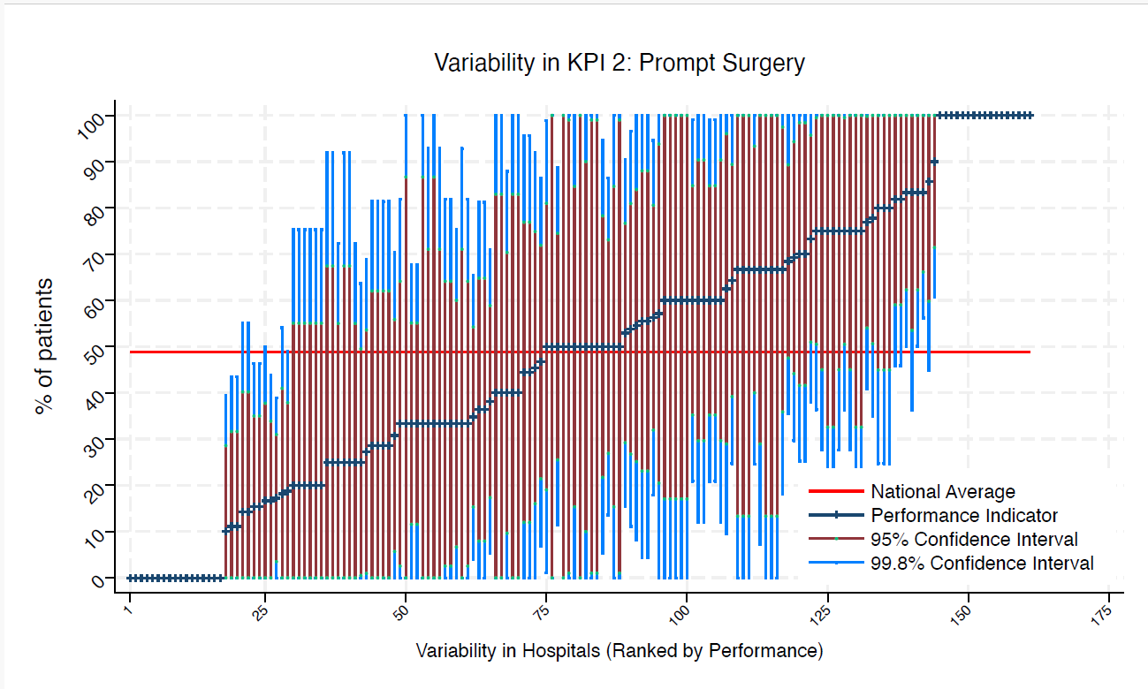
BLA | Royal Blackburn Hospital | 13 | 15 | 49 | 46 | 0 | 35 | 0 | under average
BNT | Barnet General Hospital | 8 | 63 | 49 | 100 | 10 | 96 | 29 | average
BOL | Royal Bolton Hospital | * | * | 49 | 100 | 0 | 100 | 13 | average
BRD | Bradford Royal Infirmary | 10 | 70 | 49 | 100 | 25 | 98 | 42 | average
BRG | Bronglais General Hospital | 6 | 0 | 49 | 0 | 0 | 0 | 0 | under average
BRI | Bristol Royal Infirmary | 6 | 33 | 49 | 93 | 0 | 71 | 0 | average
BRO | Princess Royal University Hospital (Bromley) | 9 | 67 | 49 | 100 | 18 | 98 | 36 | average
BRT | Queens Hospital | * | * | 49 | 100 | 0 | 87 | 0 | average
CGH | Conquest Hospital | 7 | 57 | 49 | 100 | 0 | 94 | 21 | average
CHE | Chesterfield Royal | 12 | 33 | 49 | 75 | 0 | 60 | 7 | average
CLW | Glan Clwyd Hospital | * | * | 49 | 100 | 100 | 100 | 100 | above average
CMI | Cumberland Infirmary | 8 | 50 | 49 | 100 | 0 | 85 | 15 | average
COC | Countess of Chester Hospital | * | * | 49 | 100 | 8 | 100 | 33 | average
COL | Colchester General Hospital | 6 | 33 | 49 | 93 | 0 | 71 | 0 | average
CRG | Craigavon Area Hospital | * | * | 49 | 75 | 0 | 55 | 0 | average
DAR | Darlington Memorial Hospital | * | * | 49 | 100 | 0 | 100 | 17 | average
DER | Royal Derby Hospital | 15 | 73 | 49 | 100 | 38 | 96 | 51 | average
DID | Doncaster Royal Infirmary | * | * | 49 | 0 | 0 | 0 | 0 | under average
DRY | University Hospital of North Durham | 9 | 56 | 49 | 100 | 4 | 88 | 23 | average
DVH | Darent Valley Hospital | * | * | 49 | 100 | 100 | 100 | 100 | above average
EAL | Ealing Hospital | * | * | 49 | 0 | 0 | 0 | 0 | under average
EBH | Birmingham Heartlands Hospital | * | * | 49 | 0 | 0 | 0 | 0 | under average
ENH | East and North Herts Hospital | 11 | 46 | 49 | 92 | 0 | 75 | 16 | average
ESU | East Surrey Hospital | * | * | 49 | 100 | 0 | 87 | 0 | average
FAZ | University Hospital Aintree | 15 | 60 | 49 | 99 | 21 | 85 | 35 | average
FGH | Furness General | * | * | 49 | 0 | 0 | 0 | 0 | under average
FRM | Frimley Park Hospital | 10 | 60 | 49 | 100 | 12 | 90 | 30 | average
FRY | Southmead Hospital | * | * | 49 | 100 | 25 | 100 | 45 | average
GEO | St George's Hospital | 12 | 83 | 49 | 100 | 50 | 100 | 62 | above average
GGH | Diana, Princess of Wales Hospital | * | * | 49 | 92 | 0 | 67 | 0 | average
GLO | Gloucestershire Royal Hospital | 29 | 17 | 49 | 39 | 0 | 31 | 4 | under average
GWE | The Grange University Hospital | 13 | 69 | 49 | 100 | 30 | 94 | 44 | average
GWH | Queen Elizabeth Hospital, Woolwich | * | * | 49 | 0 | 0 | 0 | 0 | under average
GWY | Ysbyty Gwynedd Hospital | * | * | 49 | 100 | 8 | 100 | 33 | average
HAR | Harrogate District Hospital | * | * | 49 | 92 | 0 | 67 | 0 | average
HCH | County Hospital Hereford | 7 | 29 | 49 | 81 | 0 | 62 | 0 | average
HIL | Hillingdon Hospital | * | * | 49 | 100 | 0 | 100 | 13 | average
HOM | Homerton Hospital | * | * | 49 | 100 | 0 | 100 | 0 | average
HOR | Horton General Hospital | * | * | 49 | 100 | 100 | 100 | 100 | above average
HRI | Hull Royal Infirmary | 16 | 19 | 49 | 49 | 0 | 38 | 0 | average
HUD | Huddersfield Royal Infirmary | 8 | 75 | 49 | 100 | 28 | 100 | 45 | average
IOW | St Mary's Hospital, Newport | * | * | 49 | 0 | 0 | 0 | 0 | under average
IPS | The Ipswich Hospital | 8 | 25 | 49 | 72 | 0 | 55 | 0 | average
JPH | James Paget Hospital | * | * | 49 | 100 | 0 | 87 | 0 | average
KCH | King's College Hospital | 8 | 25 | 49 | 72 | 0 | 55 | 0 | average
KGH | Kettering General Hospital | * | * | 49 | 100 | 0 | 99 | 1 | average
KMH | Kings Mill Hospital | * | * | 49 | 92 | 0 | 67 | 0 | average
KTH | Kingston Hospital | 7 | 14 | 49 | 55 | 0 | 40 | 0 | average
LER | Leicester Royal Infirmary | 23 | 35 | 49 | 66 | 4 | 54 | 15 | average
LEW | University Hospital Lewisham | 13 | 77 | 49 | 100 | 41 | 100 | 54 | average
LGH | Leighton Hospital | 10 | 50 | 49 | 99 | 1 | 81 | 19 | average
LGI | Leeds General Infirmary | 11 | 36 | 49 | 81 | 0 | 65 | 8 | average
LIN | Lincoln County Hospital | * | * | 49 | 0 | 0 | 0 | 0 | under average
MAC | Macclesfield District General Hospital | * | * | 49 | 0 | 0 | 0 | 0 | under average
MAY | Mayday University Hospital | * | * | 49 | 100 | 0 | 100 | 17 | average
MDW | Medway Maritime Hospital | 15 | 60 | 49 | 99 | 21 | 85 | 35 | average
MKH | Milton Keynes General Hospital | * | * | 49 | 100 | 100 | 100 | 100 | above average
MOR | Morriston Hospital | * | * | 49 | 0 | 0 | 0 | 0 | under average
MPH | Musgrove Park Hospital | 12 | 67 | 49 | 100 | 25 | 93 | 40 | average
MRI | Manchester Royal Infirmary | * | * | 49 | 100 | 0 | 100 | 0 | average
NCR | New Cross Hospital | 16 | 56 | 49 | 95 | 18 | 81 | 32 | average
NDD | North Devon District Hospital | 8 | 50 | 49 | 100 | 0 | 85 | 15 | average
NGS | Northern General Hospital | 9 | 44 | 49 | 96 | 0 | 77 | 12 | average
NHH | North Hampshire Hospital | * | * | 49 | 75 | 0 | 55 | 0 | average
NMG | North Manchester General Hospital | * | * | 49 | 75 | 0 | 55 | 0 | average
NMH | North Middlesex Hospital | 6 | 0 | 49 | 0 | 0 | 0 | 0 | under average
NOB | Noble's Hospital | * | * | 49 | 100 | 100 | 100 | 100 | above average
NOR | Norfolk and Norwich Hospital | 18 | 50 | 49 | 86 | 14 | 73 | 27 | average
NPH | Northwick Park Hospital | 12 | 50 | 49 | 95 | 5 | 78 | 22 | average
NSE | Northumbria Specialist Emergency Care Hospital | 8 | 75 | 49 | 100 | 28 | 100 | 45 | average
NTG | University Hospital of North Tees | 7 | 14 | 49 | 55 | 0 | 40 | 0 | average
NTH | Northampton General Hospital | 7 | 29 | 49 | 81 | 0 | 62 | 0 | average
NUH | Ulster Hospital | * | * | 49 | 75 | 0 | 55 | 0 | average
NUN | George Eliot Hospital | * | * | 49 | 0 | 0 | 0 | 0 | under average
OHM | Royal Oldham Hospital | 12 | 83 | 49 | 100 | 50 | 100 | 62 | above average
OLD | Queens Hospital Romford | * | * | 49 | 100 | 0 | 100 | 0 | average
PAH | Princess Alexandra Hospital | 9 | 56 | 49 | 100 | 4 | 88 | 23 | average
PCH | Prince Charles Hospital | * | * | 49 | 100 | 0 | 83 | 0 | average
PEH | Princess Elizabeth Hospital (Guernsey) | * | * | 49 | 100 | 100 | 100 | 100 | above average
PET | Peterborough City Hospital | 10 | 10 | 49 | 39 | 0 | 29 | 0 | under average
PGH | Poole General Hospital | 11 | 82 | 49 | 100 | 46 | 100 | 59 | average
PIL | Pilgrim Hospital | * | * | 49 | 75 | 0 | 55 | 0 | average
PIN | Pinderfields General Hospital | 11 | 36 | 49 | 81 | 0 | 65 | 8 | average
PLY | Derriford Hospital | 11 | 27 | 49 | 69 | 0 | 54 | 1 | average
PMS | The Great Western Hospital | * | * | 49 | 92 | 0 | 67 | 0 | average
QAP | Queen Alexandra Hospital | 17 | 53 | 49 | 90 | 16 | 77 | 29 | average
QEB | Queen Elizabeth Hospital, Edgbaston | 18 | 83 | 49 | 100 | 56 | 100 | 66 | above average
QEG | Queen Elizabeth Hospital, Gateshead | * | * | 49 | 100 | 100 | 100 | 100 | above average
QEQ | Queen Elizabeth the Queen Mother Hospital | * | * | 49 | 100 | 100 | 100 | 100 | above average
QKL | Queen Elizabeth Hospital (King's Lynn) | 9 | 78 | 49 | 100 | 35 | 100 | 51 | average
RAD | John Radcliffe Hospital | 11 | 100 | 49 | 100 | 100 | 100 | 100 | above average
RBE | Royal Berkshire Hospital | * | * | 49 | 0 | 0 | 0 | 0 | under average
RCH | Royal Cornwall Hospital | 9 | 11 | 49 | 44 | 0 | 32 | 0 | under average
RDE | Royal Devon & Exeter Hospital | * | * | 49 | 100 | 25 | 100 | 45 | average
RFH | Royal Free Hospital | * | * | 49 | 100 | 0 | 100 | 13 | average
RGH | Royal Glamorgan | 10 | 70 | 49 | 100 | 25 | 98 | 42 | average
RLI | Royal Lancaster Infirmary | 9 | 11 | 49 | 44 | 0 | 32 | 0 | under average
ROT | Rotherham General Hospital | * | * | 49 | 75 | 0 | 55 | 0 | average
RPH | Royal Preston Hospital | 13 | 31 | 49 | 70 | 0 | 56 | 6 | average
RSC | Royal Sussex County Hospital | 13 | 54 | 49 | 97 | 11 | 81 | 27 | average
RSS | Royal Shrewsbury Hospital | 9 | 33 | 49 | 82 | 0 | 64 | 3 | average
RSU | Royal Surrey County Hospital | * | * | 49 | 100 | 100 | 100 | 100 | above average
RUS | Russells Hall Hospital | 9 | 33 | 49 | 82 | 0 | 64 | 3 | average
RVB | Royal Victoria Hospital | 19 | 68 | 49 | 100 | 36 | 89 | 48 | average
RVN | Royal Victoria Infirmary | 12 | 75 | 49 | 100 | 36 | 100 | 51 | average
SAL | Salisbury District Hospital | * | * | 49 | 100 | 0 | 99 | 1 | average
SAN | Sandwell District Hospital | * | * | 49 | 0 | 0 | 0 | 0 | under average
SCA | Scarborough General Hospital | 7 | 29 | 49 | 81 | 0 | 62 | 0 | average
SCM | James Cook University Hospital | 11 | 82 | 49 | 100 | 46 | 100 | 59 | average
SCU | Scunthorpe General Hospital | * | * | 49 | 100 | 100 | 100 | 100 | above average
SEH | Southend Hospital | 18 | 33 | 49 | 68 | 0 | 55 | 12 | average
SGH | Southampton General Hospital | 18 | 17 | 49 | 44 | 0 | 34 | 0 | under average
SHC | St Helier Hospital | 6 | 83 | 49 | 100 | 36 | 100 | 54 | average
SHH | Stepping Hill Hospital | * | * | 49 | 100 | 0 | 100 | 17 | average
SLF | Salford Royal | 10 | 90 | 49 | 100 | 61 | 100 | 71 | above average
SMV | Stoke Mandeville Hospital | * | * | 49 | 100 | 0 | 100 | 17 | average
SOU | Southport and Formby District General | 10 | 60 | 49 | 100 | 12 | 90 | 30 | average
SPH | St Peter's Hospital | 6 | 67 | 49 | 100 | 7 | 100 | 29 | average
STD | South Tyneside District Hospital | * | * | 49 | 100 | 8 | 100 | 33 | average
STH | St Thomas Hospital | * | * | 49 | 100 | 100 | 100 | 100 | above average
STM | St Marys Hospital, Paddington | * | * | 49 | 100 | 0 | 100 | 13 | average
STO | University Hospital of North Staffordshire | 18 | 33 | 49 | 68 | 0 | 55 | 12 | average
STR | St Richards Hospital | 15 | 60 | 49 | 99 | 21 | 85 | 35 | average
SUN | Sunderland Royal Hospital | 14 | 64 | 49 | 100 | 25 | 89 | 39 | average
TGA | Tameside General Hospital | * | * | 49 | 100 | 0 | 83 | 0 | average
TLF | Princess Royal Hospital, Telford | 6 | 33 | 49 | 93 | 0 | 71 | 0 | average
TOR | Torbay Hospital | 6 | 50 | 49 | 100 | 0 | 90 | 10 | average
TUN | Tunbridge Wells Hospital | * | * | 49 | 0 | 0 | 0 | 0 | under average
UCL | University College Hospital | 7 | 29 | 49 | 81 | 0 | 62 | 0 | average
UHC | University Hospital Coventry | 21 | 38 | 49 | 71 | 5 | 59 | 17 | average
UHN | University Hospital Queens Medical Centre | 15 | 47 | 49 | 87 | 7 | 72 | 21 | average
UHW | University Hospital of Wales | 9 | 44 | 49 | 96 | 0 | 77 | 12 | average
VIC | Victoria Hospital | * | * | 49 | 100 | 100 | 100 | 100 | above average
WAR | Warwick Hospital | * | * | 49 | 100 | 25 | 100 | 45 | average
WDG | Warrington District General Hospital | 11 | 18 | 49 | 54 | 0 | 41 | 0 | average
WDH | Dorset County Hospital | * | * | 49 | 100 | 0 | 99 | 1 | average
WES | Chelsea & Westminster Hospital | * | * | 49 | 0 | 0 | 0 | 0 | under average
WEX | Wexham Park Hospital | 10 | 60 | 49 | 100 | 12 | 90 | 30 | average
WGH | Weston General Hospital | * | * | 49 | 100 | 0 | 100 | 13 | average
WHC | Whipps Cross Hospital | 12 | 75 | 49 | 100 | 36 | 100 | 51 | average
WHH | William Harvey Hospital | * | * | 49 | 100 | 0 | 83 | 0 | average
WHT | Whittington Hospital | * | * | 49 | 100 | 100 | 100 | 100 | above average
WIR | Arrowe Park Hospital | 16 | 50 | 49 | 89 | 11 | 75 | 26 | average
WMH | Manor Hospital | 12 | 17 | 49 | 50 | 0 | 38 | 0 | average
WMU | West Middlesex University Hospital | * | * | 49 | 100 | 0 | 100 | 13 | average
WRC | Worcestershire Royal Hospital | 13 | 15 | 49 | 46 | 0 | 35 | 0 | under average
WRX | Maelor Hospital | * | * | 49 | 100 | 0 | 100 | 17 | average
WSH | West Suffolk Hospital | * | * | 49 | 100 | 100 | 100 | 100 | above average
WWG | West Wales General | * | * | 49 | 100 | 0 | 83 | 0 | average
WYT | Wythenshawe Hospital | 11 | 55 | 49 | 100 | 8 | 84 | 25 | average
YDH | York District Hospital | 9 | 33 | 49 | 82 | 0 | 64 | 3 | average
YEO | Yeovil District Hospital | 7 | 86 | 49 | 100 | 45 | 100 | 60 | average

KPI4
NHFD 2026 annual report femoral shaft KPI

Site code | Site name | sample size | performance indicator (%) | target performance (%) | upper 99.8% confidence interval | lower 99.8% confidence interval | upper 95% confidence interval | lower 95% confidence interval | performance 99.8%
ADD | Addenbrooke's Hospital | 10 | 80 | 74 | 100 | 41 | 100 | 55 | average
AEI | Royal Albert Edward Infirmary | 8 | 75 | 74 | 100 | 28 | 100 | 45 | average
AIR | Airedale General Hospital | * | * | 74 | 100 | 0 | 100 | 13 | average
ALT | Altnagelvin Hospital | * | * | 74 | 100 | 100 | 100 | 100 | above average
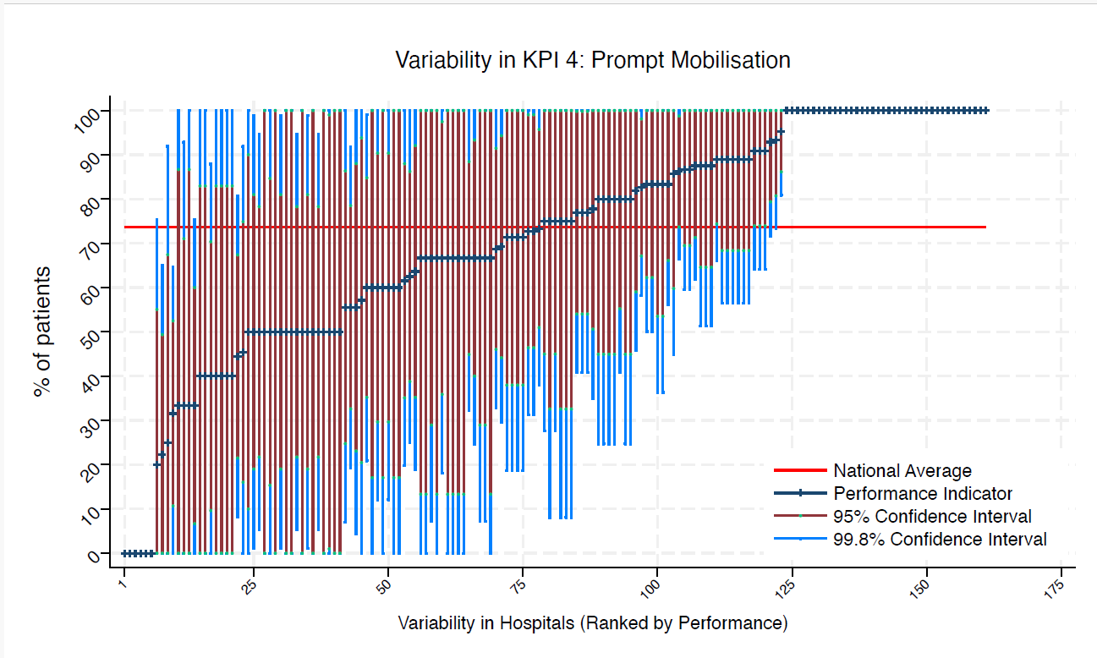
BAR | Barnsley District General Hospital | * | * | 74 | 100 | 100 | 100 | 100 | above average
BAS | Basildon Hospital | 12 | 83 | 74 | 100 | 50 | 100 | 62 | average
BAT | Royal United Hospital Bath | 9 | 89 | 74 | 100 | 57 | 100 | 68 | average
BED | Bedford Hospital | * | * | 74 | 0 | 0 | 0 | 0 | under average
BFH | Broomfield Chelmsford | * | * | 74 | 100 | 0 | 100 | 13 | average
BLA | Royal Blackburn Hospital | 13 | 100 | 74 | 100 | 100 | 100 | 100 | above average
BNT | Barnet General Hospital | 8 | 50 | 74 | 100 | 0 | 85 | 15 | average
BOL | Royal Bolton Hospital | * | * | 74 | 100 | 100 | 100 | 100 | above average
BRD | Bradford Royal Infirmary | 10 | 50 | 74 | 99 | 1 | 81 | 19 | average
BRG | Bronglais General Hospital | 6 | 33 | 74 | 93 | 0 | 71 | 0 | average
BRI | Bristol Royal Infirmary | 6 | 83 | 74 | 100 | 36 | 100 | 54 | average
BRO | Princess Royal University Hospital (Bromley) | 9 | 89 | 74 | 100 | 57 | 100 | 68 | average
BRT | Queens Hospital | * | * | 74 | 100 | 0 | 100 | 13 | average
CGH | Conquest Hospital | 7 | 71 | 74 | 100 | 19 | 100 | 38 | average
CHE | Chesterfield Royal | 12 | 100 | 74 | 100 | 100 | 100 | 100 | above average
CLW | Glan Clwyd Hospital | * | * | 74 | 100 | 8 | 100 | 33 | average
CMI | Cumberland Infirmary | 8 | 100 | 74 | 100 | 100 | 100 | 100 | above average
COC | Countess of Chester Hospital | * | * | 74 | 100 | 100 | 100 | 100 | above average
COL | Colchester General Hospital | 6 | 83 | 74 | 100 | 36 | 100 | 54 | average
CRG | Craigavon Area Hospital | * | * | 74 | 75 | 0 | 55 | 0 | average
DAR | Darlington Memorial Hospital | * | * | 74 | 100 | 25 | 100 | 45 | average
DER | Royal Derby Hospital | 15 | 60 | 74 | 99 | 21 | 85 | 35 | average
DID | Doncaster Royal Infirmary | * | * | 74 | 100 | 100 | 100 | 100 | above average
DRY | University Hospital of North Durham | 9 | 100 | 74 | 100 | 100 | 100 | 100 | above average
DVH | Darent Valley Hospital | * | * | 74 | 100 | 100 | 100 | 100 | above average
EAL | Ealing Hospital | * | * | 74 | 100 | 100 | 100 | 100 | above average
EBH | Birmingham Heartlands Hospital | * | * | 74 | 0 | 0 | 0 | 0 | under average
ENH | East and North Herts Hospital | 11 | 91 | 74 | 100 | 64 | 100 | 74 | average
ESU | East Surrey Hospital | * | * | 74 | 100 | 0 | 100 | 13 | average
FAZ | University Hospital Aintree | 15 | 73 | 74 | 100 | 38 | 96 | 51 | average
FGH | Furness General | * | * | 74 | 0 | 0 | 0 | 0 | under average
FRM | Frimley Park Hospital | 10 | 60 | 74 | 100 | 12 | 90 | 30 | average
FRY | Southmead Hospital | * | * | 74 | 100 | 0 | 83 | 0 | average
GEO | St George's Hospital | 12 | 50 | 74 | 95 | 5 | 78 | 22 | average
GGH | Diana, Princess of Wales Hospital | * | * | 74 | 100 | 100 | 100 | 100 | above average
GLO | Gloucestershire Royal Hospital | 29 | 86 | 74 | 100 | 66 | 99 | 74 | average
GWE | The Grange University Hospital | 13 | 62 | 74 | 100 | 20 | 88 | 35 | average
GWH | Queen Elizabeth Hospital, Woolwich | * | * | 74 | 100 | 100 | 100 | 100 | above average
GWY | Ysbyty Gwynedd Hospital | * | * | 74 | 100 | 100 | 100 | 100 | above average
HAR | Harrogate District Hospital | * | * | 74 | 100 | 0 | 99 | 1 | average
HCH | County Hospital Hereford | 7 | 100 | 74 | 100 | 100 | 100 | 100 | above average
HIL | Hillingdon Hospital | * | * | 74 | 100 | 0 | 100 | 13 | average
HOM | Homerton Hospital | * | * | 74 | 100 | 0 | 100 | 0 | average
HOR | Horton General Hospital | * | * | 74 | 92 | 0 | 67 | 0 | average
HRI | Hull Royal Infirmary | 16 | 88 | 74 | 100 | 62 | 100 | 71 | average
HUD | Huddersfield Royal Infirmary | 8 | 88 | 74 | 100 | 51 | 100 | 65 | average
IOW | St Mary's Hospital, Newport | * | * | 74 | 100 | 0 | 100 | 0 | average
IPS | The Ipswich Hospital | 8 | 88 | 74 | 100 | 51 | 100 | 65 | average
JPH | James Paget Hospital | * | * | 74 | 100 | 0 | 87 | 0 | average
KCH | King's College Hospital | 8 | 75 | 74 | 100 | 28 | 100 | 45 | average
KGH | Kettering General Hospital | * | * | 74 | 100 | 100 | 100 | 100 | above average
KMH | Kings Mill Hospital | * | * | 74 | 100 | 8 | 100 | 33 | average
KTH | Kingston Hospital | 7 | 86 | 74 | 100 | 45 | 100 | 60 | average
LER | Leicester Royal Infirmary | 23 | 83 | 74 | 100 | 58 | 98 | 67 | average
LEW | University Hospital Lewisham | 13 | 77 | 74 | 100 | 41 | 100 | 54 | average
LGH | Leighton Hospital | 10 | 40 | 74 | 88 | 0 | 70 | 10 | average
LGI | Leeds General Infirmary | 11 | 73 | 74 | 100 | 31 | 99 | 46 | average
LIN | Lincoln County Hospital | * | * | 74 | 100 | 0 | 100 | 13 | average
MAC | Macclesfield District General Hospital | * | * | 74 | 100 | 0 | 100 | 0 | average
MAY | Mayday University Hospital | * | * | 74 | 100 | 25 | 100 | 45 | average
MDW | Medway Maritime Hospital | 15 | 93 | 74 | 100 | 73 | 100 | 81 | average
MKH | Milton Keynes General Hospital | * | * | 74 | 100 | 100 | 100 | 100 | above average
MOR | Morriston Hospital | * | * | 74 | 100 | 100 | 100 | 100 | above average
MPH | Musgrove Park Hospital | 12 | 100 | 74 | 100 | 100 | 100 | 100 | above average
MRI | Manchester Royal Infirmary | * | * | 74 | 100 | 0 | 100 | 0 | average
NCR | New Cross Hospital | 16 | 63 | 74 | 100 | 25 | 86 | 39 | average
NDD | North Devon District Hospital | 8 | 88 | 74 | 100 | 51 | 100 | 65 | average
NGS | Northern General Hospital | 9 | 89 | 74 | 100 | 57 | 100 | 68 | average
NHH | North Hampshire Hospital | * | * | 74 | 100 | 0 | 100 | 17 | average
NMG | North Manchester General Hospital | * | * | 74 | 100 | 0 | 83 | 0 | average
NMH | North Middlesex Hospital | 6 | 67 | 74 | 100 | 7 | 100 | 29 | average
NOB | Noble's Hospital | * | * | 74 | 100 | 100 | 100 | 100 | above average
NOR | Norfolk and Norwich Hospital | 18 | 67 | 74 | 100 | 32 | 88 | 45 | average
NPH | Northwick Park Hospital | 12 | 67 | 74 | 100 | 25 | 93 | 40 | average
NSE | Northumbria Specialist Emergency Care Hospital | 8 | 100 | 74 | 100 | 100 | 100 | 100 | above average
NTG | University Hospital of North Tees | 7 | 57 | 74 | 100 | 0 | 94 | 21 | average
NTH | Northampton General Hospital | 7 | 71 | 74 | 100 | 19 | 100 | 38 | average
NUH | Ulster Hospital | * | * | 74 | 100 | 0 | 100 | 17 | average
NUN | George Eliot Hospital | * | * | 74 | 100 | 0 | 100 | 0 | average
OHM | Royal Oldham Hospital | 12 | 50 | 74 | 95 | 5 | 78 | 22 | average
OLD | Queens Hospital Romford | * | * | 74 | 100 | 0 | 100 | 0 | average
PAH | Princess Alexandra Hospital | 9 | 89 | 74 | 100 | 57 | 100 | 68 | average
PCH | Prince Charles Hospital | * | * | 74 | 100 | 0 | 100 | 17 | average
PEH | Princess Elizabeth Hospital (Guernsey) | * | * | 74 | 100 | 0 | 100 | 0 | average
PET | Peterborough City Hospital | 10 | 100 | 74 | 100 | 100 | 100 | 100 | above average
PGH | Poole General Hospital | 11 | 91 | 74 | 100 | 64 | 100 | 74 | average
PIL | Pilgrim Hospital | * | * | 74 | 100 | 0 | 83 | 0 | average
PIN | Pinderfields General Hospital | 11 | 46 | 74 | 92 | 0 | 75 | 16 | average
PLY | Derriford Hospital | 11 | 100 | 74 | 100 | 100 | 100 | 100 | above average
PMS | The Great Western Hospital | * | * | 74 | 100 | 100 | 100 | 100 | above average
QAP | Queen Alexandra Hospital | 17 | 100 | 74 | 100 | 100 | 100 | 100 | above average
QEB | Queen Elizabeth Hospital, Edgbaston | 18 | 44 | 74 | 81 | 8 | 67 | 22 | average
QEG | Queen Elizabeth Hospital, Gateshead | * | * | 74 | 100 | 0 | 100 | 0 | average
QEQ | Queen Elizabeth the Queen Mother Hospital | * | * | 74 | 100 | 0 | 83 | 0 | average
QKL | Queen Elizabeth Hospital (King's Lynn) | 9 | 89 | 74 | 100 | 57 | 100 | 68 | average
RAD | John Radcliffe Hospital | 11 | 82 | 74 | 100 | 46 | 100 | 59 | average
RBE | Royal Berkshire Hospital | * | * | 74 | 0 | 0 | 0 | 0 | under average
RCH | Royal Cornwall Hospital | 9 | 22 | 74 | 65 | 0 | 49 | 0 | under average
RDE | Royal Devon & Exeter Hospital | * | * | 74 | 100 | 25 | 100 | 45 | average
RFH | Royal Free Hospital | * | * | 74 | 100 | 0 | 87 | 0 | average
RGH | Royal Glamorgan | 10 | 56 | 74 | 100 | 7 | 86 | 25 | average
RLI | Royal Lancaster Infirmary | 9 | 67 | 74 | 100 | 18 | 98 | 36 | average
ROT | Rotherham General Hospital | * | * | 74 | 100 | 0 | 83 | 0 | average
RPH | Royal Preston Hospital | 13 | 77 | 74 | 100 | 41 | 100 | 54 | average
RSC | Royal Sussex County Hospital | 13 | 77 | 74 | 100 | 41 | 100 | 54 | average
RSS | Royal Shrewsbury Hospital | 9 | 56 | 74 | 100 | 4 | 88 | 23 | average
RSU | Royal Surrey County Hospital | * | * | 74 | 100 | 100 | 100 | 100 | above average
RUS | Russells Hall Hospital | 9 | 78 | 74 | 100 | 35 | 100 | 51 | average
RVB | Royal Victoria Hospital | 19 | 32 | 74 | 65 | 0 | 53 | 11 | under average
RVN | Royal Victoria Infirmary | 12 | 33 | 74 | 75 | 0 | 60 | 7 | average
SAL | Salisbury District Hospital | * | * | 74 | 100 | 8 | 100 | 33 | average
SAN | Sandwell District Hospital | * | * | 74 | 100 | 100 | 100 | 100 | above average
SCA | Scarborough General Hospital | 7 | 71 | 74 | 100 | 19 | 100 | 38 | average
SCM | James Cook University Hospital | 11 | 64 | 74 | 100 | 19 | 92 | 35 | average
SCU | Scunthorpe General Hospital | * | * | 74 | 100 | 0 | 100 | 0 | average
SEH | Southend Hospital | 18 | 89 | 74 | 100 | 66 | 100 | 74 | average
SGH | Southampton General Hospital | 18 | 56 | 74 | 92 | 19 | 79 | 33 | average
SHC | St Helier Hospital | 6 | 50 | 74 | 100 | 0 | 90 | 10 | average
SHH | Stepping Hill Hospital | * | * | 74 | 100 | 25 | 100 | 45 | average
SLF | Salford Royal | 10 | 50 | 74 | 99 | 1 | 81 | 19 | average
SMV | Stoke Mandeville Hospital | * | * | 74 | 100 | 0 | 100 | 17 | average
SOU | Southport and Formby District General | 10 | 60 | 74 | 100 | 12 | 90 | 30 | average
SPH | St Peter's Hospital | 6 | 67 | 74 | 100 | 7 | 100 | 29 | average
STD | South Tyneside District Hospital | * | * | 74 | 100 | 100 | 100 | 100 | above average
STH | St Thomas Hospital | * | * | 74 | 100 | 100 | 100 | 100 | above average
STM | St Marys Hospital, Paddington | * | * | 74 | 100 | 0 | 100 | 13 | average
STO | University Hospital of North Staffordshire | 18 | 83 | 74 | 100 | 56 | 100 | 66 | average
STR | St Richards Hospital | 15 | 87 | 74 | 100 | 60 | 100 | 70 | average
SUN | Sunderland Royal Hospital | 14 | 93 | 74 | 100 | 72 | 100 | 79 | average
TGA | Tameside General Hospital | * | * | 74 | 100 | 25 | 100 | 45 | average
TLF | Princess Royal Hospital, Telford | 6 | 100 | 74 | 100 | 100 | 100 | 100 | above average
TOR | Torbay Hospital | 6 | 67 | 74 | 100 | 7 | 100 | 29 | average
TUN | Tunbridge Wells Hospital | * | * | 74 | 0 | 0 | 0 | 0 | under average
UCL | University College Hospital | 7 | 71 | 74 | 100 | 19 | 100 | 38 | average
UHC | University Hospital Coventry | 21 | 95 | 74 | 100 | 81 | 100 | 86 | above average
UHN | University Hospital Queens Medical Centre | 15 | 87 | 74 | 100 | 60 | 100 | 70 | average
UHW | University Hospital of Wales | 9 | 89 | 74 | 100 | 57 | 100 | 68 | average
VIC | Victoria Hospital | * | * | 74 | 100 | 100 | 100 | 100 | above average
WAR | Warwick Hospital | * | * | 74 | 100 | 100 | 100 | 100 | above average
WDG | Warrington District General Hospital | 11 | 91 | 74 | 100 | 64 | 100 | 74 | average
WDH | Dorset County Hospital | * | * | 74 | 100 | 8 | 100 | 33 | average
WES | Chelsea & Westminster Hospital | * | * | 74 | 0 | 0 | 0 | 0 | under average
WEX | Wexham Park Hospital | 10 | 50 | 74 | 99 | 1 | 81 | 19 | average
WGH | Weston General Hospital | * | * | 74 | 100 | 100 | 100 | 100 | above average
WHC | Whipps Cross Hospital | 12 | 83 | 74 | 100 | 50 | 100 | 62 | average
WHH | William Harvey Hospital | * | * | 74 | 100 | 100 | 100 | 100 | above average
WHT | Whittington Hospital | * | * | 74 | 100 | 100 | 100 | 100 | above average
WIR | Arrowe Park Hospital | 16 | 69 | 74 | 100 | 33 | 92 | 46 | average
WMH | Manor Hospital | 12 | 50 | 74 | 95 | 5 | 78 | 22 | average
WMU | West Middlesex University Hospital | * | * | 74 | 100 | 0 | 100 | 13 | average
WRC | Worcestershire Royal Hospital | 13 | 69 | 74 | 100 | 30 | 94 | 44 | average
WRX | Maelor Hospital | * | * | 74 | 100 | 25 | 100 | 45 | average
WSH | West Suffolk Hospital | * | * | 74 | 100 | 100 | 100 | 100 | above average
WWG | West Wales General | * | * | 74 | 100 | 0 | 83 | 0 | average
WYT | Wythenshawe Hospital | 11 | 73 | 74 | 100 | 31 | 99 | 46 | average
YDH | York District Hospital | 9 | 100 | 74 | 100 | 100 | 100 | 100 | above average
YEO | Yeovil District Hospital | 7 | 100 | 74 | 100 | 100 | 100 | 100 | above average

KPI5
NHFD 2026 annual report femoral shaft KPI

Site code | Site name | sample size | performance indicator (%) | target performance (%) | upper 99.8% confidence interval | lower 99.8% confidence interval | upper 95% confidence interval | lower 95% confidence interval | performance 99.8%
ADD | Addenbrooke's Hospital | 10 | 100 | 62 | 100 | 100 | 100 | 100 | above average
AEI | Royal Albert Edward Infirmary | 8 | 75 | 62 | 100 | 28 | 100 | 45 | average
AIR | Airedale General Hospital | * | * | 62 | 100 | 0 | 100 | 13 | average
ALT | Altnagelvin Hospital | * | * | 62 | 0 | 0 | 0 | 0 | under average
BAR | Barnsley District General Hospital | * | * | 62 | 100 | 100 | 100 | 100 | above average
BAS | Basildon Hospital | 12 | 67 | 62 | 100 | 25 | 93 | 40 | average
BAT | Royal United Hospital Bath | 9 | 44 | 62 | 96 | 0 | 77 | 12 | average
BED | Bedford Hospital | * | * | 62 | 0 | 0 | 0 | 0 | under average
BFH | Broomfield Chelmsford | * | * | 62 | 100 | 0 | 87 | 0 | average
BLA | Royal Blackburn Hospital | 13 | 54 | 62 | 97 | 11 | 81 | 27 | average
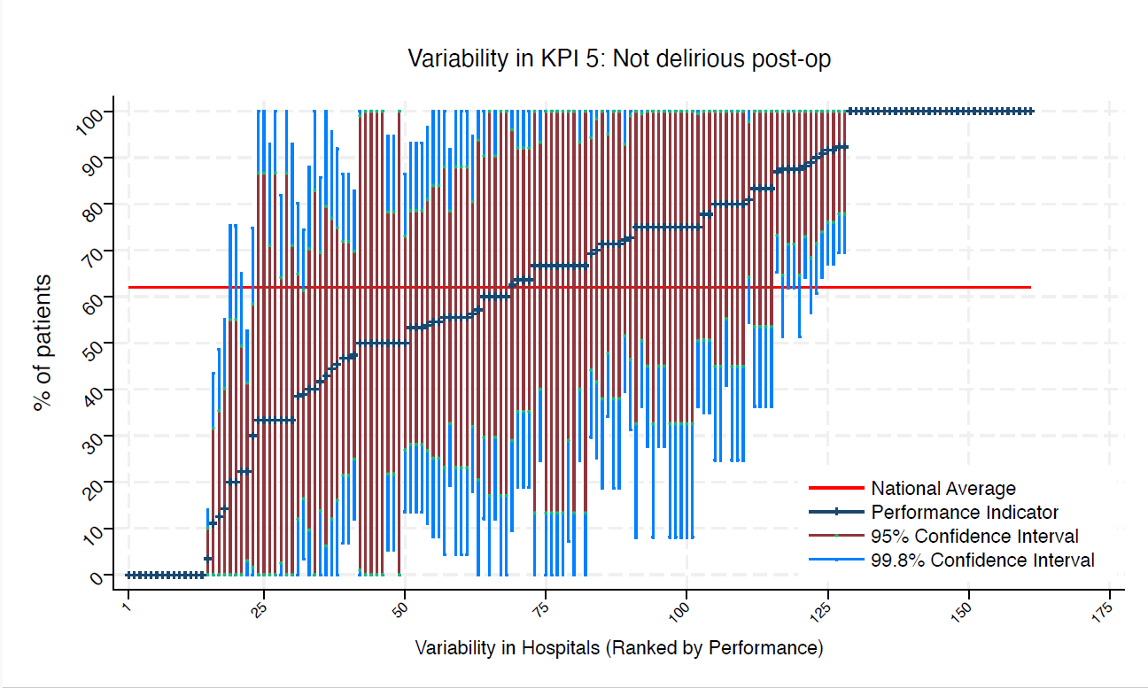
BNT | Barnet General Hospital | 8 | 63 | 62 | 100 | 10 | 96 | 29 | average
BOL | Royal Bolton Hospital | * | * | 62 | 100 | 0 | 100 | 13 | average
BRD | Bradford Royal Infirmary | 10 | 40 | 62 | 88 | 0 | 70 | 10 | average
BRG | Bronglais General Hospital | 6 | 83 | 62 | 100 | 36 | 100 | 54 | average
BRI | Bristol Royal Infirmary | 6 | 100 | 62 | 100 | 100 | 100 | 100 | above average
BRO | Princess Royal University Hospital (Bromley) | 9 | 11 | 62 | 44 | 0 | 32 | 0 | under average
BRT | Queens Hospital | * | * | 62 | 100 | 0 | 87 | 0 | average
CGH | Conquest Hospital | 7 | 100 | 62 | 100 | 100 | 100 | 100 | above average
CHE | Chesterfield Royal | 12 | 92 | 62 | 100 | 67 | 100 | 76 | above average
CLW | Glan Clwyd Hospital | * | * | 62 | 100 | 8 | 100 | 33 | average
CMI | Cumberland Infirmary | 8 | 88 | 62 | 100 | 51 | 100 | 65 | average
COC | Countess of Chester Hospital | * | * | 62 | 100 | 8 | 100 | 33 | average
COL | Colchester General Hospital | 6 | 67 | 62 | 100 | 7 | 100 | 29 | average
CRG | Craigavon Area Hospital | * | * | 62 | 100 | 25 | 100 | 45 | average
DAR | Darlington Memorial Hospital | * | * | 62 | 100 | 25 | 100 | 45 | average
DER | Royal Derby Hospital | 15 | 47 | 62 | 87 | 7 | 72 | 21 | average
DID | Doncaster Royal Infirmary | * | * | 62 | 0 | 0 | 0 | 0 | under average
DRY | University Hospital of North Durham | 9 | 56 | 62 | 100 | 4 | 88 | 23 | average
DVH | Darent Valley Hospital | * | * | 62 | 100 | 100 | 100 | 100 | above average
EAL | Ealing Hospital | * | * | 62 | 100 | 100 | 100 | 100 | above average
EBH | Birmingham Heartlands Hospital | * | * | 62 | 0 | 0 | 0 | 0 | under average
ENH | East and North Herts Hospital | 11 | 46 | 62 | 92 | 0 | 75 | 16 | average
ESU | East Surrey Hospital | * | * | 62 | 0 | 0 | 0 | 0 | under average
FAZ | University Hospital Aintree | 15 | 53 | 62 | 93 | 14 | 79 | 28 | average
FGH | Furness General | * | * | 62 | 100 | 0 | 100 | 0 | average
FRM | Frimley Park Hospital | 10 | 90 | 62 | 100 | 61 | 100 | 71 | average
FRY | Southmead Hospital | * | * | 62 | 100 | 25 | 100 | 45 | average
GEO | St George's Hospital | 12 | 67 | 62 | 100 | 25 | 93 | 40 | average
GGH | Diana, Princess of Wales Hospital | * | * | 62 | 100 | 100 | 100 | 100 | above average
GLO | Gloucestershire Royal Hospital | 29 | 3 | 62 | 14 | 0 | 10 | 0 | under average
GWE | The Grange University Hospital | 13 | 92 | 62 | 100 | 70 | 100 | 78 | above average
GWH | Queen Elizabeth Hospital, Woolwich | * | * | 62 | 100 | 8 | 100 | 33 | average
GWY | Ysbyty Gwynedd Hospital | * | * | 62 | 100 | 8 | 100 | 33 | average
HAR | Harrogate District Hospital | * | * | 62 | 100 | 0 | 99 | 1 | average
HCH | County Hospital Hereford | 7 | 100 | 62 | 100 | 100 | 100 | 100 | above average
HIL | Hillingdon Hospital | * | * | 62 | 100 | 0 | 100 | 13 | average
HOM | Homerton Hospital | * | * | 62 | 100 | 0 | 100 | 0 | average
HOR | Horton General Hospital | * | * | 62 | 100 | 8 | 100 | 33 | average
HRI | Hull Royal Infirmary | 16 | 56 | 62 | 95 | 18 | 81 | 32 | average
HUD | Huddersfield Royal Infirmary | 8 | 100 | 62 | 100 | 100 | 100 | 100 | above average
IOW | St Mary's Hospital, Newport | * | * | 62 | 0 | 0 | 0 | 0 | under average
IPS | The Ipswich Hospital | 8 | 88 | 62 | 100 | 51 | 100 | 65 | average
JPH | James Paget Hospital | * | * | 62 | 100 | 0 | 100 | 13 | average
KCH | King's College Hospital | 8 | 75 | 62 | 100 | 28 | 100 | 45 | average
KGH | Kettering General Hospital | * | * | 62 | 0 | 0 | 0 | 0 | under average
KMH | Kings Mill Hospital | * | * | 62 | 100 | 100 | 100 | 100 | above average
KTH | Kingston Hospital | 7 | 71 | 62 | 100 | 19 | 100 | 38 | average
LER | Leicester Royal Infirmary | 23 | 87 | 62 | 100 | 65 | 100 | 73 | above average
LEW | University Hospital Lewisham | 13 | 39 | 62 | 80 | 0 | 65 | 12 | average
LGH | Leighton Hospital | 10 | 30 | 62 | 75 | 0 | 58 | 2 | average
LGI | Leeds General Infirmary | 11 | 100 | 62 | 100 | 100 | 100 | 100 | above average
LIN | Lincoln County Hospital | * | * | 62 | 100 | 100 | 100 | 100 | above average
MAC | Macclesfield District General Hospital | * | * | 62 | 100 | 0 | 100 | 0 | average
MAY | Mayday University Hospital | * | * | 62 | 100 | 100 | 100 | 100 | above average
MDW | Medway Maritime Hospital | 15 | 53 | 62 | 93 | 14 | 79 | 28 | average
MKH | Milton Keynes General Hospital | * | * | 62 | 100 | 100 | 100 | 100 | above average
MOR | Morriston Hospital | * | * | 62 | 100 | 0 | 100 | 13 | average
MPH | Musgrove Park Hospital | 12 | 75 | 62 | 100 | 36 | 100 | 51 | average
MRI | Manchester Royal Infirmary | * | * | 62 | 100 | 100 | 100 | 100 | above average
NCR | New Cross Hospital | 16 | 88 | 62 | 100 | 62 | 100 | 71 | average
NDD | North Devon District Hospital | 8 | 13 | 62 | 49 | 0 | 35 | 0 | under average
NGS | Northern General Hospital | 9 | 78 | 62 | 100 | 35 | 100 | 51 | average
NHH | North Hampshire Hospital | * | * | 62 | 100 | 100 | 100 | 100 | above average
NMG | North Manchester General Hospital | * | * | 62 | 100 | 100 | 100 | 100 | above average
NMH | North Middlesex Hospital | 6 | 33 | 62 | 93 | 0 | 71 | 0 | average
NOB | Noble's Hospital | * | * | 62 | 100 | 0 | 100 | 0 | average
NOR | Norfolk and Norwich Hospital | 18 | 56 | 62 | 92 | 19 | 79 | 33 | average
NPH | Northwick Park Hospital | 12 | 50 | 62 | 95 | 5 | 78 | 22 | average
NSE | Northumbria Specialist Emergency Care Hospital | 8 | 75 | 62 | 100 | 28 | 100 | 45 | average
NTG | University Hospital of North Tees | 7 | 14 | 62 | 55 | 0 | 40 | 0 | under average
NTH | Northampton General Hospital | 7 | 71 | 62 | 100 | 19 | 100 | 38 | average
NUH | Ulster Hospital | * | * | 62 | 75 | 0 | 55 | 0 | average
NUN | George Eliot Hospital | * | * | 62 | 100 | 100 | 100 | 100 | above average
OHM | Royal Oldham Hospital | 12 | 75 | 62 | 100 | 36 | 100 | 51 | average
OLD | Queens Hospital Romford | * | * | 62 | 0 | 0 | 0 | 0 | under average
PAH | Princess Alexandra Hospital | 9 | 56 | 62 | 100 | 4 | 88 | 23 | average
PCH | Prince Charles Hospital | * | * | 62 | 0 | 0 | 0 | 0 | under average
PEH | Princess Elizabeth Hospital (Guernsey) | * | * | 62 | 100 | 100 | 100 | 100 | above average
PET | Peterborough City Hospital | 10 | 80 | 62 | 100 | 41 | 100 | 55 | average
PGH | Poole General Hospital | 11 | 64 | 62 | 100 | 19 | 92 | 35 | average
PIL | Pilgrim Hospital | * | * | 62 | 100 | 100 | 100 | 100 | above average
PIN | Pinderfields General Hospital | 11 | 64 | 62 | 100 | 19 | 92 | 35 | average
PLY | Derriford Hospital | 11 | 91 | 62 | 100 | 64 | 100 | 74 | above average
PMS | The Great Western Hospital | * | * | 62 | 100 | 100 | 100 | 100 | above average
QAP | Queen Alexandra Hospital | 17 | 88 | 62 | 100 | 64 | 100 | 73 | above average
QEB | Queen Elizabeth Hospital, Edgbaston | 18 | 39 | 62 | 74 | 3 | 61 | 16 | average
QEG | Queen Elizabeth Hospital, Gateshead | * | * | 62 | 100 | 0 | 100 | 0 | average
QEQ | Queen Elizabeth the Queen Mother Hospital | * | * | 62 | 100 | 100 | 100 | 100 | above average
QKL | Queen Elizabeth Hospital (King's Lynn) | 9 | 100 | 62 | 100 | 100 | 100 | 100 | above average
RAD | John Radcliffe Hospital | 11 | 55 | 62 | 100 | 8 | 84 | 25 | average
RBE | Royal Berkshire Hospital | * | * | 62 | 0 | 0 | 0 | 0 | under average
RCH | Royal Cornwall Hospital | 9 | 22 | 62 | 65 | 0 | 49 | 0 | average
RDE | Royal Devon & Exeter Hospital | * | * | 62 | 100 | 25 | 100 | 45 | average
RFH | Royal Free Hospital | * | * | 62 | 100 | 0 | 87 | 0 | average
RGH | Royal Glamorgan | 10 | 0 | 62 | 0 | 0 | 0 | 0 | under average
RLI | Royal Lancaster Infirmary | 9 | 56 | 62 | 100 | 4 | 88 | 23 | average
ROT | Rotherham General Hospital | * | * | 62 | 100 | 100 | 100 | 100 | above average
RPH | Royal Preston Hospital | 13 | 92 | 62 | 100 | 70 | 100 | 78 | above average
RSC | Royal Sussex County Hospital | 13 | 0 | 62 | 0 | 0 | 0 | 0 | under average
RSS | Royal Shrewsbury Hospital | 9 | 56 | 62 | 100 | 4 | 88 | 23 | average
RSU | Royal Surrey County Hospital | * | * | 62 | 100 | 100 | 100 | 100 | above average
RUS | Russells Hall Hospital | 9 | 78 | 62 | 100 | 35 | 100 | 51 | average
RVB | Royal Victoria Hospital | 19 | 47 | 62 | 83 | 12 | 70 | 25 | average
RVN | Royal Victoria Infirmary | 12 | 42 | 62 | 86 | 0 | 70 | 14 | average
SAL | Salisbury District Hospital | * | * | 62 | 100 | 8 | 100 | 33 | average
SAN | Sandwell District Hospital | * | * | 62 | 100 | 100 | 100 | 100 | above average
SCA | Scarborough General Hospital | 7 | 43 | 62 | 100 | 0 | 80 | 6 | average
SCM | James Cook University Hospital | 11 | 55 | 62 | 100 | 8 | 84 | 25 | average
SCU | Scunthorpe General Hospital | * | * | 62 | 100 | 100 | 100 | 100 | above average
SEH | Southend Hospital | 18 | 72 | 62 | 100 | 40 | 93 | 52 | average
SGH | Southampton General Hospital | 18 | 22 | 62 | 53 | 0 | 41 | 3 | under average
SHC | St Helier Hospital | 6 | 33 | 62 | 93 | 0 | 71 | 0 | average
SHH | Stepping Hill Hospital | * | * | 62 | 100 | 0 | 83 | 0 | average
SLF | Salford Royal | 10 | 70 | 62 | 100 | 25 | 98 | 42 | average
SMV | Stoke Mandeville Hospital | * | * | 62 | 100 | 0 | 100 | 17 | average
SOU | Southport and Formby District General | 10 | 60 | 62 | 100 | 12 | 90 | 30 | average
SPH | St Peter's Hospital | 6 | 83 | 62 | 100 | 36 | 100 | 54 | average
STD | South Tyneside District Hospital | * | * | 62 | 100 | 8 | 100 | 33 | average
STH | St Thomas Hospital | * | * | 62 | 100 | 100 | 100 | 100 | above average
STM | St Marys Hospital, Paddington | * | * | 62 | 100 | 0 | 100 | 13 | average
STO | University Hospital of North Staffordshire | 18 | 50 | 62 | 86 | 14 | 73 | 27 | average
STR | St Richards Hospital | 15 | 47 | 62 | 87 | 7 | 72 | 21 | average
SUN | Sunderland Royal Hospital | 14 | 71 | 62 | 100 | 34 | 95 | 48 | average
TGA | Tameside General Hospital | * | * | 62 | 100 | 0 | 100 | 17 | average
TLF | Princess Royal Hospital, Telford | 6 | 83 | 62 | 100 | 36 | 100 | 54 | average
TOR | Torbay Hospital | 6 | 83 | 62 | 100 | 36 | 100 | 54 | average
TUN | Tunbridge Wells Hospital | * | * | 62 | 100 | 100 | 100 | 100 | above average
UCL | University College Hospital | 7 | 57 | 62 | 100 | 0 | 94 | 21 | average
UHC | University Hospital Coventry | 21 | 81 | 62 | 100 | 55 | 98 | 64 | average
UHN | University Hospital Queens Medical Centre | 15 | 53 | 62 | 93 | 14 | 79 | 28 | average
UHW | University Hospital of Wales | 9 | 33 | 62 | 82 | 0 | 64 | 3 | average
VIC | Victoria Hospital | * | * | 62 | 100 | 100 | 100 | 100 | above average
WAR | Warwick Hospital | * | * | 62 | 100 | 25 | 100 | 45 | average
WDG | Warrington District General Hospital | 11 | 64 | 62 | 100 | 19 | 92 | 35 | average
WDH | Dorset County Hospital | * | * | 62 | 0 | 0 | 0 | 0 | under average
WES | Chelsea & Westminster Hospital | * | * | 62 | 100 | 100 | 100 | 100 | above average
WEX | Wexham Park Hospital | 10 | 60 | 62 | 100 | 12 | 90 | 30 | average
WGH | Weston General Hospital | * | * | 62 | 100 | 0 | 87 | 0 | average
WHC | Whipps Cross Hospital | 12 | 50 | 62 | 95 | 5 | 78 | 22 | average
WHH | William Harvey Hospital | * | * | 62 | 100 | 0 | 100 | 17 | average
WHT | Whittington Hospital | * | * | 62 | 100 | 100 | 100 | 100 | above average
WIR | Arrowe Park Hospital | 16 | 88 | 62 | 100 | 62 | 100 | 71 | average
WMH | Manor Hospital | 12 | 92 | 62 | 100 | 67 | 100 | 76 | above average
WMU | West Middlesex University Hospital | * | * | 62 | 100 | 0 | 100 | 13 | average
WRC | Worcestershire Royal Hospital | 13 | 69 | 62 | 100 | 30 | 94 | 44 | average
WRX | Maelor Hospital | * | * | 62 | 0 | 0 | 0 | 0 | under average
WSH | West Suffolk Hospital | * | * | 62 | 100 | 100 | 100 | 100 | above average
WWG | West Wales General | * | * | 62 | 75 | 0 | 55 | 0 | average
WYT | Wythenshawe Hospital | 11 | 73 | 62 | 100 | 31 | 99 | 46 | average
YDH | York District Hospital | 9 | 89 | 62 | 100 | 57 | 100 | 68 | average
YEO | Yeovil District Hospital | 7 | 71 | 62 | 100 | 19 | 100 | 38 | average

KPI6
NHFD 2026 annual report femoral shaft KPI

Site code | Site name | sample size | performance indicator (%) | target performance (%) | upper 99.8% confidence interval | lower 99.8% confidence interval | upper 95% confidence interval | lower 95% confidence interval | performance 99.8%
ADD | Addenbrooke's Hospital | 10 | 70 | 72 | 100 | 25 | 98 | 42 | average
AEI | Royal Albert Edward Infirmary | 9 | 78 | 72 | 100 | 35 | 100 | 51 | average
AIR | Airedale General Hospital | * | * | 72 | 100 | 100 | 100 | 100 | above average
ALT | Altnagelvin Hospital | * | * | 72 | 92 | 0 | 67 | 0 | average
BAR | Barnsley District General Hospital | 6 | 67 | 72 | 100 | 7 | 100 | 29 | average
BAS | Basildon Hospital | 12 | 83 | 72 | 100 | 50 | 100 | 62 | average
BAT | Royal United Hospital Bath | 10 | 80 | 72 | 100 | 41 | 100 | 55 | average
BED | Bedford Hospital | * | * | 72 | 100 | 0 | 87 | 0 | average
BFH | Broomfield Chelmsford | * | * | 72 | 100 | 0 | 87 | 0 | average
BLA | Royal Blackburn Hospital | 15 | 87 | 72 | 100 | 60 | 100 | 70 | average
BNT | Barnet General Hospital | 8 | 50 | 72 | 100 | 0 | 85 | 15 | average
BOL | Royal Bolton Hospital | * | * | 72 | 100 | 0 | 100 | 13 | average
BRD | Bradford Royal Infirmary | 11 | 82 | 72 | 100 | 46 | 100 | 59 | average
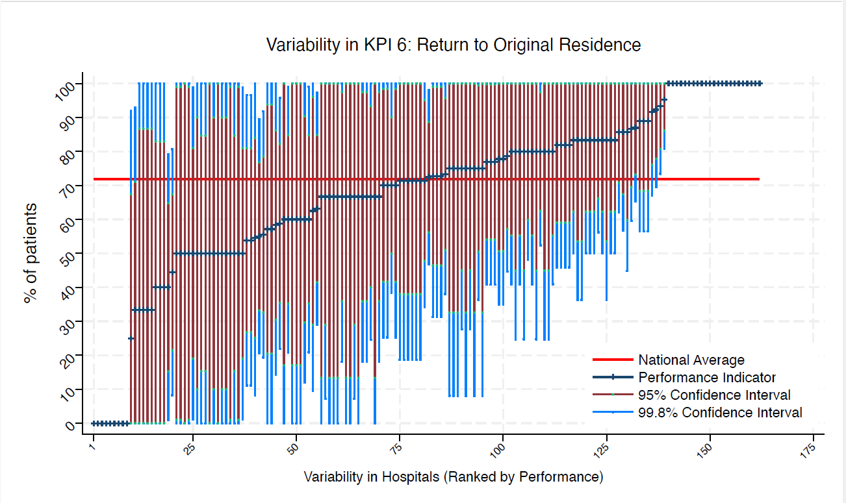
BRG | Bronglais General Hospital | 6 | 83 | 72 | 100 | 36 | 100 | 54 | average
BRI | Bristol Royal Infirmary | 6 | 50 | 72 | 100 | 0 | 90 | 10 | average
BRO | Princess Royal University Hospital (Bromley) | 10 | 70 | 72 | 100 | 25 | 98 | 42 | average
BRT | Queens Hospital | * | * | 72 | 100 | 0 | 100 | 13 | average
CGH | Conquest Hospital | 8 | 75 | 72 | 100 | 28 | 100 | 45 | average
CHE | Chesterfield Royal | 12 | 92 | 72 | 100 | 67 | 100 | 76 | average
CLW | Glan Clwyd Hospital | * | * | 72 | 100 | 0 | 99 | 1 | average
CMI | Cumberland Infirmary | 12 | 67 | 72 | 100 | 25 | 93 | 40 | average
COC | Countess of Chester Hospital | * | * | 72 | 100 | 8 | 100 | 33 | average
COL | Colchester General Hospital | 8 | 63 | 72 | 100 | 10 | 96 | 29 | average
CRG | Craigavon Area Hospital | * | * | 72 | 100 | 25 | 100 | 45 | average
DAR | Darlington Memorial Hospital | * | * | 72 | 100 | 0 | 100 | 17 | average
DER | Royal Derby Hospital | 15 | 93 | 72 | 100 | 73 | 100 | 81 | above average
DID | Doncaster Royal Infirmary | * | * | 72 | 100 | 100 | 100 | 100 | above average
DRY | University Hospital of North Durham | 9 | 89 | 72 | 100 | 57 | 100 | 68 | average
DVH | Darent Valley Hospital | * | * | 72 | 100 | 0 | 100 | 0 | average
EAL | Ealing Hospital | * | * | 72 | 100 | 100 | 100 | 100 | above average
EBH | Birmingham Heartlands Hospital | * | * | 72 | 100 | 100 | 100 | 100 | above average
ENH | East and North Herts Hospital | 11 | 73 | 72 | 100 | 31 | 99 | 46 | average
ESU | East Surrey Hospital | * | * | 72 | 100 | 0 | 100 | 13 | average
FAZ | University Hospital Aintree | 15 | 40 | 72 | 79 | 1 | 65 | 15 | average
FGH | Furness General | * | * | 72 | 0 | 0 | 0 | 0 | under average
FRM | Frimley Park Hospital | 10 | 60 | 72 | 100 | 12 | 90 | 30 | average
FRY | Southmead Hospital | * | * | 72 | 100 | 0 | 83 | 0 | average
GEO | St George's Hospital | 13 | 54 | 72 | 97 | 11 | 81 | 27 | average
GGH | Diana, Princess of Wales Hospital | * | * | 72 | 100 | 100 | 100 | 100 | above average
GLO | Gloucestershire Royal Hospital | 29 | 72 | 72 | 98 | 47 | 89 | 56 | average
GWE | The Grange University Hospital | 14 | 71 | 72 | 100 | 34 | 95 | 48 | average
GWH | Queen Elizabeth Hospital, Woolwich | * | * | 72 | 100 | 8 | 100 | 33 | average
GWY | Ysbyty Gwynedd Hospital | * | * | 72 | 100 | 8 | 100 | 33 | average
HAR | Harrogate District Hospital | * | * | 72 | 100 | 0 | 99 | 1 | average
HCH | County Hospital Hereford | 7 | 86 | 72 | 100 | 45 | 100 | 60 | average
HIL | Hillingdon Hospital | * | * | 72 | 100 | 0 | 100 | 13 | average
HOM | Homerton Hospital | * | * | 72 | 0 | 0 | 0 | 0 | under average
HOR | Horton General Hospital | * | * | 72 | 100 | 8 | 100 | 33 | average
HRI | Hull Royal Infirmary | 16 | 100 | 72 | 100 | 100 | 100 | 100 | above average
HUD | Huddersfield Royal Infirmary | 10 | 50 | 72 | 99 | 1 | 81 | 19 | average
IOW | St Mary's Hospital, Newport | * | * | 72 | 100 | 0 | 99 | 1 | average
IPS | The Ipswich Hospital | 9 | 100 | 72 | 100 | 100 | 100 | 100 | above average
JPH | James Paget Hospital | * | * | 72 | 100 | 0 | 87 | 0 | average
KCH | King's College Hospital | 8 | 75 | 72 | 100 | 28 | 100 | 45 | average
KGH | Kettering General Hospital | * | * | 72 | 100 | 100 | 100 | 100 | above average
KMH | Kings Mill Hospital | * | * | 72 | 100 | 100 | 100 | 100 | above average
KTH | Kingston Hospital | 7 | 71 | 72 | 100 | 19 | 100 | 38 | average
LER | Leicester Royal Infirmary | 23 | 87 | 72 | 100 | 65 | 100 | 73 | average
LEW | University Hospital Lewisham | 14 | 79 | 72 | 100 | 45 | 100 | 57 | average
LGH | Leighton Hospital | 10 | 80 | 72 | 100 | 41 | 100 | 55 | average
LGI | Leeds General Infirmary | 12 | 75 | 72 | 100 | 36 | 100 | 51 | average
LIN | Lincoln County Hospital | * | * | 72 | 0 | 0 | 0 | 0 | under average
MAC | Macclesfield District General Hospital | * | * | 72 | 0 | 0 | 0 | 0 | under average
MAY | Mayday University Hospital | 6 | 83 | 72 | 100 | 36 | 100 | 54 | average
MDW | Medway Maritime Hospital | 15 | 60 | 72 | 99 | 21 | 85 | 35 | average
MKH | Milton Keynes General Hospital | * | * | 72 | 100 | 100 | 100 | 100 | above average
MOR | Morriston Hospital | * | * | 72 | 100 | 0 | 100 | 13 | average
MPH | Musgrove Park Hospital | 12 | 83 | 72 | 100 | 50 | 100 | 62 | average
MRI | Manchester Royal Infirmary | * | * | 72 | 100 | 0 | 87 | 0 | average
NCR | New Cross Hospital | 18 | 83 | 72 | 100 | 56 | 100 | 66 | average
NDD | North Devon District Hospital | 9 | 89 | 72 | 100 | 57 | 100 | 68 | average
NGS | Northern General Hospital | 9 | 78 | 72 | 100 | 35 | 100 | 51 | average
NHH | North Hampshire Hospital | * | * | 72 | 100 | 0 | 100 | 17 | average
NMG | North Manchester General Hospital | 6 | 33 | 72 | 93 | 0 | 71 | 0 | average
NMH | North Middlesex Hospital | 7 | 71 | 72 | 100 | 19 | 100 | 38 | average
NOB | Noble's Hospital | * | * | 72 | 100 | 100 | 100 | 100 | above average
NOR | Norfolk and Norwich Hospital | 18 | 56 | 72 | 92 | 19 | 79 | 33 | average
NPH | Northwick Park Hospital | 15 | 80 | 72 | 100 | 48 | 100 | 60 | average
NSE | Northumbria Specialist Emergency Care Hospital | 8 | 50 | 72 | 100 | 0 | 85 | 15 | average
NTG | University Hospital of North Tees | 9 | 89 | 72 | 100 | 57 | 100 | 68 | average
NTH | Northampton General Hospital | 7 | 71 | 72 | 100 | 19 | 100 | 38 | average
NUH | Ulster Hospital | 6 | 83 | 72 | 100 | 36 | 100 | 54 | average
NUN | George Eliot Hospital | * | * | 72 | 100 | 100 | 100 | 100 | above average
OHM | Royal Oldham Hospital | 13 | 77 | 72 | 100 | 41 | 100 | 54 | average
OLD | Queens Hospital Romford | * | * | 72 | 0 | 0 | 0 | 0 | under average
PAH | Princess Alexandra Hospital | 10 | 80 | 72 | 100 | 41 | 100 | 55 | average
PCH | Prince Charles Hospital | 7 | 71 | 72 | 100 | 19 | 100 | 38 | average
PEH | Princess Elizabeth Hospital (Guernsey) | * | * | 72 | 100 | 0 | 100 | 0 | average
PET | Peterborough City Hospital | 11 | 82 | 72 | 100 | 46 | 100 | 59 | average
PGH | Poole General Hospital | 12 | 83 | 72 | 100 | 50 | 100 | 62 | average
PIL | Pilgrim Hospital | 6 | 67 | 72 | 100 | 7 | 100 | 29 | average
PIN | Pinderfields General Hospital | 11 | 82 | 72 | 100 | 46 | 100 | 59 | average
PLY | Derriford Hospital | 11 | 73 | 72 | 100 | 31 | 99 | 46 | average
PMS | The Great Western Hospital | * | * | 72 | 100 | 0 | 100 | 17 | average
QAP | Queen Alexandra Hospital | 17 | 59 | 72 | 96 | 22 | 82 | 35 | average
QEB | Queen Elizabeth Hospital, Edgbaston | 20 | 55 | 72 | 89 | 21 | 77 | 33 | average
QEG | Queen Elizabeth Hospital, Gateshead | * | * | 72 | 100 | 8 | 100 | 33 | average
QEQ | Queen Elizabeth the Queen Mother Hospital | 7 | 71 | 72 | 100 | 19 | 100 | 38 | average
QKL | Queen Elizabeth Hospital (King's Lynn) | 9 | 100 | 72 | 100 | 100 | 100 | 100 | above average
RAD | John Radcliffe Hospital | 11 | 55 | 72 | 100 | 8 | 84 | 25 | average
RBE | Royal Berkshire Hospital | * | * | 72 | 100 | 100 | 100 | 100 | above average
RCH | Royal Cornwall Hospital | 9 | 67 | 72 | 100 | 18 | 98 | 36 | average
RDE | Royal Devon & Exeter Hospital | * | * | 72 | 100 | 100 | 100 | 100 | above average
RFH | Royal Free Hospital | * | * | 72 | 100 | 0 | 100 | 13 | average
RGH | Royal Glamorgan | 10 | 80 | 72 | 100 | 41 | 100 | 55 | average
RLI | Royal Lancaster Infirmary | 9 | 67 | 72 | 100 | 18 | 98 | 36 | average
ROT | Rotherham General Hospital | * | * | 72 | 100 | 0 | 83 | 0 | average
RPH | Royal Preston Hospital | 13 | 77 | 72 | 100 | 41 | 100 | 54 | average
RSC | Royal Sussex County Hospital | 13 | 54 | 72 | 97 | 11 | 81 | 27 | average
RSS | Royal Shrewsbury Hospital | 9 | 67 | 72 | 100 | 18 | 98 | 36 | average
RSU | Royal Surrey County Hospital | * | * | 72 | 100 | 25 | 100 | 45 | average
RUS | Russells Hall Hospital | 10 | 70 | 72 | 100 | 25 | 98 | 42 | average
RVB | Royal Victoria Hospital | 20 | 70 | 72 | 100 | 38 | 90 | 50 | average
RVN | Royal Victoria Infirmary | 12 | 83 | 72 | 100 | 50 | 100 | 62 | average
SAL | Salisbury District Hospital | * | * | 72 | 100 | 8 | 100 | 33 | average
SAN | Sandwell District Hospital | * | * | 72 | 0 | 0 | 0 | 0 | under average
SCA | Scarborough General Hospital | 7 | 71 | 72 | 100 | 19 | 100 | 38 | average
SCM | James Cook University Hospital | 11 | 73 | 72 | 100 | 31 | 99 | 46 | average
SCU | Scunthorpe General Hospital | * | * | 72 | 100 | 0 | 100 | 0 | average
SEH | Southend Hospital | 21 | 86 | 72 | 100 | 62 | 100 | 71 | average
SGH | Southampton General Hospital | 18 | 44 | 72 | 81 | 8 | 67 | 22 | average
SHC | St Helier Hospital | 6 | 100 | 72 | 100 | 100 | 100 | 100 | above average
SHH | Stepping Hill Hospital | * | * | 72 | 100 | 25 | 100 | 45 | average
SLF | Salford Royal | 10 | 50 | 72 | 99 | 1 | 81 | 19 | average
SMV | Stoke Mandeville Hospital | 6 | 50 | 72 | 100 | 0 | 90 | 10 | average
SOU | Southport and Formby District General | 11 | 82 | 72 | 100 | 46 | 100 | 59 | average
SPH | St Peter's Hospital | 6 | 50 | 72 | 100 | 0 | 90 | 10 | average
STD | South Tyneside District Hospital | * | * | 72 | 100 | 100 | 100 | 100 | above average
STH | St Thomas Hospital | * | * | 72 | 100 | 100 | 100 | 100 | above average
STM | St Marys Hospital, Paddington | * | * | 72 | 100 | 0 | 100 | 13 | average
STO | University Hospital of North Staffordshire | 20 | 80 | 72 | 100 | 52 | 98 | 63 | average
STR | St Richards Hospital | 15 | 73 | 72 | 100 | 38 | 96 | 51 | average
SUN | Sunderland Royal Hospital | 14 | 86 | 72 | 100 | 57 | 100 | 67 | average
TGA | Tameside General Hospital | 6 | 50 | 72 | 100 | 0 | 90 | 10 | average
TLF | Princess Royal Hospital, Telford | 7 | 57 | 72 | 100 | 0 | 94 | 21 | average
TOR | Torbay Hospital | 6 | 100 | 72 | 100 | 100 | 100 | 100 | above average
TUN | Tunbridge Wells Hospital | * | * | 72 | 0 | 0 | 0 | 0 | under average
UCL | University College Hospital | 7 | 57 | 72 | 100 | 0 | 94 | 21 | average
UHC | University Hospital Coventry | 21 | 95 | 72 | 100 | 81 | 100 | 86 | above average
UHN | University Hospital Queens Medical Centre | 15 | 60 | 72 | 99 | 21 | 85 | 35 | average
UHW | University Hospital of Wales | 10 | 100 | 72 | 100 | 100 | 100 | 100 | above average
VIC | Victoria Hospital | * | * | 72 | 100 | 100 | 100 | 100 | above average
WAR | Warwick Hospital | * | * | 72 | 100 | 25 | 100 | 45 | average
WDG | Warrington District General Hospital | 12 | 83 | 72 | 100 | 50 | 100 | 62 | average
WDH | Dorset County Hospital | * | * | 72 | 100 | 0 | 99 | 1 | average
WES | Chelsea & Westminster Hospital | * | * | 72 | 0 | 0 | 0 | 0 | under average
WEX | Wexham Park Hospital | 12 | 58 | 72 | 100 | 14 | 86 | 30 | average
WGH | Weston General Hospital | * | * | 72 | 100 | 0 | 99 | 1 | average
WHC | Whipps Cross Hospital | 12 | 83 | 72 | 100 | 50 | 100 | 62 | average
WHH | William Harvey Hospital | * | * | 72 | 100 | 0 | 83 | 0 | average
WHT | Whittington Hospital | * | * | 72 | 100 | 100 | 100 | 100 | above average
WIR | Arrowe Park Hospital | 19 | 63 | 72 | 97 | 29 | 85 | 42 | average
WMH | Manor Hospital | 13 | 92 | 72 | 100 | 70 | 100 | 78 | average
WMU | West Middlesex University Hospital | * | * | 72 | 100 | 0 | 100 | 13 | average
WRC | Worcestershire Royal Hospital | 13 | 77 | 72 | 100 | 41 | 100 | 54 | average
WRX | Maelor Hospital | * | * | 72 | 100 | 100 | 100 | 100 | above average
WSH | West Suffolk Hospital | * | * | 72 | 100 | 0 | 100 | 17 | average
WWG | West Wales General | * | * | 72 | 100 | 25 | 100 | 45 | average
WYB | Withybush General Hospital | * | * | 72 | 0 | 0 | 0 | 0 | under average
WYT | Wythenshawe Hospital | 12 | 83 | 72 | 100 | 50 | 100 | 62 | average
YDH | York District Hospital | 9 | 67 | 72 | 100 | 18 | 98 | 36 | average
YEO | Yeovil District Hospital | 8 | 50 | 72 | 100 | 0 | 85 | 15 | average

KPI7
NHFD 2026 annual report femoral shaft KPI

Site code | Site name | sample size | performance indicator (%) | target performance (%) | upper 99.8% confidence interval | lower 99.8% confidence interval | upper 95% confidence interval | lower 95% confidence interval | performance 99.8%
ADD | Addenbrooke's Hospital | 10 | 70 | 44 | 100 | 25 | 98 | 42 | average
AEI | Royal Albert Edward Infirmary | 9 | 78 | 44 | 100 | 35 | 100 | 51 | average
AIR | Airedale General Hospital | * | * | 44 | 100 | 0 | 100 | 13 | average
ALT | Altnagelvin Hospital | * | * | 44 | 92 | 0 | 67 | 0 | average
BAR | Barnsley District General Hospital | 6 | 33 | 44 | 93 | 0 | 71 | 0 | average
BAS | Basildon Hospital | 12 | 92 | 44 | 100 | 67 | 100 | 76 | above average
BAT | Royal United Hospital Bath | 10 | 30 | 44 | 75 | 0 | 58 | 2 | average
BED | Bedford Hospital | * | * | 44 | 0 | 0 | 0 | 0 | under average
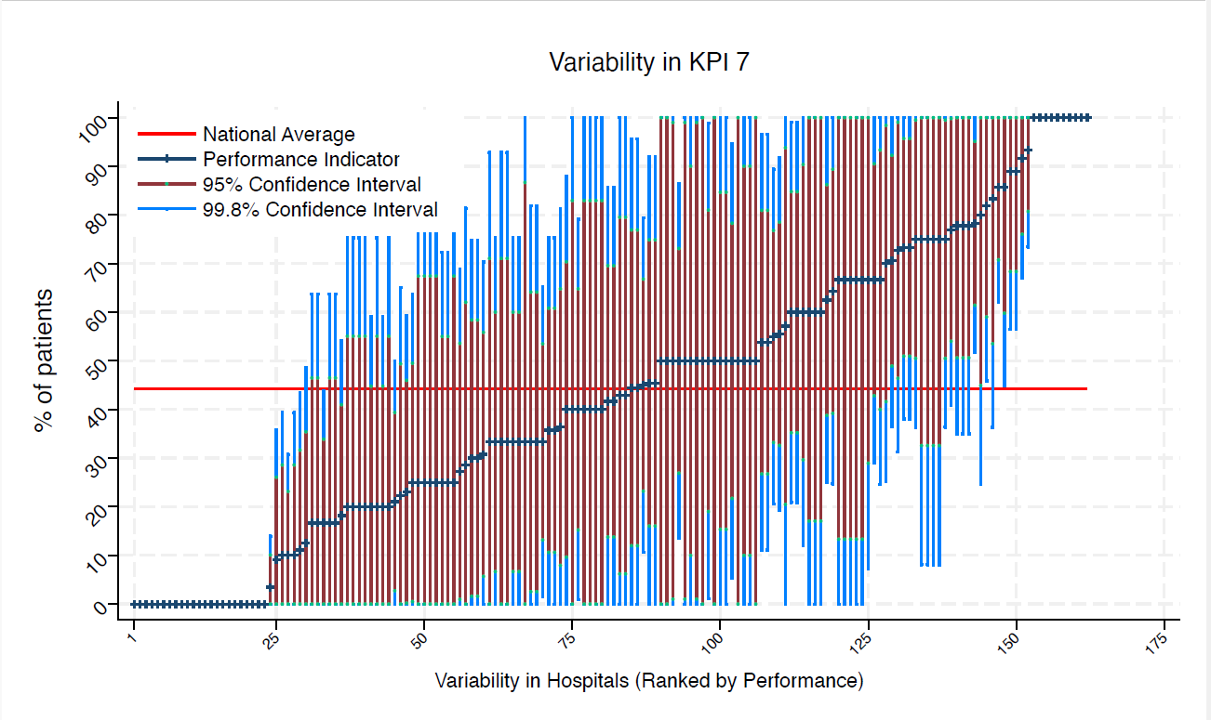
BFH | Broomfield Chelmsford | * | * | 44 | 100 | 0 | 87 | 0 | average
BLA | Royal Blackburn Hospital | 15 | 67 | 44 | 100 | 29 | 91 | 43 | average
BNT | Barnet General Hospital | 8 | 25 | 44 | 72 | 0 | 55 | 0 | average
BOL | Royal Bolton Hospital | * | * | 44 | 100 | 0 | 100 | 13 | average
BRD | Bradford Royal Infirmary | 11 | 46 | 44 | 92 | 0 | 75 | 16 | average
BRG | Bronglais General Hospital | 6 | 33 | 44 | 93 | 0 | 71 | 0 | average
BRI | Bristol Royal Infirmary | 6 | 50 | 44 | 100 | 0 | 90 | 10 | average
BRO | Princess Royal University Hospital (Bromley) | 10 | 20 | 44 | 59 | 0 | 45 | 0 | average
BRT | Queens Hospital | * | * | 44 | 100 | 0 | 100 | 13 | average
CGH | Conquest Hospital | 8 | 50 | 44 | 100 | 0 | 85 | 15 | average
CHE | Chesterfield Royal | 12 | 75 | 44 | 100 | 36 | 100 | 51 | average
CLW | Glan Clwyd Hospital | * | * | 44 | 100 | 8 | 100 | 33 | average
CMI | Cumberland Infirmary | 12 | 33 | 44 | 75 | 0 | 60 | 7 | average
COC | Countess of Chester Hospital | * | * | 44 | 100 | 0 | 99 | 1 | average
COL | Colchester General Hospital | 8 | 13 | 44 | 49 | 0 | 35 | 0 | average
CRG | Craigavon Area Hospital | * | * | 44 | 75 | 0 | 55 | 0 | average
DAR | Darlington Memorial Hospital | * | * | 44 | 100 | 0 | 100 | 17 | average
DER | Royal Derby Hospital | 15 | 73 | 44 | 100 | 38 | 96 | 51 | average
DID | Doncaster Royal Infirmary | * | * | 44 | 0 | 0 | 0 | 0 | under average
DRY | University Hospital of North Durham | 9 | 89 | 44 | 100 | 57 | 100 | 68 | above average
DVH | Darent Valley Hospital | * | * | 44 | 100 | 0 | 100 | 0 | average
EAL | Ealing Hospital | * | * | 44 | 0 | 0 | 0 | 0 | under average
EBH | Birmingham Heartlands Hospital | * | * | 44 | 100 | 100 | 100 | 100 | above average
ENH | East and North Herts Hospital | 11 | 36 | 44 | 81 | 0 | 65 | 8 | average
ESU | East Surrey Hospital | * | * | 44 | 100 | 100 | 100 | 100 | above average
FAZ | University Hospital Aintree | 15 | 40 | 44 | 79 | 1 | 65 | 15 | average
FGH | Furness General | * | * | 44 | 100 | 100 | 100 | 100 | above average
FRM | Frimley Park Hospital | 10 | 10 | 44 | 39 | 0 | 29 | 0 | under average
FRY | Southmead Hospital | * | * | 44 | 100 | 0 | 83 | 0 | average
GEO | St George's Hospital | 13 | 31 | 44 | 70 | 0 | 56 | 6 | average
GGH | Diana, Princess of Wales Hospital | * | * | 44 | 100 | 8 | 100 | 33 | average
GLO | Gloucestershire Royal Hospital | 29 | 3 | 44 | 14 | 0 | 10 | 0 | under average
GWE | The Grange University Hospital | 14 | 36 | 44 | 75 | 0 | 61 | 11 | average
GWH | Queen Elizabeth Hospital, Woolwich | * | * | 44 | 100 | 100 | 100 | 100 | above average
GWY | Ysbyty Gwynedd Hospital | * | * | 44 | 92 | 0 | 67 | 0 | average
HAR | Harrogate District Hospital | * | * | 44 | 92 | 0 | 67 | 0 | average
HCH | County Hospital Hereford | 7 | 29 | 44 | 81 | 0 | 62 | 0 | average
HIL | Hillingdon Hospital | * | * | 44 | 100 | 100 | 100 | 100 | above average
HOM | Homerton Hospital | * | * | 44 | 0 | 0 | 0 | 0 | under average
HOR | Horton General Hospital | * | * | 44 | 92 | 0 | 67 | 0 | average
HRI | Hull Royal Infirmary | 16 | 63 | 44 | 100 | 25 | 86 | 39 | average
HUD | Huddersfield Royal Infirmary | 10 | 40 | 44 | 88 | 0 | 70 | 10 | average
IOW | St Mary's Hospital, Newport | * | * | 44 | 0 | 0 | 0 | 0 | under average
IPS | The Ipswich Hospital | 9 | 33 | 44 | 82 | 0 | 64 | 3 | average
JPH | James Paget Hospital | * | * | 44 | 100 | 0 | 100 | 13 | average
KCH | King's College Hospital | 8 | 25 | 44 | 72 | 0 | 55 | 0 | average
KGH | Kettering General Hospital | * | * | 44 | 0 | 0 | 0 | 0 | under average
KMH | Kings Mill Hospital | * | * | 44 | 100 | 8 | 100 | 33 | average
KTH | Kingston Hospital | 7 | 86 | 44 | 100 | 45 | 100 | 60 | above average
LER | Leicester Royal Infirmary | 23 | 78 | 44 | 100 | 52 | 95 | 61 | above average
LEW | University Hospital Lewisham | 14 | 36 | 44 | 75 | 0 | 61 | 11 | average
LGH | Leighton Hospital | 10 | 0 | 44 | 0 | 0 | 0 | 0 | under average
LGI | Leeds General Infirmary | 12 | 42 | 44 | 86 | 0 | 70 | 14 | average
LIN | Lincoln County Hospital | * | * | 44 | 100 | 0 | 83 | 0 | average
MAC | Macclesfield District General Hospital | * | * | 44 | 100 | 0 | 100 | 0 | average
MAY | Mayday University Hospital | 6 | 17 | 44 | 64 | 0 | 47 | 0 | average
MDW | Medway Maritime Hospital | 15 | 73 | 44 | 100 | 38 | 96 | 51 | average
MKH | Milton Keynes General Hospital | * | * | 44 | 100 | 100 | 100 | 100 | above average
MOR | Morriston Hospital | * | * | 44 | 100 | 0 | 100 | 13 | average
MPH | Musgrove Park Hospital | 12 | 75 | 44 | 100 | 36 | 100 | 51 | average
MRI | Manchester Royal Infirmary | * | * | 44 | 0 | 0 | 0 | 0 | under average
NCR | New Cross Hospital | 18 | 50 | 44 | 86 | 14 | 73 | 27 | average
NDD | North Devon District Hospital | 9 | 11 | 44 | 44 | 0 | 32 | 0 | under average
NGS | Northern General Hospital | 9 | 44 | 44 | 96 | 0 | 77 | 12 | average
NHH | North Hampshire Hospital | * | * | 44 | 75 | 0 | 55 | 0 | average
NMG | North Manchester General Hospital | 6 | 17 | 44 | 64 | 0 | 47 | 0 | average
NMH | North Middlesex Hospital | 7 | 100 | 44 | 100 | 100 | 100 | 100 | above average
NOB | Noble's Hospital | * | * | 44 | 100 | 0 | 100 | 0 | average
NOR | Norfolk and Norwich Hospital | 18 | 17 | 44 | 44 | 0 | 34 | 0 | under average
NPH | Northwick Park Hospital | 15 | 60 | 44 | 99 | 21 | 85 | 35 | average
NSE | Northumbria Specialist Emergency Care Hospital | 8 | 0 | 44 | 0 | 0 | 0 | 0 | under average
NTG | University Hospital of North Tees | 9 | 33 | 44 | 82 | 0 | 64 | 3 | average
NTH | Northampton General Hospital | 7 | 0 | 44 | 0 | 0 | 0 | 0 | under average
NUH | Ulster Hospital | 6 | 17 | 44 | 64 | 0 | 47 | 0 | average
NUN | George Eliot Hospital | * | * | 44 | 100 | 0 | 100 | 0 | average
OHM | Royal Oldham Hospital | 13 | 54 | 44 | 97 | 11 | 81 | 27 | average
OLD | Queens Hospital Romford | * | * | 44 | 100 | 0 | 100 | 0 | average
PAH | Princess Alexandra Hospital | 10 | 20 | 44 | 59 | 0 | 45 | 0 | average
PCH | Prince Charles Hospital | 7 | 0 | 44 | 0 | 0 | 0 | 0 | under average
PEH | Princess Elizabeth Hospital (Guernsey) | * | * | 44 | 0 | 0 | 0 | 0 | under average
PET | Peterborough City Hospital | 11 | 9 | 44 | 36 | 0 | 26 | 0 | under average
PGH | Poole General Hospital | 12 | 50 | 44 | 95 | 5 | 78 | 22 | average
PIL | Pilgrim Hospital | 6 | 17 | 44 | 64 | 0 | 47 | 0 | average
PIN | Pinderfields General Hospital | 11 | 18 | 44 | 54 | 0 | 41 | 0 | average
PLY | Derriford Hospital | 11 | 73 | 44 | 100 | 31 | 99 | 46 | average
...

