Data 15.2.25
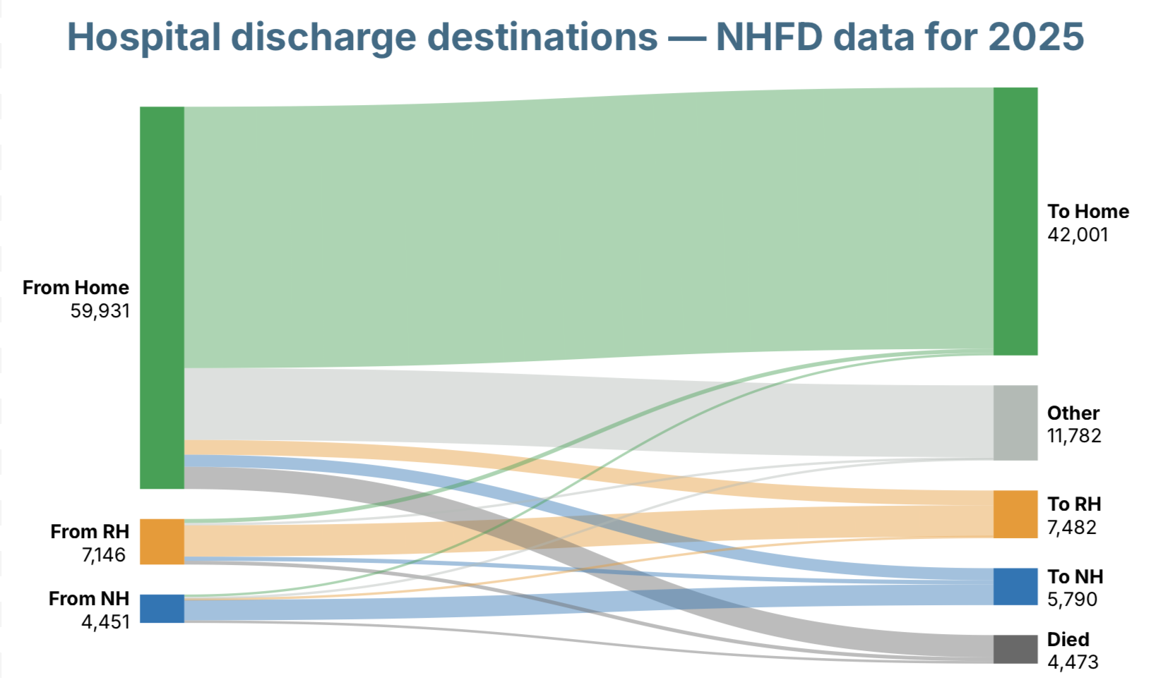
 | Trust discharge destination
Pre-fracture residence | Own home/sheltered housing | Residential care | Nursing care | Died | Other
Own home/sheltered housing | 40,981 | 2,316 | 1,888 | 3,492 | 11,254
Residential care | 639 | 4,911 | 665 | 584 | 347
Nursing care | 381 | 255 | 3,237 | 397 | 181

